xWRL6432AOP PinMux
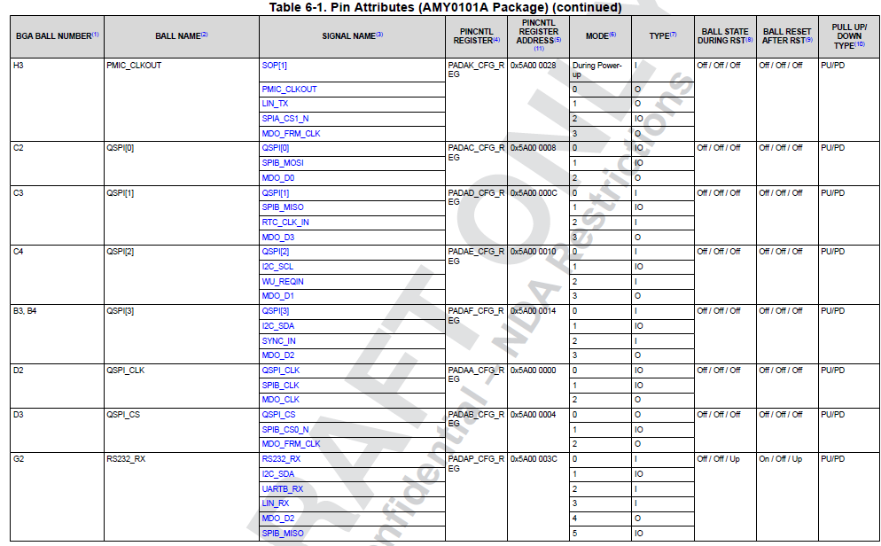
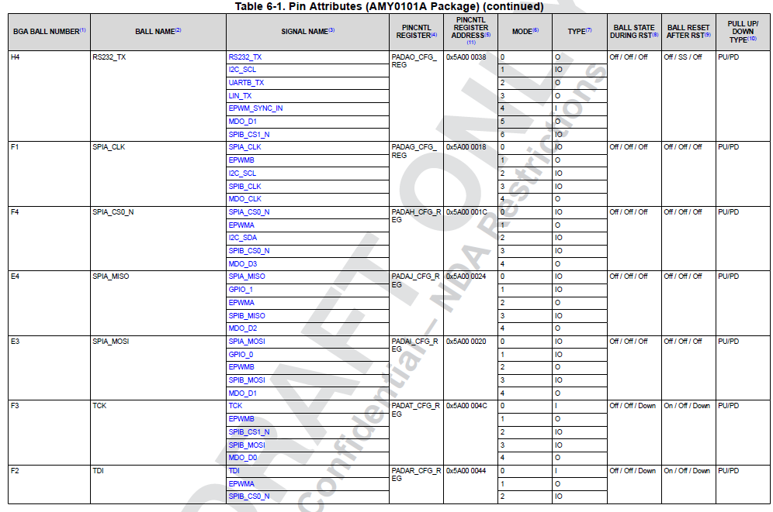
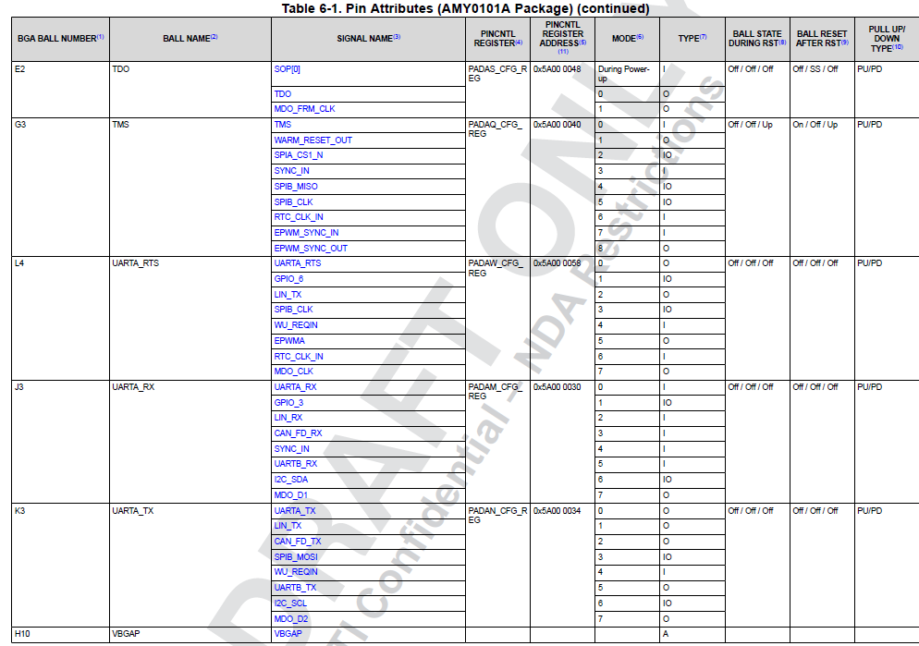
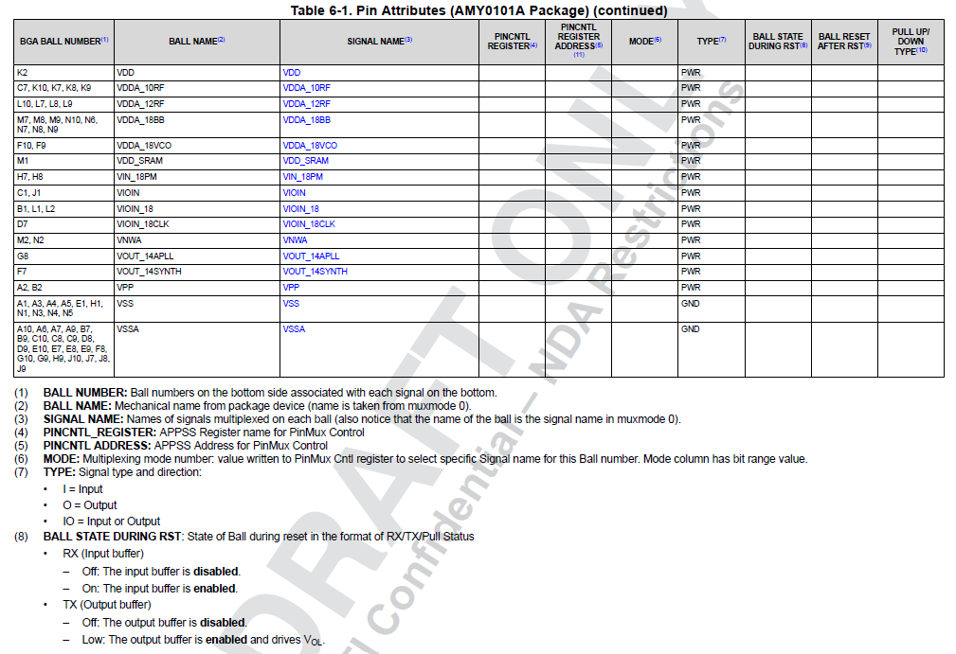
xWRL6432AOP PinMux Table
Any default pin configuration change, please refer to the SysConfig tool: | https://www.ti.com/tool/SYSCONFIG
The steps to modify the application image using SysCfg can be found in the MMWAVE_L_SDK from the path: \..\MMWAVE_L_SDK_X\docs\api_guide_xwrL64xx\SYSCONFIG_INTRO_PAGE.html

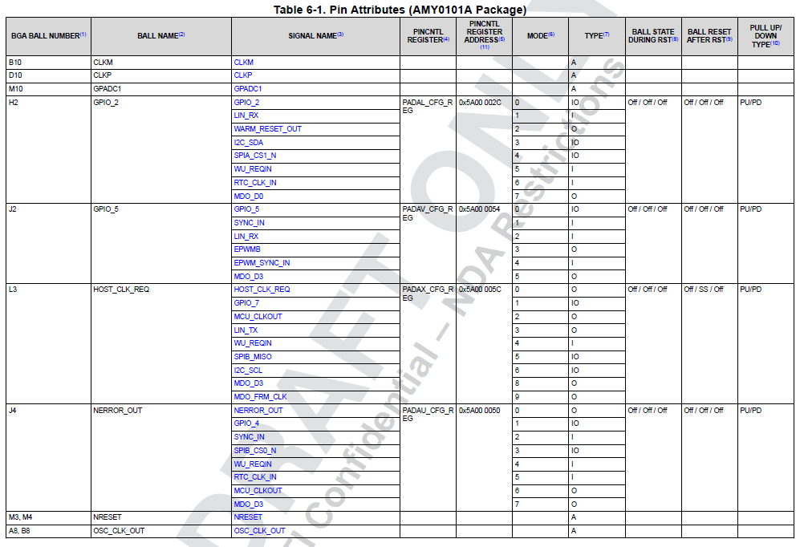
 |  | Customer Input
 |  | Signal Used

Power Opt. Sch Checklist
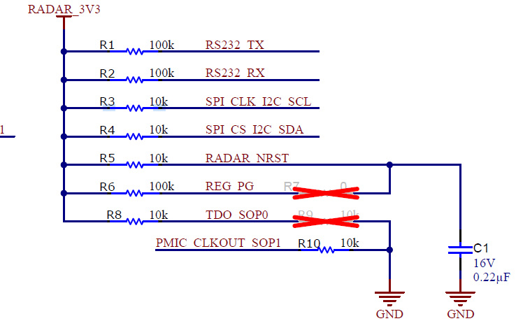
Schematic Checklist for PCB built for Power Optimized Topology xWRL6432AOP board

Power Optimized Topology : |  | https://www.ti.com/lit/zip/sprr496
Description |  | Power optimized topology focuses on lower power consumption. This topology can be used in three rail or two rail configuration. In this topology the 1.2V supply is externally provided. For more details please refer to datasheet "Power Topologies". section
 |  | Click here for estimated power consumption numbers
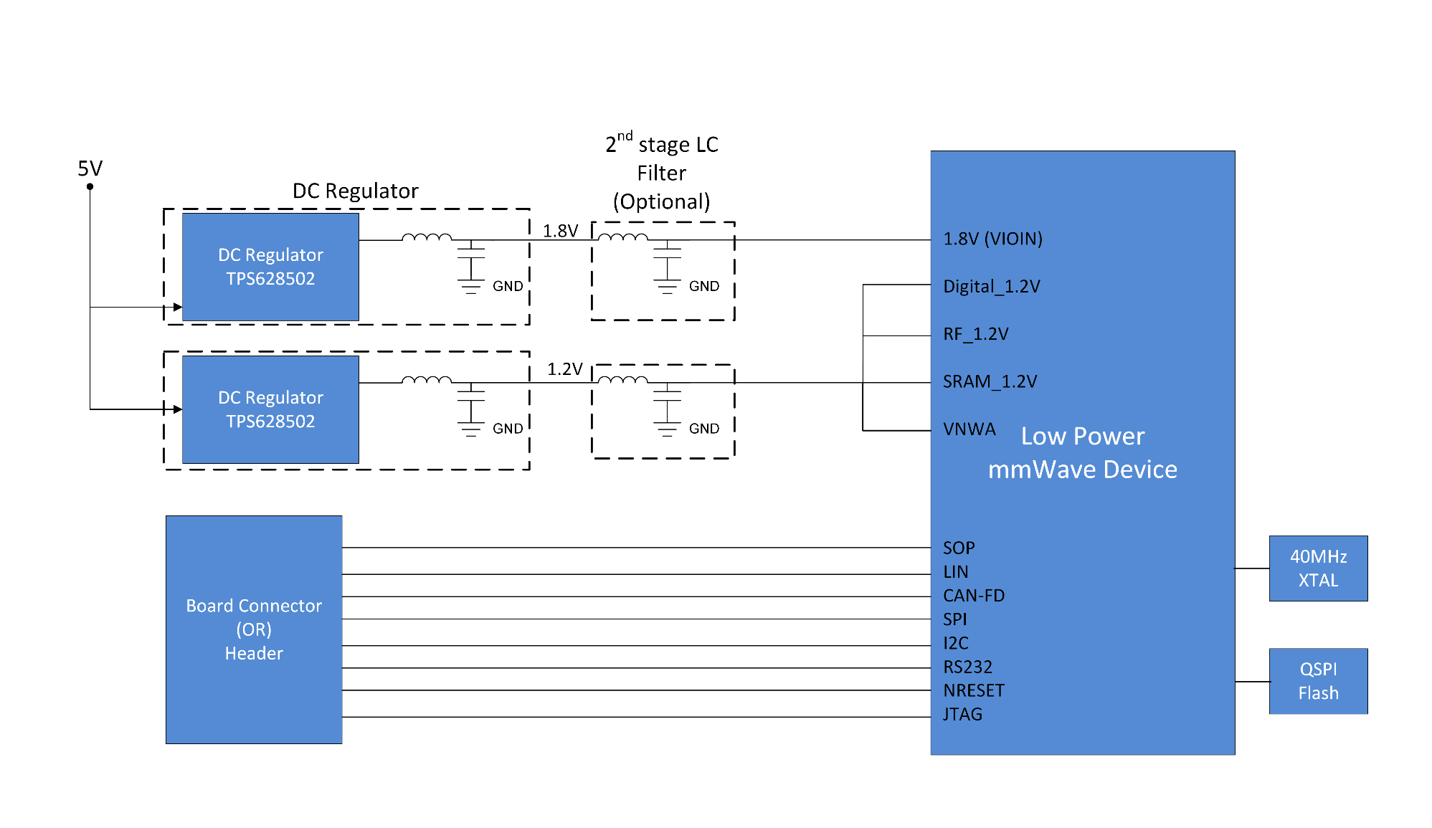
Typical Functional Block Diagram
Note: This is a representative block diagram to demonstrate power distribution network. For complete block diagram refer to the design files.
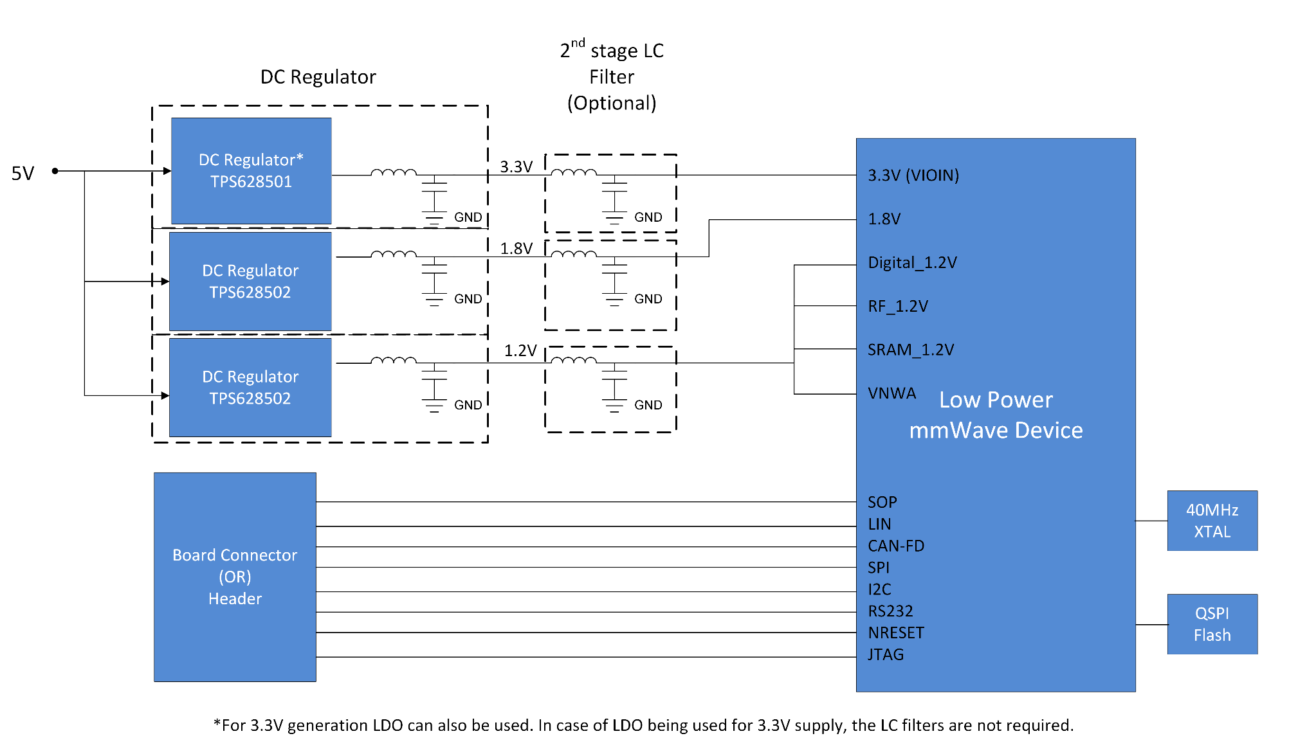

 | Fig. Three rail power optimized topology |  |  | Fig. Two rail power optimized topology
Note: LIN communication interface is only applicable for AWRL devices
Note: Entries marked in RED are very critical for the xWRL6432AOP operation. Please contact TI E2E for any questions. |  |  | https://e2e.ti.com/
NOTE: All digital IO pins of the device (except NRESET) are non-failsafe; hence, care needs to be taken that they are not driven externally without the VIOIN supply being present to the device.
Domain | Items | Recommended Connection | Pin Associated | BOM Description | Comments | Customer Input ( Yes/No) | Questions ( if Any)
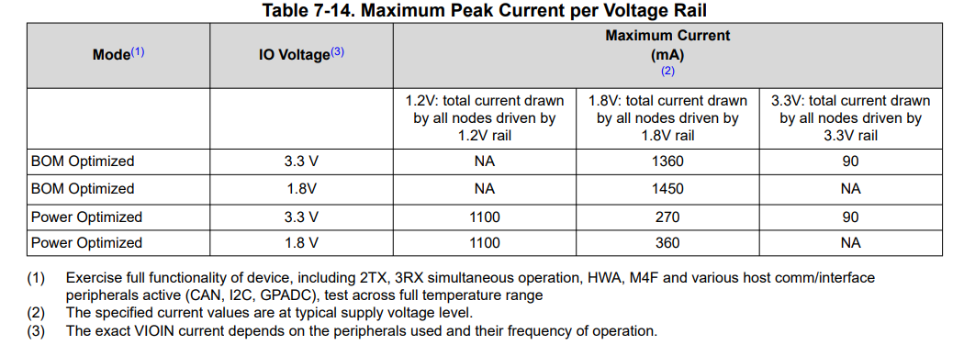
1.8V Power inputs | VIOIN_18 | Connect to 1.8V supply | B1, L1, L2 | three 0.22 uF decap | Peak current of 270 mA total on this rail if VIOIN is 3.3V. Peak current of 360 mA total on this rail if VIOIN is 1.8V. For noise/ripple requirements on this supply refer to "Power supply specifications" section in the device data sheet*
 | VIN_18PM | Connect to 1.8V supply | H7, H8 | 0.22 uF decap
 | VIOIN_18CLK | Connect to 1.8V supply | D7 | one 0.22uF and one 10uF decap
 | VDDA_18BB | Connect to 1.8V supply | M7, M8, M9, N10, N6, N7, N8, N9 | two 0.22uF and one 10uF decap
 | VDDA_18VCO | Connect to 1.8V supply | F10, F9 | 0.22 uF decap
IO supply input | VIOIN | Connect to 3.3V/1.8V | C1, J1 | two 0.22uF and one 2.2uF decap | 90 mA if VIOIN is 3.3V*
1.2V Power input | VDD | Connect to 1.2V | K2 | two 0.22uF, two 0.01uF and one 4.7uF decap | 1100 mA total on this rail*
 | VDDA_12RF | Connect to 1.2V | L10, L7, L8, L9 | one 0.22uF, one 2.2uF, one 10uF and one 4.7uF decap
 | VNWA | Connect to 1.2V | M2, N2 | 0.22 uF decap
 | VDD_SRAM | Connect to 1.2V | M1 | 0.22 uF decap
Power outputs | VOUT_14SYNTH | Connect to decap | F7 | 1uF decap
 | VOUT_14APLL | Connect to decap | G8 | 1uF decap
 | VBGAP | Connect to decap | H10 | 47nF decap
 | VDDA_10RF | Connect to decap | C7, K10, K7, K8, K9 | one 0.22uF, one 2.2uF and one 10uF decap
Reference clk | CLKP, CLKM | 1) 40MHz XTAL should be connected between the CLKP & CLKM lines 2) Connect 4.7pF shunt cap on each of the lines to achieve the Cl of the XTAL. 3) The value of the shunt cap may have to be adjusted based on XTAL part used and the PCB layout parasitic. | D10,B10 | 40MHz XTAL and 4.7pF shunt cap on each lines (value needs to be adjusted if there is any change in the PCB trace parasitic)
Digital signals | nRESET | Signal to be controlled by the host. Recomendded 10K pull up to VIOIN and 0.22uF shunt cap incase of standalone application. | M3, M4 | 10K pull up to VIOIN and shunt 0.22uF cap | Please refer "Component Selection" sheet for more details.
 | SOP (Sense On Power) | 1) SOP0 : Pull to VIOIN/ GND via 10K resister. 2) SOP1 : Pull to VIOIN/ GND via 10K resister. (Depending upon SOP mode configuration) | E2, H3 | 10K pulls SOP[1,0]: 00 = Flashing Mode SOP[1,0]: 01 = Functional Mode SOP[1,0]: 11 = Debug Mode | Please refer to EVM schematic for SOP circuit and for different pinmuxing for the respective pins.
 | I2C | 1) The I2C_SCL and I2C_SDA lines should have a 10K pullup to VIOIN. | F1,F4 |  | Only when the application processor enables the I2C peripheral.
 | Host SPIA (Or SPIB) | 1) Optional series source termination resistance on SPI_CLK , SPI_MISO and SPI_MOSI lines in case of large form factor boards. 2)HOST_INTR should have a 10K pullup to VIOIN. | SPIA: F1, E4, E3, F4 SPIB: Please refer to the PinMux Table | 10K pullup on HOST_INTR | HOST_INTR signal is mandatory for SPI interface.
 | UARTB (RS232) (Flashing Interface) | If not connected the host bring out on test points 1) 100K pullup to VIOIN on RS232_RX 2) 100K pullup to VIOIN on RS232_TX | G2, H4 | 100K pullup to VIOIN on both lines | Demo Interface (RS232 is a mandatory interface for Flashing the appimage) If onboard USB to UART converter (XDS110/CP2105) is not being used kindly use external launchpad or USB to UART converter
 | UARTA (Without QSPI Flash) | If not connected the host bring out on test points 1) 100K pullup to VIOIN on UARTA_RX 2) 100K pullup to VIOIN on UARTA_TX | J3, K3 | 100K pullup to VIOIN on both lines
 | QSPI for onboard serial flash(if used) | Connected to a compatible QSPI serial flash part 1) 10K pull up on QSPI_D2, 2) 10K pull up on QSPI_D3 3) 47.5K pull up on QSPI_CS These signals operate at 80 Mhz,. If the serial flash is placed far away (>4000mils) from the device 33ohms series recommended on these lines (for large form factor boards) | C3, C4, B3, B4, D2, D3 | Onboard serial flash. Pullup resisters on QSPI_D2, QSPI_D3 and QSPI_CS lines | TRM: https://www.ti.com/lit/ug/swru599a/swru599a.pdf Please refer to Section 4 for User Application programming ^
 | JTAG | Bring out on test points for debug. | TCK:F3, TDI:F2, TDO_SOP0:E2, TMS:G3 |  | XDS110 external emulators can be used for debug purpose along with Code Composer Studio (CCS)
 | CAN-FD | The CAN-FD module supports both classic CAN and CAN FD (CAN with Flexible Data-Rate) specifications. For automotive communication interface. | J3, K3
ANA test lines | GPADC1 | Bring to test points for debug purpose | M10
VPP | VPP | The VPP pin should ONLY be connected and supplied with 1.7V, at the time of writing the Customer Keys in OTP effuse ROM. It should be left as NOT CONNECTED (NC) otherwise.” | A2, B2 |  | Refer to datasheet section : VPP Specifications for One-Time Programmable (OTP) eFuses
OSC_CLK_OUT | OSC_CLKOUT | Bring to test points for observing CLK center frequency to measure the APLL output. This can be used to measure the center frequency of the XTAL (ppm error). This frequency error needs to be corrected by adjusting the XTAL shunt caps | A8, B8
^NOTE: ROM bootloader application for loading serial flash image can be done over UART and SPI as well if QSPI Flash is not intended to be used. Kindly refer to Section 4.6.1 , 4.6.2 & 4.6.3 of the below TRM.
TRM: https://www.ti.com/lit/ug/swru599a/swru599a.pdf
For device booting over SPI please refer to MMWAVE_L_SDK from the path: \..\MMWAVE_L_SDK_X\docs\api_guide_xwrL64xx\EXAMPLES_DRIVERS_SPI_BOOTING.html | For device booting over SPI please refer to MMWAVE_L_SDK from the path: \..\MMWAVE_L_SDK_X\docs\api_guide_xwrL64xx\EXAMPLES_DRIVERS_SPI_BOOTING.html | For device booting over SPI please refer to MMWAVE_L_SDK from the path: \..\MMWAVE_L_SDK_X\docs\api_guide_xwrL64xx\EXAMPLES_DRIVERS_SPI_BOOTING.html | For device booting over SPI please refer to MMWAVE_L_SDK from the path: \..\MMWAVE_L_SDK_X\docs\api_guide_xwrL64xx\EXAMPLES_DRIVERS_SPI_BOOTING.html | For device booting over SPI please refer to MMWAVE_L_SDK from the path: \..\MMWAVE_L_SDK_X\docs\api_guide_xwrL64xx\EXAMPLES_DRIVERS_SPI_BOOTING.html | For device booting over SPI please refer to MMWAVE_L_SDK from the path: \..\MMWAVE_L_SDK_X\docs\api_guide_xwrL64xx\EXAMPLES_DRIVERS_SPI_BOOTING.html | For device booting over SPI please refer to MMWAVE_L_SDK from the path: \..\MMWAVE_L_SDK_X\docs\api_guide_xwrL64xx\EXAMPLES_DRIVERS_SPI_BOOTING.html | For device booting over SPI please refer to MMWAVE_L_SDK from the path: \..\MMWAVE_L_SDK_X\docs\api_guide_xwrL64xx\EXAMPLES_DRIVERS_SPI_BOOTING.html | For device booting over SPI please refer to MMWAVE_L_SDK from the path: \..\MMWAVE_L_SDK_X\docs\api_guide_xwrL64xx\EXAMPLES_DRIVERS_SPI_BOOTING.html | For device booting over SPI please refer to MMWAVE_L_SDK from the path: \..\MMWAVE_L_SDK_X\docs\api_guide_xwrL64xx\EXAMPLES_DRIVERS_SPI_BOOTING.html | For device booting over SPI please refer to MMWAVE_L_SDK from the path: \..\MMWAVE_L_SDK_X\docs\api_guide_xwrL64xx\EXAMPLES_DRIVERS_SPI_BOOTING.html | For device booting over SPI please refer to MMWAVE_L_SDK from the path: \..\MMWAVE_L_SDK_X\docs\api_guide_xwrL64xx\EXAMPLES_DRIVERS_SPI_BOOTING.html | For device booting over SPI please refer to MMWAVE_L_SDK from the path: \..\MMWAVE_L_SDK_X\docs\api_guide_xwrL64xx\EXAMPLES_DRIVERS_SPI_BOOTING.html | For device booting over SPI please refer to MMWAVE_L_SDK from the path: \..\MMWAVE_L_SDK_X\docs\api_guide_xwrL64xx\EXAMPLES_DRIVERS_SPI_BOOTING.html | For device booting over SPI please refer to MMWAVE_L_SDK from the path: \..\MMWAVE_L_SDK_X\docs\api_guide_xwrL64xx\EXAMPLES_DRIVERS_SPI_BOOTING.html | For device booting over SPI please refer to MMWAVE_L_SDK from the path: \..\MMWAVE_L_SDK_X\docs\api_guide_xwrL64xx\EXAMPLES_DRIVERS_SPI_BOOTING.html | For device booting over SPI please refer to MMWAVE_L_SDK from the path: \..\MMWAVE_L_SDK_X\docs\api_guide_xwrL64xx\EXAMPLES_DRIVERS_SPI_BOOTING.html | For device booting over SPI please refer to MMWAVE_L_SDK from the path: \..\MMWAVE_L_SDK_X\docs\api_guide_xwrL64xx\EXAMPLES_DRIVERS_SPI_BOOTING.html | For device booting over SPI please refer to MMWAVE_L_SDK from the path: \..\MMWAVE_L_SDK_X\docs\api_guide_xwrL64xx\EXAMPLES_DRIVERS_SPI_BOOTING.html | For device booting over SPI please refer to MMWAVE_L_SDK from the path: \..\MMWAVE_L_SDK_X\docs\api_guide_xwrL64xx\EXAMPLES_DRIVERS_SPI_BOOTING.html | For device booting over SPI please refer to MMWAVE_L_SDK from the path: \..\MMWAVE_L_SDK_X\docs\api_guide_xwrL64xx\EXAMPLES_DRIVERS_SPI_BOOTING.html | For device booting over SPI please refer to MMWAVE_L_SDK from the path: \..\MMWAVE_L_SDK_X\docs\api_guide_xwrL64xx\EXAMPLES_DRIVERS_SPI_BOOTING.html | For device booting over SPI please refer to MMWAVE_L_SDK from the path: \..\MMWAVE_L_SDK_X\docs\api_guide_xwrL64xx\EXAMPLES_DRIVERS_SPI_BOOTING.html | For device booting over SPI please refer to MMWAVE_L_SDK from the path: \..\MMWAVE_L_SDK_X\docs\api_guide_xwrL64xx\EXAMPLES_DRIVERS_SPI_BOOTING.html | For device booting over SPI please refer to MMWAVE_L_SDK from the path: \..\MMWAVE_L_SDK_X\docs\api_guide_xwrL64xx\EXAMPLES_DRIVERS_SPI_BOOTING.html | For device booting over SPI please refer to MMWAVE_L_SDK from the path: \..\MMWAVE_L_SDK_X\docs\api_guide_xwrL64xx\EXAMPLES_DRIVERS_SPI_BOOTING.html | For device booting over SPI please refer to MMWAVE_L_SDK from the path: \..\MMWAVE_L_SDK_X\docs\api_guide_xwrL64xx\EXAMPLES_DRIVERS_SPI_BOOTING.html | For device booting over SPI please refer to MMWAVE_L_SDK from the path: \..\MMWAVE_L_SDK_X\docs\api_guide_xwrL64xx\EXAMPLES_DRIVERS_SPI_BOOTING.html | For device booting over SPI please refer to MMWAVE_L_SDK from the path: \..\MMWAVE_L_SDK_X\docs\api_guide_xwrL64xx\EXAMPLES_DRIVERS_SPI_BOOTING.html | For device booting over SPI please refer to MMWAVE_L_SDK from the path: \..\MMWAVE_L_SDK_X\docs\api_guide_xwrL64xx\EXAMPLES_DRIVERS_SPI_BOOTING.html | For device booting over SPI please refer to MMWAVE_L_SDK from the path: \..\MMWAVE_L_SDK_X\docs\api_guide_xwrL64xx\EXAMPLES_DRIVERS_SPI_BOOTING.html | For device booting over SPI please refer to MMWAVE_L_SDK from the path: \..\MMWAVE_L_SDK_X\docs\api_guide_xwrL64xx\EXAMPLES_DRIVERS_SPI_BOOTING.html | For device booting over SPI please refer to MMWAVE_L_SDK from the path: \..\MMWAVE_L_SDK_X\docs\api_guide_xwrL64xx\EXAMPLES_DRIVERS_SPI_BOOTING.html | For device booting over SPI please refer to MMWAVE_L_SDK from the path: \..\MMWAVE_L_SDK_X\docs\api_guide_xwrL64xx\EXAMPLES_DRIVERS_SPI_BOOTING.html | For device booting over SPI please refer to MMWAVE_L_SDK from the path: \..\MMWAVE_L_SDK_X\docs\api_guide_xwrL64xx\EXAMPLES_DRIVERS_SPI_BOOTING.html | For device booting over SPI please refer to MMWAVE_L_SDK from the path: \..\MMWAVE_L_SDK_X\docs\api_guide_xwrL64xx\EXAMPLES_DRIVERS_SPI_BOOTING.html | For device booting over SPI please refer to MMWAVE_L_SDK from the path: \..\MMWAVE_L_SDK_X\docs\api_guide_xwrL64xx\EXAMPLES_DRIVERS_SPI_BOOTING.html | For device booting over SPI please refer to MMWAVE_L_SDK from the path: \..\MMWAVE_L_SDK_X\docs\api_guide_xwrL64xx\EXAMPLES_DRIVERS_SPI_BOOTING.html | For device booting over SPI please refer to MMWAVE_L_SDK from the path: \..\MMWAVE_L_SDK_X\docs\api_guide_xwrL64xx\EXAMPLES_DRIVERS_SPI_BOOTING.html | For device booting over SPI please refer to MMWAVE_L_SDK from the path: \..\MMWAVE_L_SDK_X\docs\api_guide_xwrL64xx\EXAMPLES_DRIVERS_SPI_BOOTING.html | For device booting over SPI please refer to MMWAVE_L_SDK from the path: \..\MMWAVE_L_SDK_X\docs\api_guide_xwrL64xx\EXAMPLES_DRIVERS_SPI_BOOTING.html | For device booting over SPI please refer to MMWAVE_L_SDK from the path: \..\MMWAVE_L_SDK_X\docs\api_guide_xwrL64xx\EXAMPLES_DRIVERS_SPI_BOOTING.html | For device booting over SPI please refer to MMWAVE_L_SDK from the path: \..\MMWAVE_L_SDK_X\docs\api_guide_xwrL64xx\EXAMPLES_DRIVERS_SPI_BOOTING.html | For device booting over SPI please refer to MMWAVE_L_SDK from the path: \..\MMWAVE_L_SDK_X\docs\api_guide_xwrL64xx\EXAMPLES_DRIVERS_SPI_BOOTING.html | For device booting over SPI please refer to MMWAVE_L_SDK from the path: \..\MMWAVE_L_SDK_X\docs\api_guide_xwrL64xx\EXAMPLES_DRIVERS_SPI_BOOTING.html | For device booting over SPI please refer to MMWAVE_L_SDK from the path: \..\MMWAVE_L_SDK_X\docs\api_guide_xwrL64xx\EXAMPLES_DRIVERS_SPI_BOOTING.html | For device booting over SPI please refer to MMWAVE_L_SDK from the path: \..\MMWAVE_L_SDK_X\docs\api_guide_xwrL64xx\EXAMPLES_DRIVERS_SPI_BOOTING.html | For device booting over SPI please refer to MMWAVE_L_SDK from the path: \..\MMWAVE_L_SDK_X\docs\api_guide_xwrL64xx\EXAMPLES_DRIVERS_SPI_BOOTING.html | For device booting over SPI please refer to MMWAVE_L_SDK from the path: \..\MMWAVE_L_SDK_X\docs\api_guide_xwrL64xx\EXAMPLES_DRIVERS_SPI_BOOTING.html | For device booting over SPI please refer to MMWAVE_L_SDK from the path: \..\MMWAVE_L_SDK_X\docs\api_guide_xwrL64xx\EXAMPLES_DRIVERS_SPI_BOOTING.html | For device booting over SPI please refer to MMWAVE_L_SDK from the path: \..\MMWAVE_L_SDK_X\docs\api_guide_xwrL64xx\EXAMPLES_DRIVERS_SPI_BOOTING.html | For device booting over SPI please refer to MMWAVE_L_SDK from the path: \..\MMWAVE_L_SDK_X\docs\api_guide_xwrL64xx\EXAMPLES_DRIVERS_SPI_BOOTING.html | For device booting over SPI please refer to MMWAVE_L_SDK from the path: \..\MMWAVE_L_SDK_X\docs\api_guide_xwrL64xx\EXAMPLES_DRIVERS_SPI_BOOTING.html | For device booting over SPI please refer to MMWAVE_L_SDK from the path: \..\MMWAVE_L_SDK_X\docs\api_guide_xwrL64xx\EXAMPLES_DRIVERS_SPI_BOOTING.html | For device booting over SPI please refer to MMWAVE_L_SDK from the path: \..\MMWAVE_L_SDK_X\docs\api_guide_xwrL64xx\EXAMPLES_DRIVERS_SPI_BOOTING.html | For device booting over SPI please refer to MMWAVE_L_SDK from the path: \..\MMWAVE_L_SDK_X\docs\api_guide_xwrL64xx\EXAMPLES_DRIVERS_SPI_BOOTING.html | For device booting over SPI please refer to MMWAVE_L_SDK from the path: \..\MMWAVE_L_SDK_X\docs\api_guide_xwrL64xx\EXAMPLES_DRIVERS_SPI_BOOTING.html | For device booting over SPI please refer to MMWAVE_L_SDK from the path: \..\MMWAVE_L_SDK_X\docs\api_guide_xwrL64xx\EXAMPLES_DRIVERS_SPI_BOOTING.html | For device booting over SPI please refer to MMWAVE_L_SDK from the path: \..\MMWAVE_L_SDK_X\docs\api_guide_xwrL64xx\EXAMPLES_DRIVERS_SPI_BOOTING.html | For device booting over SPI please refer to MMWAVE_L_SDK from the path: \..\MMWAVE_L_SDK_X\docs\api_guide_xwrL64xx\EXAMPLES_DRIVERS_SPI_BOOTING.html | For device booting over SPI please refer to MMWAVE_L_SDK from the path: \..\MMWAVE_L_SDK_X\docs\api_guide_xwrL64xx\EXAMPLES_DRIVERS_SPI_BOOTING.html | For device booting over SPI please refer to MMWAVE_L_SDK from the path: \..\MMWAVE_L_SDK_X\docs\api_guide_xwrL64xx\EXAMPLES_DRIVERS_SPI_BOOTING.html | For device booting over SPI please refer to MMWAVE_L_SDK from the path: \..\MMWAVE_L_SDK_X\docs\api_guide_xwrL64xx\EXAMPLES_DRIVERS_SPI_BOOTING.html | For device booting over SPI please refer to MMWAVE_L_SDK from the path: \..\MMWAVE_L_SDK_X\docs\api_guide_xwrL64xx\EXAMPLES_DRIVERS_SPI_BOOTING.html | For device booting over SPI please refer to MMWAVE_L_SDK from the path: \..\MMWAVE_L_SDK_X\docs\api_guide_xwrL64xx\EXAMPLES_DRIVERS_SPI_BOOTING.html | For device booting over SPI please refer to MMWAVE_L_SDK from the path: \..\MMWAVE_L_SDK_X\docs\api_guide_xwrL64xx\EXAMPLES_DRIVERS_SPI_BOOTING.html | For device booting over SPI please refer to MMWAVE_L_SDK from the path: \..\MMWAVE_L_SDK_X\docs\api_guide_xwrL64xx\EXAMPLES_DRIVERS_SPI_BOOTING.html | For device booting over SPI please refer to MMWAVE_L_SDK from the path: \..\MMWAVE_L_SDK_X\docs\api_guide_xwrL64xx\EXAMPLES_DRIVERS_SPI_BOOTING.html | For device booting over SPI please refer to MMWAVE_L_SDK from the path: \..\MMWAVE_L_SDK_X\docs\api_guide_xwrL64xx\EXAMPLES_DRIVERS_SPI_BOOTING.html | For device booting over SPI please refer to MMWAVE_L_SDK from the path: \..\MMWAVE_L_SDK_X\docs\api_guide_xwrL64xx\EXAMPLES_DRIVERS_SPI_BOOTING.html | For device booting over SPI please refer to MMWAVE_L_SDK from the path: \..\MMWAVE_L_SDK_X\docs\api_guide_xwrL64xx\EXAMPLES_DRIVERS_SPI_BOOTING.html | For device booting over SPI please refer to MMWAVE_L_SDK from the path: \..\MMWAVE_L_SDK_X\docs\api_guide_xwrL64xx\EXAMPLES_DRIVERS_SPI_BOOTING.html | For device booting over SPI please refer to MMWAVE_L_SDK from the path: \..\MMWAVE_L_SDK_X\docs\api_guide_xwrL64xx\EXAMPLES_DRIVERS_SPI_BOOTING.html | For device booting over SPI please refer to MMWAVE_L_SDK from the path: \..\MMWAVE_L_SDK_X\docs\api_guide_xwrL64xx\EXAMPLES_DRIVERS_SPI_BOOTING.html | For device booting over SPI please refer to MMWAVE_L_SDK from the path: \..\MMWAVE_L_SDK_X\docs\api_guide_xwrL64xx\EXAMPLES_DRIVERS_SPI_BOOTING.html | For device booting over SPI please refer to MMWAVE_L_SDK from the path: \..\MMWAVE_L_SDK_X\docs\api_guide_xwrL64xx\EXAMPLES_DRIVERS_SPI_BOOTING.html | For device booting over SPI please refer to MMWAVE_L_SDK from the path: \..\MMWAVE_L_SDK_X\docs\api_guide_xwrL64xx\EXAMPLES_DRIVERS_SPI_BOOTING.html | For device booting over SPI please refer to MMWAVE_L_SDK from the path: \..\MMWAVE_L_SDK_X\docs\api_guide_xwrL64xx\EXAMPLES_DRIVERS_SPI_BOOTING.html | For device booting over SPI please refer to MMWAVE_L_SDK from the path: \..\MMWAVE_L_SDK_X\docs\api_guide_xwrL64xx\EXAMPLES_DRIVERS_SPI_BOOTING.html | For device booting over SPI please refer to MMWAVE_L_SDK from the path: \..\MMWAVE_L_SDK_X\docs\api_guide_xwrL64xx\EXAMPLES_DRIVERS_SPI_BOOTING.html | For device booting over SPI please refer to MMWAVE_L_SDK from the path: \..\MMWAVE_L_SDK_X\docs\api_guide_xwrL64xx\EXAMPLES_DRIVERS_SPI_BOOTING.html | For device booting over SPI please refer to MMWAVE_L_SDK from the path: \..\MMWAVE_L_SDK_X\docs\api_guide_xwrL64xx\EXAMPLES_DRIVERS_SPI_BOOTING.html | For device booting over SPI please refer to MMWAVE_L_SDK from the path: \..\MMWAVE_L_SDK_X\docs\api_guide_xwrL64xx\EXAMPLES_DRIVERS_SPI_BOOTING.html | For device booting over SPI please refer to MMWAVE_L_SDK from the path: \..\MMWAVE_L_SDK_X\docs\api_guide_xwrL64xx\EXAMPLES_DRIVERS_SPI_BOOTING.html | For device booting over SPI please refer to MMWAVE_L_SDK from the path: \..\MMWAVE_L_SDK_X\docs\api_guide_xwrL64xx\EXAMPLES_DRIVERS_SPI_BOOTING.html | For device booting over SPI please refer to MMWAVE_L_SDK from the path: \..\MMWAVE_L_SDK_X\docs\api_guide_xwrL64xx\EXAMPLES_DRIVERS_SPI_BOOTING.html | For device booting over SPI please refer to MMWAVE_L_SDK from the path: \..\MMWAVE_L_SDK_X\docs\api_guide_xwrL64xx\EXAMPLES_DRIVERS_SPI_BOOTING.html | For device booting over SPI please refer to MMWAVE_L_SDK from the path: \..\MMWAVE_L_SDK_X\docs\api_guide_xwrL64xx\EXAMPLES_DRIVERS_SPI_BOOTING.html | For device booting over SPI please refer to MMWAVE_L_SDK from the path: \..\MMWAVE_L_SDK_X\docs\api_guide_xwrL64xx\EXAMPLES_DRIVERS_SPI_BOOTING.html | For device booting over SPI please refer to MMWAVE_L_SDK from the path: \..\MMWAVE_L_SDK_X\docs\api_guide_xwrL64xx\EXAMPLES_DRIVERS_SPI_BOOTING.html | For device booting over SPI please refer to MMWAVE_L_SDK from the path: \..\MMWAVE_L_SDK_X\docs\api_guide_xwrL64xx\EXAMPLES_DRIVERS_SPI_BOOTING.html | For device booting over SPI please refer to MMWAVE_L_SDK from the path: \..\MMWAVE_L_SDK_X\docs\api_guide_xwrL64xx\EXAMPLES_DRIVERS_SPI_BOOTING.html | For device booting over SPI please refer to MMWAVE_L_SDK from the path: \..\MMWAVE_L_SDK_X\docs\api_guide_xwrL64xx\EXAMPLES_DRIVERS_SPI_BOOTING.html | For device booting over SPI please refer to MMWAVE_L_SDK from the path: \..\MMWAVE_L_SDK_X\docs\api_guide_xwrL64xx\EXAMPLES_DRIVERS_SPI_BOOTING.html | For device booting over SPI please refer to MMWAVE_L_SDK from the path: \..\MMWAVE_L_SDK_X\docs\api_guide_xwrL64xx\EXAMPLES_DRIVERS_SPI_BOOTING.html | For device booting over SPI please refer to MMWAVE_L_SDK from the path: \..\MMWAVE_L_SDK_X\docs\api_guide_xwrL64xx\EXAMPLES_DRIVERS_SPI_BOOTING.html | For device booting over SPI please refer to MMWAVE_L_SDK from the path: \..\MMWAVE_L_SDK_X\docs\api_guide_xwrL64xx\EXAMPLES_DRIVERS_SPI_BOOTING.html | For device booting over SPI please refer to MMWAVE_L_SDK from the path: \..\MMWAVE_L_SDK_X\docs\api_guide_xwrL64xx\EXAMPLES_DRIVERS_SPI_BOOTING.html | For device booting over SPI please refer to MMWAVE_L_SDK from the path: \..\MMWAVE_L_SDK_X\docs\api_guide_xwrL64xx\EXAMPLES_DRIVERS_SPI_BOOTING.html | For device booting over SPI please refer to MMWAVE_L_SDK from the path: \..\MMWAVE_L_SDK_X\docs\api_guide_xwrL64xx\EXAMPLES_DRIVERS_SPI_BOOTING.html | For device booting over SPI please refer to MMWAVE_L_SDK from the path: \..\MMWAVE_L_SDK_X\docs\api_guide_xwrL64xx\EXAMPLES_DRIVERS_SPI_BOOTING.html | For device booting over SPI please refer to MMWAVE_L_SDK from the path: \..\MMWAVE_L_SDK_X\docs\api_guide_xwrL64xx\EXAMPLES_DRIVERS_SPI_BOOTING.html | For device booting over SPI please refer to MMWAVE_L_SDK from the path: \..\MMWAVE_L_SDK_X\docs\api_guide_xwrL64xx\EXAMPLES_DRIVERS_SPI_BOOTING.html | For device booting over SPI please refer to MMWAVE_L_SDK from the path: \..\MMWAVE_L_SDK_X\docs\api_guide_xwrL64xx\EXAMPLES_DRIVERS_SPI_BOOTING.html | For device booting over SPI please refer to MMWAVE_L_SDK from the path: \..\MMWAVE_L_SDK_X\docs\api_guide_xwrL64xx\EXAMPLES_DRIVERS_SPI_BOOTING.html | For device booting over SPI please refer to MMWAVE_L_SDK from the path: \..\MMWAVE_L_SDK_X\docs\api_guide_xwrL64xx\EXAMPLES_DRIVERS_SPI_BOOTING.html | For device booting over SPI please refer to MMWAVE_L_SDK from the path: \..\MMWAVE_L_SDK_X\docs\api_guide_xwrL64xx\EXAMPLES_DRIVERS_SPI_BOOTING.html | For device booting over SPI please refer to MMWAVE_L_SDK from the path: \..\MMWAVE_L_SDK_X\docs\api_guide_xwrL64xx\EXAMPLES_DRIVERS_SPI_BOOTING.html | For device booting over SPI please refer to MMWAVE_L_SDK from the path: \..\MMWAVE_L_SDK_X\docs\api_guide_xwrL64xx\EXAMPLES_DRIVERS_SPI_BOOTING.html | For device booting over SPI please refer to MMWAVE_L_SDK from the path: \..\MMWAVE_L_SDK_X\docs\api_guide_xwrL64xx\EXAMPLES_DRIVERS_SPI_BOOTING.html | For device booting over SPI please refer to MMWAVE_L_SDK from the path: \..\MMWAVE_L_SDK_X\docs\api_guide_xwrL64xx\EXAMPLES_DRIVERS_SPI_BOOTING.html | For device booting over SPI please refer to MMWAVE_L_SDK from the path: \..\MMWAVE_L_SDK_X\docs\api_guide_xwrL64xx\EXAMPLES_DRIVERS_SPI_BOOTING.html | For device booting over SPI please refer to MMWAVE_L_SDK from the path: \..\MMWAVE_L_SDK_X\docs\api_guide_xwrL64xx\EXAMPLES_DRIVERS_SPI_BOOTING.html | For device booting over SPI please refer to MMWAVE_L_SDK from the path: \..\MMWAVE_L_SDK_X\docs\api_guide_xwrL64xx\EXAMPLES_DRIVERS_SPI_BOOTING.html | For device booting over SPI please refer to MMWAVE_L_SDK from the path: \..\MMWAVE_L_SDK_X\docs\api_guide_xwrL64xx\EXAMPLES_DRIVERS_SPI_BOOTING.html | For device booting over SPI please refer to MMWAVE_L_SDK from the path: \..\MMWAVE_L_SDK_X\docs\api_guide_xwrL64xx\EXAMPLES_DRIVERS_SPI_BOOTING.html | For device booting over SPI please refer to MMWAVE_L_SDK from the path: \..\MMWAVE_L_SDK_X\docs\api_guide_xwrL64xx\EXAMPLES_DRIVERS_SPI_BOOTING.html | For device booting over SPI please refer to MMWAVE_L_SDK from the path: \..\MMWAVE_L_SDK_X\docs\api_guide_xwrL64xx\EXAMPLES_DRIVERS_SPI_BOOTING.html | For device booting over SPI please refer to MMWAVE_L_SDK from the path: \..\MMWAVE_L_SDK_X\docs\api_guide_xwrL64xx\EXAMPLES_DRIVERS_SPI_BOOTING.html | For device booting over SPI please refer to MMWAVE_L_SDK from the path: \..\MMWAVE_L_SDK_X\docs\api_guide_xwrL64xx\EXAMPLES_DRIVERS_SPI_BOOTING.html | For device booting over SPI please refer to MMWAVE_L_SDK from the path: \..\MMWAVE_L_SDK_X\docs\api_guide_xwrL64xx\EXAMPLES_DRIVERS_SPI_BOOTING.html | For device booting over SPI please refer to MMWAVE_L_SDK from the path: \..\MMWAVE_L_SDK_X\docs\api_guide_xwrL64xx\EXAMPLES_DRIVERS_SPI_BOOTING.html | For device booting over SPI please refer to MMWAVE_L_SDK from the path: \..\MMWAVE_L_SDK_X\docs\api_guide_xwrL64xx\EXAMPLES_DRIVERS_SPI_BOOTING.html | For device booting over SPI please refer to MMWAVE_L_SDK from the path: \..\MMWAVE_L_SDK_X\docs\api_guide_xwrL64xx\EXAMPLES_DRIVERS_SPI_BOOTING.html | For device booting over SPI please refer to MMWAVE_L_SDK from the path: \..\MMWAVE_L_SDK_X\docs\api_guide_xwrL64xx\EXAMPLES_DRIVERS_SPI_BOOTING.html | For device booting over SPI please refer to MMWAVE_L_SDK from the path: \..\MMWAVE_L_SDK_X\docs\api_guide_xwrL64xx\EXAMPLES_DRIVERS_SPI_BOOTING.html | For device booting over SPI please refer to MMWAVE_L_SDK from the path: \..\MMWAVE_L_SDK_X\docs\api_guide_xwrL64xx\EXAMPLES_DRIVERS_SPI_BOOTING.html | For device booting over SPI please refer to MMWAVE_L_SDK from the path: \..\MMWAVE_L_SDK_X\docs\api_guide_xwrL64xx\EXAMPLES_DRIVERS_SPI_BOOTING.html | For device booting over SPI please refer to MMWAVE_L_SDK from the path: \..\MMWAVE_L_SDK_X\docs\api_guide_xwrL64xx\EXAMPLES_DRIVERS_SPI_BOOTING.html | For device booting over SPI please refer to MMWAVE_L_SDK from the path: \..\MMWAVE_L_SDK_X\docs\api_guide_xwrL64xx\EXAMPLES_DRIVERS_SPI_BOOTING.html | For device booting over SPI please refer to MMWAVE_L_SDK from the path: \..\MMWAVE_L_SDK_X\docs\api_guide_xwrL64xx\EXAMPLES_DRIVERS_SPI_BOOTING.html | For device booting over SPI please refer to MMWAVE_L_SDK from the path: \..\MMWAVE_L_SDK_X\docs\api_guide_xwrL64xx\EXAMPLES_DRIVERS_SPI_BOOTING.html | For device booting over SPI please refer to MMWAVE_L_SDK from the path: \..\MMWAVE_L_SDK_X\docs\api_guide_xwrL64xx\EXAMPLES_DRIVERS_SPI_BOOTING.html | For device booting over SPI please refer to MMWAVE_L_SDK from the path: \..\MMWAVE_L_SDK_X\docs\api_guide_xwrL64xx\EXAMPLES_DRIVERS_SPI_BOOTING.html | For device booting over SPI please refer to MMWAVE_L_SDK from the path: \..\MMWAVE_L_SDK_X\docs\api_guide_xwrL64xx\EXAMPLES_DRIVERS_SPI_BOOTING.html | For device booting over SPI please refer to MMWAVE_L_SDK from the path: \..\MMWAVE_L_SDK_X\docs\api_guide_xwrL64xx\EXAMPLES_DRIVERS_SPI_BOOTING.html | For device booting over SPI please refer to MMWAVE_L_SDK from the path: \..\MMWAVE_L_SDK_X\docs\api_guide_xwrL64xx\EXAMPLES_DRIVERS_SPI_BOOTING.html | For device booting over SPI please refer to MMWAVE_L_SDK from the path: \..\MMWAVE_L_SDK_X\docs\api_guide_xwrL64xx\EXAMPLES_DRIVERS_SPI_BOOTING.html | For device booting over SPI please refer to MMWAVE_L_SDK from the path: \..\MMWAVE_L_SDK_X\docs\api_guide_xwrL64xx\EXAMPLES_DRIVERS_SPI_BOOTING.html | For device booting over SPI please refer to MMWAVE_L_SDK from the path: \..\MMWAVE_L_SDK_X\docs\api_guide_xwrL64xx\EXAMPLES_DRIVERS_SPI_BOOTING.html | For device booting over SPI please refer to MMWAVE_L_SDK from the path: \..\MMWAVE_L_SDK_X\docs\api_guide_xwrL64xx\EXAMPLES_DRIVERS_SPI_BOOTING.html | For device booting over SPI please refer to MMWAVE_L_SDK from the path: \..\MMWAVE_L_SDK_X\docs\api_guide_xwrL64xx\EXAMPLES_DRIVERS_SPI_BOOTING.html | For device booting over SPI please refer to MMWAVE_L_SDK from the path: \..\MMWAVE_L_SDK_X\docs\api_guide_xwrL64xx\EXAMPLES_DRIVERS_SPI_BOOTING.html | For device booting over SPI please refer to MMWAVE_L_SDK from the path: \..\MMWAVE_L_SDK_X\docs\api_guide_xwrL64xx\EXAMPLES_DRIVERS_SPI_BOOTING.html | For device booting over SPI please refer to MMWAVE_L_SDK from the path: \..\MMWAVE_L_SDK_X\docs\api_guide_xwrL64xx\EXAMPLES_DRIVERS_SPI_BOOTING.html | For device booting over SPI please refer to MMWAVE_L_SDK from the path: \..\MMWAVE_L_SDK_X\docs\api_guide_xwrL64xx\EXAMPLES_DRIVERS_SPI_BOOTING.html | For device booting over SPI please refer to MMWAVE_L_SDK from the path: \..\MMWAVE_L_SDK_X\docs\api_guide_xwrL64xx\EXAMPLES_DRIVERS_SPI_BOOTING.html | For device booting over SPI please refer to MMWAVE_L_SDK from the path: \..\MMWAVE_L_SDK_X\docs\api_guide_xwrL64xx\EXAMPLES_DRIVERS_SPI_BOOTING.html | For device booting over SPI please refer to MMWAVE_L_SDK from the path: \..\MMWAVE_L_SDK_X\docs\api_guide_xwrL64xx\EXAMPLES_DRIVERS_SPI_BOOTING.html | For device booting over SPI please refer to MMWAVE_L_SDK from the path: \..\MMWAVE_L_SDK_X\docs\api_guide_xwrL64xx\EXAMPLES_DRIVERS_SPI_BOOTING.html | For device booting over SPI please refer to MMWAVE_L_SDK from the path: \..\MMWAVE_L_SDK_X\docs\api_guide_xwrL64xx\EXAMPLES_DRIVERS_SPI_BOOTING.html | For device booting over SPI please refer to MMWAVE_L_SDK from the path: \..\MMWAVE_L_SDK_X\docs\api_guide_xwrL64xx\EXAMPLES_DRIVERS_SPI_BOOTING.html | For device booting over SPI please refer to MMWAVE_L_SDK from the path: \..\MMWAVE_L_SDK_X\docs\api_guide_xwrL64xx\EXAMPLES_DRIVERS_SPI_BOOTING.html | For device booting over SPI please refer to MMWAVE_L_SDK from the path: \..\MMWAVE_L_SDK_X\docs\api_guide_xwrL64xx\EXAMPLES_DRIVERS_SPI_BOOTING.html | For device booting over SPI please refer to MMWAVE_L_SDK from the path: \..\MMWAVE_L_SDK_X\docs\api_guide_xwrL64xx\EXAMPLES_DRIVERS_SPI_BOOTING.html | For device booting over SPI please refer to MMWAVE_L_SDK from the path: \..\MMWAVE_L_SDK_X\docs\api_guide_xwrL64xx\EXAMPLES_DRIVERS_SPI_BOOTING.html | For device booting over SPI please refer to MMWAVE_L_SDK from the path: \..\MMWAVE_L_SDK_X\docs\api_guide_xwrL64xx\EXAMPLES_DRIVERS_SPI_BOOTING.html | For device booting over SPI please refer to MMWAVE_L_SDK from the path: \..\MMWAVE_L_SDK_X\docs\api_guide_xwrL64xx\EXAMPLES_DRIVERS_SPI_BOOTING.html | For device booting over SPI please refer to MMWAVE_L_SDK from the path: \..\MMWAVE_L_SDK_X\docs\api_guide_xwrL64xx\EXAMPLES_DRIVERS_SPI_BOOTING.html | For device booting over SPI please refer to MMWAVE_L_SDK from the path: \..\MMWAVE_L_SDK_X\docs\api_guide_xwrL64xx\EXAMPLES_DRIVERS_SPI_BOOTING.html | For device booting over SPI please refer to MMWAVE_L_SDK from the path: \..\MMWAVE_L_SDK_X\docs\api_guide_xwrL64xx\EXAMPLES_DRIVERS_SPI_BOOTING.html | For device booting over SPI please refer to MMWAVE_L_SDK from the path: \..\MMWAVE_L_SDK_X\docs\api_guide_xwrL64xx\EXAMPLES_DRIVERS_SPI_BOOTING.html | For device booting over SPI please refer to MMWAVE_L_SDK from the path: \..\MMWAVE_L_SDK_X\docs\api_guide_xwrL64xx\EXAMPLES_DRIVERS_SPI_BOOTING.html | For device booting over SPI please refer to MMWAVE_L_SDK from the path: \..\MMWAVE_L_SDK_X\docs\api_guide_xwrL64xx\EXAMPLES_DRIVERS_SPI_BOOTING.html | For device booting over SPI please refer to MMWAVE_L_SDK from the path: \..\MMWAVE_L_SDK_X\docs\api_guide_xwrL64xx\EXAMPLES_DRIVERS_SPI_BOOTING.html | For device booting over SPI please refer to MMWAVE_L_SDK from the path: \..\MMWAVE_L_SDK_X\docs\api_guide_xwrL64xx\EXAMPLES_DRIVERS_SPI_BOOTING.html | For device booting over SPI please refer to MMWAVE_L_SDK from the path: \..\MMWAVE_L_SDK_X\docs\api_guide_xwrL64xx\EXAMPLES_DRIVERS_SPI_BOOTING.html | For device booting over SPI please refer to MMWAVE_L_SDK from the path: \..\MMWAVE_L_SDK_X\docs\api_guide_xwrL64xx\EXAMPLES_DRIVERS_SPI_BOOTING.html | For device booting over SPI please refer to MMWAVE_L_SDK from the path: \..\MMWAVE_L_SDK_X\docs\api_guide_xwrL64xx\EXAMPLES_DRIVERS_SPI_BOOTING.html | For device booting over SPI please refer to MMWAVE_L_SDK from the path: \..\MMWAVE_L_SDK_X\docs\api_guide_xwrL64xx\EXAMPLES_DRIVERS_SPI_BOOTING.html | For device booting over SPI please refer to MMWAVE_L_SDK from the path: \..\MMWAVE_L_SDK_X\docs\api_guide_xwrL64xx\EXAMPLES_DRIVERS_SPI_BOOTING.html | For device booting over SPI please refer to MMWAVE_L_SDK from the path: \..\MMWAVE_L_SDK_X\docs\api_guide_xwrL64xx\EXAMPLES_DRIVERS_SPI_BOOTING.html | For device booting over SPI please refer to MMWAVE_L_SDK from the path: \..\MMWAVE_L_SDK_X\docs\api_guide_xwrL64xx\EXAMPLES_DRIVERS_SPI_BOOTING.html | For device booting over SPI please refer to MMWAVE_L_SDK from the path: \..\MMWAVE_L_SDK_X\docs\api_guide_xwrL64xx\EXAMPLES_DRIVERS_SPI_BOOTING.html | For device booting over SPI please refer to MMWAVE_L_SDK from the path: \..\MMWAVE_L_SDK_X\docs\api_guide_xwrL64xx\EXAMPLES_DRIVERS_SPI_BOOTING.html | For device booting over SPI please refer to MMWAVE_L_SDK from the path: \..\MMWAVE_L_SDK_X\docs\api_guide_xwrL64xx\EXAMPLES_DRIVERS_SPI_BOOTING.html | For device booting over SPI please refer to MMWAVE_L_SDK from the path: \..\MMWAVE_L_SDK_X\docs\api_guide_xwrL64xx\EXAMPLES_DRIVERS_SPI_BOOTING.html | For device booting over SPI please refer to MMWAVE_L_SDK from the path: \..\MMWAVE_L_SDK_X\docs\api_guide_xwrL64xx\EXAMPLES_DRIVERS_SPI_BOOTING.html | For device booting over SPI please refer to MMWAVE_L_SDK from the path: \..\MMWAVE_L_SDK_X\docs\api_guide_xwrL64xx\EXAMPLES_DRIVERS_SPI_BOOTING.html | For device booting over SPI please refer to MMWAVE_L_SDK from the path: \..\MMWAVE_L_SDK_X\docs\api_guide_xwrL64xx\EXAMPLES_DRIVERS_SPI_BOOTING.html | For device booting over SPI please refer to MMWAVE_L_SDK from the path: \..\MMWAVE_L_SDK_X\docs\api_guide_xwrL64xx\EXAMPLES_DRIVERS_SPI_BOOTING.html | For device booting over SPI please refer to MMWAVE_L_SDK from the path: \..\MMWAVE_L_SDK_X\docs\api_guide_xwrL64xx\EXAMPLES_DRIVERS_SPI_BOOTING.html | For device booting over SPI please refer to MMWAVE_L_SDK from the path: \..\MMWAVE_L_SDK_X\docs\api_guide_xwrL64xx\EXAMPLES_DRIVERS_SPI_BOOTING.html | For device booting over SPI please refer to MMWAVE_L_SDK from the path: \..\MMWAVE_L_SDK_X\docs\api_guide_xwrL64xx\EXAMPLES_DRIVERS_SPI_BOOTING.html | For device booting over SPI please refer to MMWAVE_L_SDK from the path: \..\MMWAVE_L_SDK_X\docs\api_guide_xwrL64xx\EXAMPLES_DRIVERS_SPI_BOOTING.html | For device booting over SPI please refer to MMWAVE_L_SDK from the path: \..\MMWAVE_L_SDK_X\docs\api_guide_xwrL64xx\EXAMPLES_DRIVERS_SPI_BOOTING.html | For device booting over SPI please refer to MMWAVE_L_SDK from the path: \..\MMWAVE_L_SDK_X\docs\api_guide_xwrL64xx\EXAMPLES_DRIVERS_SPI_BOOTING.html | For device booting over SPI please refer to MMWAVE_L_SDK from the path: \..\MMWAVE_L_SDK_X\docs\api_guide_xwrL64xx\EXAMPLES_DRIVERS_SPI_BOOTING.html | For device booting over SPI please refer to MMWAVE_L_SDK from the path: \..\MMWAVE_L_SDK_X\docs\api_guide_xwrL64xx\EXAMPLES_DRIVERS_SPI_BOOTING.html | For device booting over SPI please refer to MMWAVE_L_SDK from the path: \..\MMWAVE_L_SDK_X\docs\api_guide_xwrL64xx\EXAMPLES_DRIVERS_SPI_BOOTING.html | For device booting over SPI please refer to MMWAVE_L_SDK from the path: \..\MMWAVE_L_SDK_X\docs\api_guide_xwrL64xx\EXAMPLES_DRIVERS_SPI_BOOTING.html | For device booting over SPI please refer to MMWAVE_L_SDK from the path: \..\MMWAVE_L_SDK_X\docs\api_guide_xwrL64xx\EXAMPLES_DRIVERS_SPI_BOOTING.html | For device booting over SPI please refer to MMWAVE_L_SDK from the path: \..\MMWAVE_L_SDK_X\docs\api_guide_xwrL64xx\EXAMPLES_DRIVERS_SPI_BOOTING.html | For device booting over SPI please refer to MMWAVE_L_SDK from the path: \..\MMWAVE_L_SDK_X\docs\api_guide_xwrL64xx\EXAMPLES_DRIVERS_SPI_BOOTING.html | For device booting over SPI please refer to MMWAVE_L_SDK from the path: \..\MMWAVE_L_SDK_X\docs\api_guide_xwrL64xx\EXAMPLES_DRIVERS_SPI_BOOTING.html | For device booting over SPI please refer to MMWAVE_L_SDK from the path: \..\MMWAVE_L_SDK_X\docs\api_guide_xwrL64xx\EXAMPLES_DRIVERS_SPI_BOOTING.html | For device booting over SPI please refer to MMWAVE_L_SDK from the path: \..\MMWAVE_L_SDK_X\docs\api_guide_xwrL64xx\EXAMPLES_DRIVERS_SPI_BOOTING.html | For device booting over SPI please refer to MMWAVE_L_SDK from the path: \..\MMWAVE_L_SDK_X\docs\api_guide_xwrL64xx\EXAMPLES_DRIVERS_SPI_BOOTING.html | For device booting over SPI please refer to MMWAVE_L_SDK from the path: \..\MMWAVE_L_SDK_X\docs\api_guide_xwrL64xx\EXAMPLES_DRIVERS_SPI_BOOTING.html | For device booting over SPI please refer to MMWAVE_L_SDK from the path: \..\MMWAVE_L_SDK_X\docs\api_guide_xwrL64xx\EXAMPLES_DRIVERS_SPI_BOOTING.html | For device booting over SPI please refer to MMWAVE_L_SDK from the path: \..\MMWAVE_L_SDK_X\docs\api_guide_xwrL64xx\EXAMPLES_DRIVERS_SPI_BOOTING.html | For device booting over SPI please refer to MMWAVE_L_SDK from the path: \..\MMWAVE_L_SDK_X\docs\api_guide_xwrL64xx\EXAMPLES_DRIVERS_SPI_BOOTING.html | For device booting over SPI please refer to MMWAVE_L_SDK from the path: \..\MMWAVE_L_SDK_X\docs\api_guide_xwrL64xx\EXAMPLES_DRIVERS_SPI_BOOTING.html | For device booting over SPI please refer to MMWAVE_L_SDK from the path: \..\MMWAVE_L_SDK_X\docs\api_guide_xwrL64xx\EXAMPLES_DRIVERS_SPI_BOOTING.html | For device booting over SPI please refer to MMWAVE_L_SDK from the path: \..\MMWAVE_L_SDK_X\docs\api_guide_xwrL64xx\EXAMPLES_DRIVERS_SPI_BOOTING.html | For device booting over SPI please refer to MMWAVE_L_SDK from the path: \..\MMWAVE_L_SDK_X\docs\api_guide_xwrL64xx\EXAMPLES_DRIVERS_SPI_BOOTING.html | For device booting over SPI please refer to MMWAVE_L_SDK from the path: \..\MMWAVE_L_SDK_X\docs\api_guide_xwrL64xx\EXAMPLES_DRIVERS_SPI_BOOTING.html | For device booting over SPI please refer to MMWAVE_L_SDK from the path: \..\MMWAVE_L_SDK_X\docs\api_guide_xwrL64xx\EXAMPLES_DRIVERS_SPI_BOOTING.html | For device booting over SPI please refer to MMWAVE_L_SDK from the path: \..\MMWAVE_L_SDK_X\docs\api_guide_xwrL64xx\EXAMPLES_DRIVERS_SPI_BOOTING.html | For device booting over SPI please refer to MMWAVE_L_SDK from the path: \..\MMWAVE_L_SDK_X\docs\api_guide_xwrL64xx\EXAMPLES_DRIVERS_SPI_BOOTING.html | For device booting over SPI please refer to MMWAVE_L_SDK from the path: \..\MMWAVE_L_SDK_X\docs\api_guide_xwrL64xx\EXAMPLES_DRIVERS_SPI_BOOTING.html | For device booting over SPI please refer to MMWAVE_L_SDK from the path: \..\MMWAVE_L_SDK_X\docs\api_guide_xwrL64xx\EXAMPLES_DRIVERS_SPI_BOOTING.html | For device booting over SPI please refer to MMWAVE_L_SDK from the path: \..\MMWAVE_L_SDK_X\docs\api_guide_xwrL64xx\EXAMPLES_DRIVERS_SPI_BOOTING.html | For device booting over SPI please refer to MMWAVE_L_SDK from the path: \..\MMWAVE_L_SDK_X\docs\api_guide_xwrL64xx\EXAMPLES_DRIVERS_SPI_BOOTING.html | For device booting over SPI please refer to MMWAVE_L_SDK from the path: \..\MMWAVE_L_SDK_X\docs\api_guide_xwrL64xx\EXAMPLES_DRIVERS_SPI_BOOTING.html | For device booting over SPI please refer to MMWAVE_L_SDK from the path: \..\MMWAVE_L_SDK_X\docs\api_guide_xwrL64xx\EXAMPLES_DRIVERS_SPI_BOOTING.html | For device booting over SPI please refer to MMWAVE_L_SDK from the path: \..\MMWAVE_L_SDK_X\docs\api_guide_xwrL64xx\EXAMPLES_DRIVERS_SPI_BOOTING.html | For device booting over SPI please refer to MMWAVE_L_SDK from the path: \..\MMWAVE_L_SDK_X\docs\api_guide_xwrL64xx\EXAMPLES_DRIVERS_SPI_BOOTING.html | For device booting over SPI please refer to MMWAVE_L_SDK from the path: \..\MMWAVE_L_SDK_X\docs\api_guide_xwrL64xx\EXAMPLES_DRIVERS_SPI_BOOTING.html | For device booting over SPI please refer to MMWAVE_L_SDK from the path: \..\MMWAVE_L_SDK_X\docs\api_guide_xwrL64xx\EXAMPLES_DRIVERS_SPI_BOOTING.html | For device booting over SPI please refer to MMWAVE_L_SDK from the path: \..\MMWAVE_L_SDK_X\docs\api_guide_xwrL64xx\EXAMPLES_DRIVERS_SPI_BOOTING.html | For device booting over SPI please refer to MMWAVE_L_SDK from the path: \..\MMWAVE_L_SDK_X\docs\api_guide_xwrL64xx\EXAMPLES_DRIVERS_SPI_BOOTING.html | For device booting over SPI please refer to MMWAVE_L_SDK from the path: \..\MMWAVE_L_SDK_X\docs\api_guide_xwrL64xx\EXAMPLES_DRIVERS_SPI_BOOTING.html | For device booting over SPI please refer to MMWAVE_L_SDK from the path: \..\MMWAVE_L_SDK_X\docs\api_guide_xwrL64xx\EXAMPLES_DRIVERS_SPI_BOOTING.html | For device booting over SPI please refer to MMWAVE_L_SDK from the path: \..\MMWAVE_L_SDK_X\docs\api_guide_xwrL64xx\EXAMPLES_DRIVERS_SPI_BOOTING.html | For device booting over SPI please refer to MMWAVE_L_SDK from the path: \..\MMWAVE_L_SDK_X\docs\api_guide_xwrL64xx\EXAMPLES_DRIVERS_SPI_BOOTING.html | For device booting over SPI please refer to MMWAVE_L_SDK from the path: \..\MMWAVE_L_SDK_X\docs\api_guide_xwrL64xx\EXAMPLES_DRIVERS_SPI_BOOTING.html | For device booting over SPI please refer to MMWAVE_L_SDK from the path: \..\MMWAVE_L_SDK_X\docs\api_guide_xwrL64xx\EXAMPLES_DRIVERS_SPI_BOOTING.html | For device booting over SPI please refer to MMWAVE_L_SDK from the path: \..\MMWAVE_L_SDK_X\docs\api_guide_xwrL64xx\EXAMPLES_DRIVERS_SPI_BOOTING.html | For device booting over SPI please refer to MMWAVE_L_SDK from the path: \..\MMWAVE_L_SDK_X\docs\api_guide_xwrL64xx\EXAMPLES_DRIVERS_SPI_BOOTING.html | For device booting over SPI please refer to MMWAVE_L_SDK from the path: \..\MMWAVE_L_SDK_X\docs\api_guide_xwrL64xx\EXAMPLES_DRIVERS_SPI_BOOTING.html | For device booting over SPI please refer to MMWAVE_L_SDK from the path: \..\MMWAVE_L_SDK_X\docs\api_guide_xwrL64xx\EXAMPLES_DRIVERS_SPI_BOOTING.html | For device booting over SPI please refer to MMWAVE_L_SDK from the path: \..\MMWAVE_L_SDK_X\docs\api_guide_xwrL64xx\EXAMPLES_DRIVERS_SPI_BOOTING.html | For device booting over SPI please refer to MMWAVE_L_SDK from the path: \..\MMWAVE_L_SDK_X\docs\api_guide_xwrL64xx\EXAMPLES_DRIVERS_SPI_BOOTING.html | For device booting over SPI please refer to MMWAVE_L_SDK from the path: \..\MMWAVE_L_SDK_X\docs\api_guide_xwrL64xx\EXAMPLES_DRIVERS_SPI_BOOTING.html | For device booting over SPI please refer to MMWAVE_L_SDK from the path: \..\MMWAVE_L_SDK_X\docs\api_guide_xwrL64xx\EXAMPLES_DRIVERS_SPI_BOOTING.html | For device booting over SPI please refer to MMWAVE_L_SDK from the path: \..\MMWAVE_L_SDK_X\docs\api_guide_xwrL64xx\EXAMPLES_DRIVERS_SPI_BOOTING.html | For device booting over SPI please refer to MMWAVE_L_SDK from the path: \..\MMWAVE_L_SDK_X\docs\api_guide_xwrL64xx\EXAMPLES_DRIVERS_SPI_BOOTING.html | For device booting over SPI please refer to MMWAVE_L_SDK from the path: \..\MMWAVE_L_SDK_X\docs\api_guide_xwrL64xx\EXAMPLES_DRIVERS_SPI_BOOTING.html | For device booting over SPI please refer to MMWAVE_L_SDK from the path: \..\MMWAVE_L_SDK_X\docs\api_guide_xwrL64xx\EXAMPLES_DRIVERS_SPI_BOOTING.html | For device booting over SPI please refer to MMWAVE_L_SDK from the path: \..\MMWAVE_L_SDK_X\docs\api_guide_xwrL64xx\EXAMPLES_DRIVERS_SPI_BOOTING.html | For device booting over SPI please refer to MMWAVE_L_SDK from the path: \..\MMWAVE_L_SDK_X\docs\api_guide_xwrL64xx\EXAMPLES_DRIVERS_SPI_BOOTING.html | For device booting over SPI please refer to MMWAVE_L_SDK from the path: \..\MMWAVE_L_SDK_X\docs\api_guide_xwrL64xx\EXAMPLES_DRIVERS_SPI_BOOTING.html | For device booting over SPI please refer to MMWAVE_L_SDK from the path: \..\MMWAVE_L_SDK_X\docs\api_guide_xwrL64xx\EXAMPLES_DRIVERS_SPI_BOOTING.html | For device booting over SPI please refer to MMWAVE_L_SDK from the path: \..\MMWAVE_L_SDK_X\docs\api_guide_xwrL64xx\EXAMPLES_DRIVERS_SPI_BOOTING.html | For device booting over SPI please refer to MMWAVE_L_SDK from the path: \..\MMWAVE_L_SDK_X\docs\api_guide_xwrL64xx\EXAMPLES_DRIVERS_SPI_BOOTING.html | For device booting over SPI please refer to MMWAVE_L_SDK from the path: \..\MMWAVE_L_SDK_X\docs\api_guide_xwrL64xx\EXAMPLES_DRIVERS_SPI_BOOTING.html | For device booting over SPI please refer to MMWAVE_L_SDK from the path: \..\MMWAVE_L_SDK_X\docs\api_guide_xwrL64xx\EXAMPLES_DRIVERS_SPI_BOOTING.html | For device booting over SPI please refer to MMWAVE_L_SDK from the path: \..\MMWAVE_L_SDK_X\docs\api_guide_xwrL64xx\EXAMPLES_DRIVERS_SPI_BOOTING.html | For device booting over SPI please refer to MMWAVE_L_SDK from the path: \..\MMWAVE_L_SDK_X\docs\api_guide_xwrL64xx\EXAMPLES_DRIVERS_SPI_BOOTING.html | For device booting over SPI please refer to MMWAVE_L_SDK from the path: \..\MMWAVE_L_SDK_X\docs\api_guide_xwrL64xx\EXAMPLES_DRIVERS_SPI_BOOTING.html | For device booting over SPI please refer to MMWAVE_L_SDK from the path: \..\MMWAVE_L_SDK_X\docs\api_guide_xwrL64xx\EXAMPLES_DRIVERS_SPI_BOOTING.html | For device booting over SPI please refer to MMWAVE_L_SDK from the path: \..\MMWAVE_L_SDK_X\docs\api_guide_xwrL64xx\EXAMPLES_DRIVERS_SPI_BOOTING.html | For device booting over SPI please refer to MMWAVE_L_SDK from the path: \..\MMWAVE_L_SDK_X\docs\api_guide_xwrL64xx\EXAMPLES_DRIVERS_SPI_BOOTING.html | For device booting over SPI please refer to MMWAVE_L_SDK from the path: \..\MMWAVE_L_SDK_X\docs\api_guide_xwrL64xx\EXAMPLES_DRIVERS_SPI_BOOTING.html | For device booting over SPI please refer to MMWAVE_L_SDK from the path: \..\MMWAVE_L_SDK_X\docs\api_guide_xwrL64xx\EXAMPLES_DRIVERS_SPI_BOOTING.html

*NOTE: This is to help decide the on board power sources. For latest current, power numbers and noise/ripple requirements on this supply refer to respective device data sheet

 |  | MANDATORY PULL UP/ PULL DOWN

 |  | The below I/O interface needs to be pulled up to VIOIN (3.3V or 1.8V) or pulled down to GND as recommended below.

BOM Opt Sch Checklist
Schematic Checklist for PCB built for BOM Optimized Topology xWRL6432AOP board

BOM Optimized Topology: |  | https://dev.ti.com/tirex/explore/ | mmWave radar sensors/Embedded Software / Radar Toolbox / Documentation/Reference Designs/IWRL6432AOP Reference Design / IWRL6432AOP Reference Design
Description |  | BOM optimize topology focuses on cost reduction. The 1.2V supply is internally generated and the entire external rail cost for this supply is reduced in this topology. This topology can be used in two rail or one rail configurations. For more details please refer to datasheet "Power Topologies".
 |  | Click here for estimated power consumption numbers
Typical Functional Block Diagram
Note: This is a representative block diagram to demonstrate power distribution network. For complete block diagram refer to the design files.
 | Note: This is a representative block diagram to demonstrate power distribution network. For complete block diagram refer to the design files.
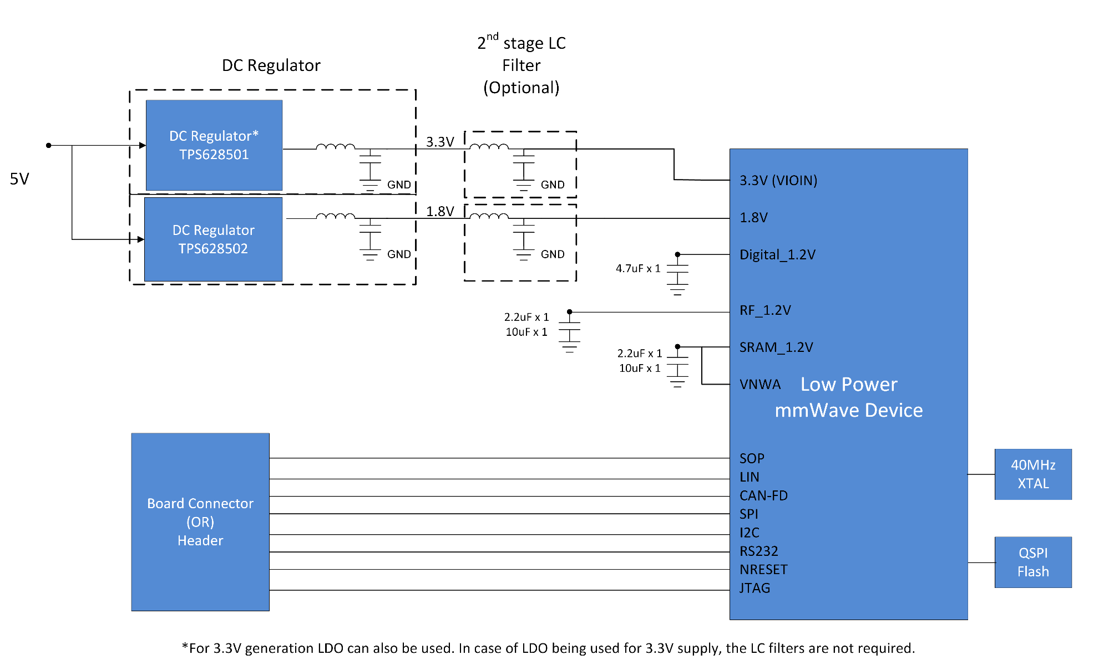
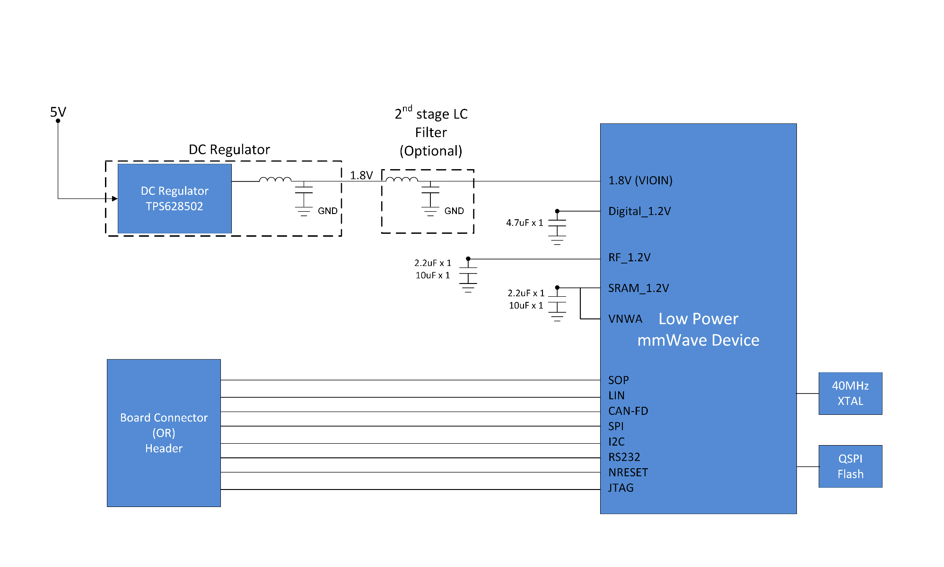

 |  | Fig. Two rail BOM optimized topology |  |  | Fig. Single rail BOM optimized topology

Note: Entries marked in RED are very critical for the xWRL6432AOP operation. Please contact TI E2E for any questions. |  |  |  |  | https://e2e.ti.com/
NOTE: All digital IO pins of the device (except NRESET) are non-failsafe; hence, care needs to be taken that they are not driven externally without the VIO supply being present to the device.
Domain | Items | Recommended Connection | Pin Associated | BOM Description | Comments | Customer Input ( Yes/No) | Questions ( if Any)
1.8V Power inputs | VIOIN_18 | Connect to 1.8V supply | B1, L1, L2 | one 2.2uF and one 10uF decap | Peak current of 1360 mA total on this rail if VIOIN is 3.3V. Peak current of 1450 mA total on this rail if VIOIN is 1.8V. For latest current, power supply and noise/ripple requirements on this supply refer to "Power supply specifications" section in the respective device data sheet
 | VIN_18PM | Connect to 1.8V supply | H7, H8
 | VIOIN_18CLK | Connect to 1.8V supply | D7
 | VDDA_18BB | Connect to 1.8V supply | M7, M8, M9, N10, N6, N7, N8, N9
 | VDDA_18VCO | Connect to 1.8V supply | F10, F9
IO supply input | VIOIN | Connect to 3.3V/1.8V | C1, J1 | one 2.2uF decap | 90 mA if VIOIN is 3.3V
1.2V Power outputs | VDD | Internal LDO Generated (Connect to decap) | K2 | 4.7uF decap | VDD, VDD_SRAM and VDDA_12RF have individual internal LDO output and should not be externally shorted.
 | VDDA_12RF | Internal LDO Generated (Connect to decap) | L10, L7, L8, L9 | one 2.2uF and one 10uF decap
 | VNWA | Internal LDO Generated (Connected to SRAM) | M2, N2 | NA
 | VDD_SRAM | Internal LDO Generated (Connect to decap) | M1 | one 2.2uF and one 10uF decap
Power outputs | VOUT_14SYNTH | Internal LDO Generated (Connect to decap) | F7 | 1uF decap
 | VOUT_14APLL | Internal LDO Generated (Connect to decap) | G8 | 1uF decap
 | VBGAP | Connect to decap | H10 | 47nF decap
 | VDDA_10RF | Internal LDO Generated (Connect to decap) | C7, K10, K7, K8, K9 | one 2.2uF and one 10uF decap
Reference clk | CLKP, CLKM | 1) 40MHz XTAL should be connected between the CLKP & CLKM lines 2) Connect 4.7pF shunt cap on each of the lines to achieve the Clk of the XTAL. 3) The value of the shunt cap may have to be adjusted based on XTAL part used and the PCB layout parasitic. | D10,B10 | 40MHz XTAL and 4.7pF shunt cap on each lines (value needs to be adjusted if there is any change in the PCB trace parasitic)
Digital signals | nRESET | Signal to be controlled by the host. Optional 10K pull up to VCC and 0.22uF shunt cap if power up with supply is indented | M3, M4 | 10K pulls | Please refer "Component Selection" sheet for more details.
 | I2C | 1) The I2C_SCL and I2C_SDA lines should have a 10K pullup to VIOIN. | F1,F4 |  | Only when the application processor enables the I2C peripheral.
 | SOP (Sense On Power) | 1) SOP0 : Pull to VCC/GND via 10K resister. 2) SOP1 : Pull to VCC/GND via 10K resister. (Depending upon SOP mode configuration) | E2, H3 | 10K pulls SOP[1.0]: 00 = Flashing Mode SOP[1.0]: 01 = Functional Mode SOP[1.0]: 11 = Debug Mode | Please refer to EVM schematic for SOP circuit and for different pinmuxing for the respective pins.
 | Host SPIA (Or SPIB) | 1) The SPI_CS and SPI_CLK lines should have a 10K pullup to VCC. 2) Optional series source termination resistance of 33ohms on SPI_CLK , SPI_MISO and SPI_MOSI lines. 3)HOST_INTR should have a 10K pullup to VCC. | SPIA: F1, E4, E3, F4 SPIB: Please refer to the PinMux Table | 10K pullup on CS line, 10K pullup on CLK line, 10K pullup on HOST_INTR | HOST_INTR signal is mandatory for SPI interface.
 | UARTB (RS232) | If not connected the host bring out on test points 1) 100K pullup to VCC on UART_RX 2) 100K pullup to VCC on UART_TX | G2, H4 | 100K pullup to VIO on both lines | Demo Interface (RS232 is a mandatory interface for Flashing the appimage) If onboard USB to UART converter (XDS110/CP2105) is not being used kindly use external launchpad or USB to UART converter
 | UARTA (Without QSPI Flash) | If not connected the host bring out on test points 1) 100K pullup to VIOIN on UARTA_RX 2) 100K pullup to VIOIN on UARTA_TX | J3, K3 | 100K pullup to VIOIN on both lines
 | QSPI for onboard serial flash(if used) | Connected to a compatible QSPI serial flash part 1) 10K pull up on QSPI_D2, 2) 10K pull up on QSPI_D3 3) 47.5K pull up on QSPI_CS These signals operate at 80 Mhz,. If the serial flash is placed far away (>4000mils) from the xWRL device 33ohms series maybe required on these lines(for large form factor boards) | C3, C4, B3, B4, D2, D3 | Onboard serial flash. Pullup resisters on QSPI_D2, QSPI_D3 and QSPI_CS lines | TRM: https://www.ti.com/lit/ug/swru599a/swru599a.pdf Please refer to Section 4 for User Application programming^
 | CAN-FD | The CAN-FD module supports both classic CAN and CAN FD (CAN with Flexible Data-Rate) specifications. For automotive communication interface. | J3, K3
 | JTAG | Bring out on test points for debug. | F3, F2, E2, G3 |  | XDS110 external emulators can be used for debug purpose along with Code Composer Studio (CCS)
ANA test lines | GPADC1 | Bring to test points for debug purpose | M10
VPP | VPP | The VPP pin should ONLY be connected and supplied with 1.7V, at the time of writing the Customer Keys in OTP effuse ROM. It should be left as NOT CONNECTED (NC) otherwise.” | A2, B2 |  | Refer to datasheet section : VPP Specifications for One-Time Programmable (OTP) eFuses
OSC_CLK_OUT | OSC_CLKOUT | Bring to test points for observing CLK center frequency to measure the APLL output. This can be used to measure the center frequency of the XTAL (ppm error). This frequency error needs to be corrected by adjusting the XTAL shunt caps | A8, B8
^NOTE: ROM bootloader application for loading serial flash image can be done over UART and SPI as well if QSPI Flash is not intended to be used. Kindly refer to Section 4.6.1 , 4.6.2 & 4.6.3 of the below TRM.
TRM: https://www.ti.com/lit/ug/swru599a/swru599a.pdf
For device booting over SPI please refer to MMWAVE_L_SDK from the path: \..\MMWAVE_L_SDK_X\docs\api_guide_xwrL64xx\EXAMPLES_DRIVERS_SPI_BOOTING.html | For device booting over SPI please refer to MMWAVE_L_SDK from the path: \..\MMWAVE_L_SDK_X\docs\api_guide_xwrL64xx\EXAMPLES_DRIVERS_SPI_BOOTING.html | For device booting over SPI please refer to MMWAVE_L_SDK from the path: \..\MMWAVE_L_SDK_X\docs\api_guide_xwrL64xx\EXAMPLES_DRIVERS_SPI_BOOTING.html | For device booting over SPI please refer to MMWAVE_L_SDK from the path: \..\MMWAVE_L_SDK_X\docs\api_guide_xwrL64xx\EXAMPLES_DRIVERS_SPI_BOOTING.html | For device booting over SPI please refer to MMWAVE_L_SDK from the path: \..\MMWAVE_L_SDK_X\docs\api_guide_xwrL64xx\EXAMPLES_DRIVERS_SPI_BOOTING.html | For device booting over SPI please refer to MMWAVE_L_SDK from the path: \..\MMWAVE_L_SDK_X\docs\api_guide_xwrL64xx\EXAMPLES_DRIVERS_SPI_BOOTING.html | For device booting over SPI please refer to MMWAVE_L_SDK from the path: \..\MMWAVE_L_SDK_X\docs\api_guide_xwrL64xx\EXAMPLES_DRIVERS_SPI_BOOTING.html | For device booting over SPI please refer to MMWAVE_L_SDK from the path: \..\MMWAVE_L_SDK_X\docs\api_guide_xwrL64xx\EXAMPLES_DRIVERS_SPI_BOOTING.html | For device booting over SPI please refer to MMWAVE_L_SDK from the path: \..\MMWAVE_L_SDK_X\docs\api_guide_xwrL64xx\EXAMPLES_DRIVERS_SPI_BOOTING.html | For device booting over SPI please refer to MMWAVE_L_SDK from the path: \..\MMWAVE_L_SDK_X\docs\api_guide_xwrL64xx\EXAMPLES_DRIVERS_SPI_BOOTING.html | For device booting over SPI please refer to MMWAVE_L_SDK from the path: \..\MMWAVE_L_SDK_X\docs\api_guide_xwrL64xx\EXAMPLES_DRIVERS_SPI_BOOTING.html | For device booting over SPI please refer to MMWAVE_L_SDK from the path: \..\MMWAVE_L_SDK_X\docs\api_guide_xwrL64xx\EXAMPLES_DRIVERS_SPI_BOOTING.html | For device booting over SPI please refer to MMWAVE_L_SDK from the path: \..\MMWAVE_L_SDK_X\docs\api_guide_xwrL64xx\EXAMPLES_DRIVERS_SPI_BOOTING.html | For device booting over SPI please refer to MMWAVE_L_SDK from the path: \..\MMWAVE_L_SDK_X\docs\api_guide_xwrL64xx\EXAMPLES_DRIVERS_SPI_BOOTING.html | For device booting over SPI please refer to MMWAVE_L_SDK from the path: \..\MMWAVE_L_SDK_X\docs\api_guide_xwrL64xx\EXAMPLES_DRIVERS_SPI_BOOTING.html | For device booting over SPI please refer to MMWAVE_L_SDK from the path: \..\MMWAVE_L_SDK_X\docs\api_guide_xwrL64xx\EXAMPLES_DRIVERS_SPI_BOOTING.html | For device booting over SPI please refer to MMWAVE_L_SDK from the path: \..\MMWAVE_L_SDK_X\docs\api_guide_xwrL64xx\EXAMPLES_DRIVERS_SPI_BOOTING.html | For device booting over SPI please refer to MMWAVE_L_SDK from the path: \..\MMWAVE_L_SDK_X\docs\api_guide_xwrL64xx\EXAMPLES_DRIVERS_SPI_BOOTING.html | For device booting over SPI please refer to MMWAVE_L_SDK from the path: \..\MMWAVE_L_SDK_X\docs\api_guide_xwrL64xx\EXAMPLES_DRIVERS_SPI_BOOTING.html | For device booting over SPI please refer to MMWAVE_L_SDK from the path: \..\MMWAVE_L_SDK_X\docs\api_guide_xwrL64xx\EXAMPLES_DRIVERS_SPI_BOOTING.html | For device booting over SPI please refer to MMWAVE_L_SDK from the path: \..\MMWAVE_L_SDK_X\docs\api_guide_xwrL64xx\EXAMPLES_DRIVERS_SPI_BOOTING.html | For device booting over SPI please refer to MMWAVE_L_SDK from the path: \..\MMWAVE_L_SDK_X\docs\api_guide_xwrL64xx\EXAMPLES_DRIVERS_SPI_BOOTING.html | For device booting over SPI please refer to MMWAVE_L_SDK from the path: \..\MMWAVE_L_SDK_X\docs\api_guide_xwrL64xx\EXAMPLES_DRIVERS_SPI_BOOTING.html | For device booting over SPI please refer to MMWAVE_L_SDK from the path: \..\MMWAVE_L_SDK_X\docs\api_guide_xwrL64xx\EXAMPLES_DRIVERS_SPI_BOOTING.html | For device booting over SPI please refer to MMWAVE_L_SDK from the path: \..\MMWAVE_L_SDK_X\docs\api_guide_xwrL64xx\EXAMPLES_DRIVERS_SPI_BOOTING.html | For device booting over SPI please refer to MMWAVE_L_SDK from the path: \..\MMWAVE_L_SDK_X\docs\api_guide_xwrL64xx\EXAMPLES_DRIVERS_SPI_BOOTING.html | For device booting over SPI please refer to MMWAVE_L_SDK from the path: \..\MMWAVE_L_SDK_X\docs\api_guide_xwrL64xx\EXAMPLES_DRIVERS_SPI_BOOTING.html | For device booting over SPI please refer to MMWAVE_L_SDK from the path: \..\MMWAVE_L_SDK_X\docs\api_guide_xwrL64xx\EXAMPLES_DRIVERS_SPI_BOOTING.html | For device booting over SPI please refer to MMWAVE_L_SDK from the path: \..\MMWAVE_L_SDK_X\docs\api_guide_xwrL64xx\EXAMPLES_DRIVERS_SPI_BOOTING.html | For device booting over SPI please refer to MMWAVE_L_SDK from the path: \..\MMWAVE_L_SDK_X\docs\api_guide_xwrL64xx\EXAMPLES_DRIVERS_SPI_BOOTING.html | For device booting over SPI please refer to MMWAVE_L_SDK from the path: \..\MMWAVE_L_SDK_X\docs\api_guide_xwrL64xx\EXAMPLES_DRIVERS_SPI_BOOTING.html | For device booting over SPI please refer to MMWAVE_L_SDK from the path: \..\MMWAVE_L_SDK_X\docs\api_guide_xwrL64xx\EXAMPLES_DRIVERS_SPI_BOOTING.html | For device booting over SPI please refer to MMWAVE_L_SDK from the path: \..\MMWAVE_L_SDK_X\docs\api_guide_xwrL64xx\EXAMPLES_DRIVERS_SPI_BOOTING.html | For device booting over SPI please refer to MMWAVE_L_SDK from the path: \..\MMWAVE_L_SDK_X\docs\api_guide_xwrL64xx\EXAMPLES_DRIVERS_SPI_BOOTING.html | For device booting over SPI please refer to MMWAVE_L_SDK from the path: \..\MMWAVE_L_SDK_X\docs\api_guide_xwrL64xx\EXAMPLES_DRIVERS_SPI_BOOTING.html | For device booting over SPI please refer to MMWAVE_L_SDK from the path: \..\MMWAVE_L_SDK_X\docs\api_guide_xwrL64xx\EXAMPLES_DRIVERS_SPI_BOOTING.html | For device booting over SPI please refer to MMWAVE_L_SDK from the path: \..\MMWAVE_L_SDK_X\docs\api_guide_xwrL64xx\EXAMPLES_DRIVERS_SPI_BOOTING.html | For device booting over SPI please refer to MMWAVE_L_SDK from the path: \..\MMWAVE_L_SDK_X\docs\api_guide_xwrL64xx\EXAMPLES_DRIVERS_SPI_BOOTING.html | For device booting over SPI please refer to MMWAVE_L_SDK from the path: \..\MMWAVE_L_SDK_X\docs\api_guide_xwrL64xx\EXAMPLES_DRIVERS_SPI_BOOTING.html | For device booting over SPI please refer to MMWAVE_L_SDK from the path: \..\MMWAVE_L_SDK_X\docs\api_guide_xwrL64xx\EXAMPLES_DRIVERS_SPI_BOOTING.html | For device booting over SPI please refer to MMWAVE_L_SDK from the path: \..\MMWAVE_L_SDK_X\docs\api_guide_xwrL64xx\EXAMPLES_DRIVERS_SPI_BOOTING.html | For device booting over SPI please refer to MMWAVE_L_SDK from the path: \..\MMWAVE_L_SDK_X\docs\api_guide_xwrL64xx\EXAMPLES_DRIVERS_SPI_BOOTING.html | For device booting over SPI please refer to MMWAVE_L_SDK from the path: \..\MMWAVE_L_SDK_X\docs\api_guide_xwrL64xx\EXAMPLES_DRIVERS_SPI_BOOTING.html | For device booting over SPI please refer to MMWAVE_L_SDK from the path: \..\MMWAVE_L_SDK_X\docs\api_guide_xwrL64xx\EXAMPLES_DRIVERS_SPI_BOOTING.html | For device booting over SPI please refer to MMWAVE_L_SDK from the path: \..\MMWAVE_L_SDK_X\docs\api_guide_xwrL64xx\EXAMPLES_DRIVERS_SPI_BOOTING.html | For device booting over SPI please refer to MMWAVE_L_SDK from the path: \..\MMWAVE_L_SDK_X\docs\api_guide_xwrL64xx\EXAMPLES_DRIVERS_SPI_BOOTING.html | For device booting over SPI please refer to MMWAVE_L_SDK from the path: \..\MMWAVE_L_SDK_X\docs\api_guide_xwrL64xx\EXAMPLES_DRIVERS_SPI_BOOTING.html | For device booting over SPI please refer to MMWAVE_L_SDK from the path: \..\MMWAVE_L_SDK_X\docs\api_guide_xwrL64xx\EXAMPLES_DRIVERS_SPI_BOOTING.html | For device booting over SPI please refer to MMWAVE_L_SDK from the path: \..\MMWAVE_L_SDK_X\docs\api_guide_xwrL64xx\EXAMPLES_DRIVERS_SPI_BOOTING.html | For device booting over SPI please refer to MMWAVE_L_SDK from the path: \..\MMWAVE_L_SDK_X\docs\api_guide_xwrL64xx\EXAMPLES_DRIVERS_SPI_BOOTING.html | For device booting over SPI please refer to MMWAVE_L_SDK from the path: \..\MMWAVE_L_SDK_X\docs\api_guide_xwrL64xx\EXAMPLES_DRIVERS_SPI_BOOTING.html | For device booting over SPI please refer to MMWAVE_L_SDK from the path: \..\MMWAVE_L_SDK_X\docs\api_guide_xwrL64xx\EXAMPLES_DRIVERS_SPI_BOOTING.html | For device booting over SPI please refer to MMWAVE_L_SDK from the path: \..\MMWAVE_L_SDK_X\docs\api_guide_xwrL64xx\EXAMPLES_DRIVERS_SPI_BOOTING.html | For device booting over SPI please refer to MMWAVE_L_SDK from the path: \..\MMWAVE_L_SDK_X\docs\api_guide_xwrL64xx\EXAMPLES_DRIVERS_SPI_BOOTING.html | For device booting over SPI please refer to MMWAVE_L_SDK from the path: \..\MMWAVE_L_SDK_X\docs\api_guide_xwrL64xx\EXAMPLES_DRIVERS_SPI_BOOTING.html | For device booting over SPI please refer to MMWAVE_L_SDK from the path: \..\MMWAVE_L_SDK_X\docs\api_guide_xwrL64xx\EXAMPLES_DRIVERS_SPI_BOOTING.html | For device booting over SPI please refer to MMWAVE_L_SDK from the path: \..\MMWAVE_L_SDK_X\docs\api_guide_xwrL64xx\EXAMPLES_DRIVERS_SPI_BOOTING.html | For device booting over SPI please refer to MMWAVE_L_SDK from the path: \..\MMWAVE_L_SDK_X\docs\api_guide_xwrL64xx\EXAMPLES_DRIVERS_SPI_BOOTING.html | For device booting over SPI please refer to MMWAVE_L_SDK from the path: \..\MMWAVE_L_SDK_X\docs\api_guide_xwrL64xx\EXAMPLES_DRIVERS_SPI_BOOTING.html | For device booting over SPI please refer to MMWAVE_L_SDK from the path: \..\MMWAVE_L_SDK_X\docs\api_guide_xwrL64xx\EXAMPLES_DRIVERS_SPI_BOOTING.html | For device booting over SPI please refer to MMWAVE_L_SDK from the path: \..\MMWAVE_L_SDK_X\docs\api_guide_xwrL64xx\EXAMPLES_DRIVERS_SPI_BOOTING.html | For device booting over SPI please refer to MMWAVE_L_SDK from the path: \..\MMWAVE_L_SDK_X\docs\api_guide_xwrL64xx\EXAMPLES_DRIVERS_SPI_BOOTING.html | For device booting over SPI please refer to MMWAVE_L_SDK from the path: \..\MMWAVE_L_SDK_X\docs\api_guide_xwrL64xx\EXAMPLES_DRIVERS_SPI_BOOTING.html | For device booting over SPI please refer to MMWAVE_L_SDK from the path: \..\MMWAVE_L_SDK_X\docs\api_guide_xwrL64xx\EXAMPLES_DRIVERS_SPI_BOOTING.html | For device booting over SPI please refer to MMWAVE_L_SDK from the path: \..\MMWAVE_L_SDK_X\docs\api_guide_xwrL64xx\EXAMPLES_DRIVERS_SPI_BOOTING.html | For device booting over SPI please refer to MMWAVE_L_SDK from the path: \..\MMWAVE_L_SDK_X\docs\api_guide_xwrL64xx\EXAMPLES_DRIVERS_SPI_BOOTING.html | For device booting over SPI please refer to MMWAVE_L_SDK from the path: \..\MMWAVE_L_SDK_X\docs\api_guide_xwrL64xx\EXAMPLES_DRIVERS_SPI_BOOTING.html | For device booting over SPI please refer to MMWAVE_L_SDK from the path: \..\MMWAVE_L_SDK_X\docs\api_guide_xwrL64xx\EXAMPLES_DRIVERS_SPI_BOOTING.html | For device booting over SPI please refer to MMWAVE_L_SDK from the path: \..\MMWAVE_L_SDK_X\docs\api_guide_xwrL64xx\EXAMPLES_DRIVERS_SPI_BOOTING.html | For device booting over SPI please refer to MMWAVE_L_SDK from the path: \..\MMWAVE_L_SDK_X\docs\api_guide_xwrL64xx\EXAMPLES_DRIVERS_SPI_BOOTING.html | For device booting over SPI please refer to MMWAVE_L_SDK from the path: \..\MMWAVE_L_SDK_X\docs\api_guide_xwrL64xx\EXAMPLES_DRIVERS_SPI_BOOTING.html | For device booting over SPI please refer to MMWAVE_L_SDK from the path: \..\MMWAVE_L_SDK_X\docs\api_guide_xwrL64xx\EXAMPLES_DRIVERS_SPI_BOOTING.html | For device booting over SPI please refer to MMWAVE_L_SDK from the path: \..\MMWAVE_L_SDK_X\docs\api_guide_xwrL64xx\EXAMPLES_DRIVERS_SPI_BOOTING.html | For device booting over SPI please refer to MMWAVE_L_SDK from the path: \..\MMWAVE_L_SDK_X\docs\api_guide_xwrL64xx\EXAMPLES_DRIVERS_SPI_BOOTING.html | For device booting over SPI please refer to MMWAVE_L_SDK from the path: \..\MMWAVE_L_SDK_X\docs\api_guide_xwrL64xx\EXAMPLES_DRIVERS_SPI_BOOTING.html | For device booting over SPI please refer to MMWAVE_L_SDK from the path: \..\MMWAVE_L_SDK_X\docs\api_guide_xwrL64xx\EXAMPLES_DRIVERS_SPI_BOOTING.html | For device booting over SPI please refer to MMWAVE_L_SDK from the path: \..\MMWAVE_L_SDK_X\docs\api_guide_xwrL64xx\EXAMPLES_DRIVERS_SPI_BOOTING.html | For device booting over SPI please refer to MMWAVE_L_SDK from the path: \..\MMWAVE_L_SDK_X\docs\api_guide_xwrL64xx\EXAMPLES_DRIVERS_SPI_BOOTING.html | For device booting over SPI please refer to MMWAVE_L_SDK from the path: \..\MMWAVE_L_SDK_X\docs\api_guide_xwrL64xx\EXAMPLES_DRIVERS_SPI_BOOTING.html | For device booting over SPI please refer to MMWAVE_L_SDK from the path: \..\MMWAVE_L_SDK_X\docs\api_guide_xwrL64xx\EXAMPLES_DRIVERS_SPI_BOOTING.html | For device booting over SPI please refer to MMWAVE_L_SDK from the path: \..\MMWAVE_L_SDK_X\docs\api_guide_xwrL64xx\EXAMPLES_DRIVERS_SPI_BOOTING.html | For device booting over SPI please refer to MMWAVE_L_SDK from the path: \..\MMWAVE_L_SDK_X\docs\api_guide_xwrL64xx\EXAMPLES_DRIVERS_SPI_BOOTING.html | For device booting over SPI please refer to MMWAVE_L_SDK from the path: \..\MMWAVE_L_SDK_X\docs\api_guide_xwrL64xx\EXAMPLES_DRIVERS_SPI_BOOTING.html | For device booting over SPI please refer to MMWAVE_L_SDK from the path: \..\MMWAVE_L_SDK_X\docs\api_guide_xwrL64xx\EXAMPLES_DRIVERS_SPI_BOOTING.html | For device booting over SPI please refer to MMWAVE_L_SDK from the path: \..\MMWAVE_L_SDK_X\docs\api_guide_xwrL64xx\EXAMPLES_DRIVERS_SPI_BOOTING.html | For device booting over SPI please refer to MMWAVE_L_SDK from the path: \..\MMWAVE_L_SDK_X\docs\api_guide_xwrL64xx\EXAMPLES_DRIVERS_SPI_BOOTING.html | For device booting over SPI please refer to MMWAVE_L_SDK from the path: \..\MMWAVE_L_SDK_X\docs\api_guide_xwrL64xx\EXAMPLES_DRIVERS_SPI_BOOTING.html | For device booting over SPI please refer to MMWAVE_L_SDK from the path: \..\MMWAVE_L_SDK_X\docs\api_guide_xwrL64xx\EXAMPLES_DRIVERS_SPI_BOOTING.html | For device booting over SPI please refer to MMWAVE_L_SDK from the path: \..\MMWAVE_L_SDK_X\docs\api_guide_xwrL64xx\EXAMPLES_DRIVERS_SPI_BOOTING.html | For device booting over SPI please refer to MMWAVE_L_SDK from the path: \..\MMWAVE_L_SDK_X\docs\api_guide_xwrL64xx\EXAMPLES_DRIVERS_SPI_BOOTING.html | For device booting over SPI please refer to MMWAVE_L_SDK from the path: \..\MMWAVE_L_SDK_X\docs\api_guide_xwrL64xx\EXAMPLES_DRIVERS_SPI_BOOTING.html | For device booting over SPI please refer to MMWAVE_L_SDK from the path: \..\MMWAVE_L_SDK_X\docs\api_guide_xwrL64xx\EXAMPLES_DRIVERS_SPI_BOOTING.html | For device booting over SPI please refer to MMWAVE_L_SDK from the path: \..\MMWAVE_L_SDK_X\docs\api_guide_xwrL64xx\EXAMPLES_DRIVERS_SPI_BOOTING.html | For device booting over SPI please refer to MMWAVE_L_SDK from the path: \..\MMWAVE_L_SDK_X\docs\api_guide_xwrL64xx\EXAMPLES_DRIVERS_SPI_BOOTING.html | For device booting over SPI please refer to MMWAVE_L_SDK from the path: \..\MMWAVE_L_SDK_X\docs\api_guide_xwrL64xx\EXAMPLES_DRIVERS_SPI_BOOTING.html | For device booting over SPI please refer to MMWAVE_L_SDK from the path: \..\MMWAVE_L_SDK_X\docs\api_guide_xwrL64xx\EXAMPLES_DRIVERS_SPI_BOOTING.html | For device booting over SPI please refer to MMWAVE_L_SDK from the path: \..\MMWAVE_L_SDK_X\docs\api_guide_xwrL64xx\EXAMPLES_DRIVERS_SPI_BOOTING.html | For device booting over SPI please refer to MMWAVE_L_SDK from the path: \..\MMWAVE_L_SDK_X\docs\api_guide_xwrL64xx\EXAMPLES_DRIVERS_SPI_BOOTING.html | For device booting over SPI please refer to MMWAVE_L_SDK from the path: \..\MMWAVE_L_SDK_X\docs\api_guide_xwrL64xx\EXAMPLES_DRIVERS_SPI_BOOTING.html | For device booting over SPI please refer to MMWAVE_L_SDK from the path: \..\MMWAVE_L_SDK_X\docs\api_guide_xwrL64xx\EXAMPLES_DRIVERS_SPI_BOOTING.html | For device booting over SPI please refer to MMWAVE_L_SDK from the path: \..\MMWAVE_L_SDK_X\docs\api_guide_xwrL64xx\EXAMPLES_DRIVERS_SPI_BOOTING.html | For device booting over SPI please refer to MMWAVE_L_SDK from the path: \..\MMWAVE_L_SDK_X\docs\api_guide_xwrL64xx\EXAMPLES_DRIVERS_SPI_BOOTING.html | For device booting over SPI please refer to MMWAVE_L_SDK from the path: \..\MMWAVE_L_SDK_X\docs\api_guide_xwrL64xx\EXAMPLES_DRIVERS_SPI_BOOTING.html | For device booting over SPI please refer to MMWAVE_L_SDK from the path: \..\MMWAVE_L_SDK_X\docs\api_guide_xwrL64xx\EXAMPLES_DRIVERS_SPI_BOOTING.html | For device booting over SPI please refer to MMWAVE_L_SDK from the path: \..\MMWAVE_L_SDK_X\docs\api_guide_xwrL64xx\EXAMPLES_DRIVERS_SPI_BOOTING.html | For device booting over SPI please refer to MMWAVE_L_SDK from the path: \..\MMWAVE_L_SDK_X\docs\api_guide_xwrL64xx\EXAMPLES_DRIVERS_SPI_BOOTING.html | For device booting over SPI please refer to MMWAVE_L_SDK from the path: \..\MMWAVE_L_SDK_X\docs\api_guide_xwrL64xx\EXAMPLES_DRIVERS_SPI_BOOTING.html | For device booting over SPI please refer to MMWAVE_L_SDK from the path: \..\MMWAVE_L_SDK_X\docs\api_guide_xwrL64xx\EXAMPLES_DRIVERS_SPI_BOOTING.html | For device booting over SPI please refer to MMWAVE_L_SDK from the path: \..\MMWAVE_L_SDK_X\docs\api_guide_xwrL64xx\EXAMPLES_DRIVERS_SPI_BOOTING.html | For device booting over SPI please refer to MMWAVE_L_SDK from the path: \..\MMWAVE_L_SDK_X\docs\api_guide_xwrL64xx\EXAMPLES_DRIVERS_SPI_BOOTING.html | For device booting over SPI please refer to MMWAVE_L_SDK from the path: \..\MMWAVE_L_SDK_X\docs\api_guide_xwrL64xx\EXAMPLES_DRIVERS_SPI_BOOTING.html | For device booting over SPI please refer to MMWAVE_L_SDK from the path: \..\MMWAVE_L_SDK_X\docs\api_guide_xwrL64xx\EXAMPLES_DRIVERS_SPI_BOOTING.html | For device booting over SPI please refer to MMWAVE_L_SDK from the path: \..\MMWAVE_L_SDK_X\docs\api_guide_xwrL64xx\EXAMPLES_DRIVERS_SPI_BOOTING.html | For device booting over SPI please refer to MMWAVE_L_SDK from the path: \..\MMWAVE_L_SDK_X\docs\api_guide_xwrL64xx\EXAMPLES_DRIVERS_SPI_BOOTING.html | For device booting over SPI please refer to MMWAVE_L_SDK from the path: \..\MMWAVE_L_SDK_X\docs\api_guide_xwrL64xx\EXAMPLES_DRIVERS_SPI_BOOTING.html | For device booting over SPI please refer to MMWAVE_L_SDK from the path: \..\MMWAVE_L_SDK_X\docs\api_guide_xwrL64xx\EXAMPLES_DRIVERS_SPI_BOOTING.html | For device booting over SPI please refer to MMWAVE_L_SDK from the path: \..\MMWAVE_L_SDK_X\docs\api_guide_xwrL64xx\EXAMPLES_DRIVERS_SPI_BOOTING.html | For device booting over SPI please refer to MMWAVE_L_SDK from the path: \..\MMWAVE_L_SDK_X\docs\api_guide_xwrL64xx\EXAMPLES_DRIVERS_SPI_BOOTING.html | For device booting over SPI please refer to MMWAVE_L_SDK from the path: \..\MMWAVE_L_SDK_X\docs\api_guide_xwrL64xx\EXAMPLES_DRIVERS_SPI_BOOTING.html | For device booting over SPI please refer to MMWAVE_L_SDK from the path: \..\MMWAVE_L_SDK_X\docs\api_guide_xwrL64xx\EXAMPLES_DRIVERS_SPI_BOOTING.html | For device booting over SPI please refer to MMWAVE_L_SDK from the path: \..\MMWAVE_L_SDK_X\docs\api_guide_xwrL64xx\EXAMPLES_DRIVERS_SPI_BOOTING.html | For device booting over SPI please refer to MMWAVE_L_SDK from the path: \..\MMWAVE_L_SDK_X\docs\api_guide_xwrL64xx\EXAMPLES_DRIVERS_SPI_BOOTING.html | For device booting over SPI please refer to MMWAVE_L_SDK from the path: \..\MMWAVE_L_SDK_X\docs\api_guide_xwrL64xx\EXAMPLES_DRIVERS_SPI_BOOTING.html | For device booting over SPI please refer to MMWAVE_L_SDK from the path: \..\MMWAVE_L_SDK_X\docs\api_guide_xwrL64xx\EXAMPLES_DRIVERS_SPI_BOOTING.html | For device booting over SPI please refer to MMWAVE_L_SDK from the path: \..\MMWAVE_L_SDK_X\docs\api_guide_xwrL64xx\EXAMPLES_DRIVERS_SPI_BOOTING.html | For device booting over SPI please refer to MMWAVE_L_SDK from the path: \..\MMWAVE_L_SDK_X\docs\api_guide_xwrL64xx\EXAMPLES_DRIVERS_SPI_BOOTING.html | For device booting over SPI please refer to MMWAVE_L_SDK from the path: \..\MMWAVE_L_SDK_X\docs\api_guide_xwrL64xx\EXAMPLES_DRIVERS_SPI_BOOTING.html | For device booting over SPI please refer to MMWAVE_L_SDK from the path: \..\MMWAVE_L_SDK_X\docs\api_guide_xwrL64xx\EXAMPLES_DRIVERS_SPI_BOOTING.html | For device booting over SPI please refer to MMWAVE_L_SDK from the path: \..\MMWAVE_L_SDK_X\docs\api_guide_xwrL64xx\EXAMPLES_DRIVERS_SPI_BOOTING.html | For device booting over SPI please refer to MMWAVE_L_SDK from the path: \..\MMWAVE_L_SDK_X\docs\api_guide_xwrL64xx\EXAMPLES_DRIVERS_SPI_BOOTING.html | For device booting over SPI please refer to MMWAVE_L_SDK from the path: \..\MMWAVE_L_SDK_X\docs\api_guide_xwrL64xx\EXAMPLES_DRIVERS_SPI_BOOTING.html | For device booting over SPI please refer to MMWAVE_L_SDK from the path: \..\MMWAVE_L_SDK_X\docs\api_guide_xwrL64xx\EXAMPLES_DRIVERS_SPI_BOOTING.html | For device booting over SPI please refer to MMWAVE_L_SDK from the path: \..\MMWAVE_L_SDK_X\docs\api_guide_xwrL64xx\EXAMPLES_DRIVERS_SPI_BOOTING.html | For device booting over SPI please refer to MMWAVE_L_SDK from the path: \..\MMWAVE_L_SDK_X\docs\api_guide_xwrL64xx\EXAMPLES_DRIVERS_SPI_BOOTING.html | For device booting over SPI please refer to MMWAVE_L_SDK from the path: \..\MMWAVE_L_SDK_X\docs\api_guide_xwrL64xx\EXAMPLES_DRIVERS_SPI_BOOTING.html | For device booting over SPI please refer to MMWAVE_L_SDK from the path: \..\MMWAVE_L_SDK_X\docs\api_guide_xwrL64xx\EXAMPLES_DRIVERS_SPI_BOOTING.html | For device booting over SPI please refer to MMWAVE_L_SDK from the path: \..\MMWAVE_L_SDK_X\docs\api_guide_xwrL64xx\EXAMPLES_DRIVERS_SPI_BOOTING.html | For device booting over SPI please refer to MMWAVE_L_SDK from the path: \..\MMWAVE_L_SDK_X\docs\api_guide_xwrL64xx\EXAMPLES_DRIVERS_SPI_BOOTING.html | For device booting over SPI please refer to MMWAVE_L_SDK from the path: \..\MMWAVE_L_SDK_X\docs\api_guide_xwrL64xx\EXAMPLES_DRIVERS_SPI_BOOTING.html | For device booting over SPI please refer to MMWAVE_L_SDK from the path: \..\MMWAVE_L_SDK_X\docs\api_guide_xwrL64xx\EXAMPLES_DRIVERS_SPI_BOOTING.html | For device booting over SPI please refer to MMWAVE_L_SDK from the path: \..\MMWAVE_L_SDK_X\docs\api_guide_xwrL64xx\EXAMPLES_DRIVERS_SPI_BOOTING.html | For device booting over SPI please refer to MMWAVE_L_SDK from the path: \..\MMWAVE_L_SDK_X\docs\api_guide_xwrL64xx\EXAMPLES_DRIVERS_SPI_BOOTING.html | For device booting over SPI please refer to MMWAVE_L_SDK from the path: \..\MMWAVE_L_SDK_X\docs\api_guide_xwrL64xx\EXAMPLES_DRIVERS_SPI_BOOTING.html | For device booting over SPI please refer to MMWAVE_L_SDK from the path: \..\MMWAVE_L_SDK_X\docs\api_guide_xwrL64xx\EXAMPLES_DRIVERS_SPI_BOOTING.html | For device booting over SPI please refer to MMWAVE_L_SDK from the path: \..\MMWAVE_L_SDK_X\docs\api_guide_xwrL64xx\EXAMPLES_DRIVERS_SPI_BOOTING.html | For device booting over SPI please refer to MMWAVE_L_SDK from the path: \..\MMWAVE_L_SDK_X\docs\api_guide_xwrL64xx\EXAMPLES_DRIVERS_SPI_BOOTING.html | For device booting over SPI please refer to MMWAVE_L_SDK from the path: \..\MMWAVE_L_SDK_X\docs\api_guide_xwrL64xx\EXAMPLES_DRIVERS_SPI_BOOTING.html | For device booting over SPI please refer to MMWAVE_L_SDK from the path: \..\MMWAVE_L_SDK_X\docs\api_guide_xwrL64xx\EXAMPLES_DRIVERS_SPI_BOOTING.html | For device booting over SPI please refer to MMWAVE_L_SDK from the path: \..\MMWAVE_L_SDK_X\docs\api_guide_xwrL64xx\EXAMPLES_DRIVERS_SPI_BOOTING.html | For device booting over SPI please refer to MMWAVE_L_SDK from the path: \..\MMWAVE_L_SDK_X\docs\api_guide_xwrL64xx\EXAMPLES_DRIVERS_SPI_BOOTING.html | For device booting over SPI please refer to MMWAVE_L_SDK from the path: \..\MMWAVE_L_SDK_X\docs\api_guide_xwrL64xx\EXAMPLES_DRIVERS_SPI_BOOTING.html | For device booting over SPI please refer to MMWAVE_L_SDK from the path: \..\MMWAVE_L_SDK_X\docs\api_guide_xwrL64xx\EXAMPLES_DRIVERS_SPI_BOOTING.html | For device booting over SPI please refer to MMWAVE_L_SDK from the path: \..\MMWAVE_L_SDK_X\docs\api_guide_xwrL64xx\EXAMPLES_DRIVERS_SPI_BOOTING.html | For device booting over SPI please refer to MMWAVE_L_SDK from the path: \..\MMWAVE_L_SDK_X\docs\api_guide_xwrL64xx\EXAMPLES_DRIVERS_SPI_BOOTING.html | For device booting over SPI please refer to MMWAVE_L_SDK from the path: \..\MMWAVE_L_SDK_X\docs\api_guide_xwrL64xx\EXAMPLES_DRIVERS_SPI_BOOTING.html | For device booting over SPI please refer to MMWAVE_L_SDK from the path: \..\MMWAVE_L_SDK_X\docs\api_guide_xwrL64xx\EXAMPLES_DRIVERS_SPI_BOOTING.html | For device booting over SPI please refer to MMWAVE_L_SDK from the path: \..\MMWAVE_L_SDK_X\docs\api_guide_xwrL64xx\EXAMPLES_DRIVERS_SPI_BOOTING.html | For device booting over SPI please refer to MMWAVE_L_SDK from the path: \..\MMWAVE_L_SDK_X\docs\api_guide_xwrL64xx\EXAMPLES_DRIVERS_SPI_BOOTING.html | For device booting over SPI please refer to MMWAVE_L_SDK from the path: \..\MMWAVE_L_SDK_X\docs\api_guide_xwrL64xx\EXAMPLES_DRIVERS_SPI_BOOTING.html | For device booting over SPI please refer to MMWAVE_L_SDK from the path: \..\MMWAVE_L_SDK_X\docs\api_guide_xwrL64xx\EXAMPLES_DRIVERS_SPI_BOOTING.html | For device booting over SPI please refer to MMWAVE_L_SDK from the path: \..\MMWAVE_L_SDK_X\docs\api_guide_xwrL64xx\EXAMPLES_DRIVERS_SPI_BOOTING.html | For device booting over SPI please refer to MMWAVE_L_SDK from the path: \..\MMWAVE_L_SDK_X\docs\api_guide_xwrL64xx\EXAMPLES_DRIVERS_SPI_BOOTING.html | For device booting over SPI please refer to MMWAVE_L_SDK from the path: \..\MMWAVE_L_SDK_X\docs\api_guide_xwrL64xx\EXAMPLES_DRIVERS_SPI_BOOTING.html | For device booting over SPI please refer to MMWAVE_L_SDK from the path: \..\MMWAVE_L_SDK_X\docs\api_guide_xwrL64xx\EXAMPLES_DRIVERS_SPI_BOOTING.html | For device booting over SPI please refer to MMWAVE_L_SDK from the path: \..\MMWAVE_L_SDK_X\docs\api_guide_xwrL64xx\EXAMPLES_DRIVERS_SPI_BOOTING.html | For device booting over SPI please refer to MMWAVE_L_SDK from the path: \..\MMWAVE_L_SDK_X\docs\api_guide_xwrL64xx\EXAMPLES_DRIVERS_SPI_BOOTING.html | For device booting over SPI please refer to MMWAVE_L_SDK from the path: \..\MMWAVE_L_SDK_X\docs\api_guide_xwrL64xx\EXAMPLES_DRIVERS_SPI_BOOTING.html | For device booting over SPI please refer to MMWAVE_L_SDK from the path: \..\MMWAVE_L_SDK_X\docs\api_guide_xwrL64xx\EXAMPLES_DRIVERS_SPI_BOOTING.html | For device booting over SPI please refer to MMWAVE_L_SDK from the path: \..\MMWAVE_L_SDK_X\docs\api_guide_xwrL64xx\EXAMPLES_DRIVERS_SPI_BOOTING.html | For device booting over SPI please refer to MMWAVE_L_SDK from the path: \..\MMWAVE_L_SDK_X\docs\api_guide_xwrL64xx\EXAMPLES_DRIVERS_SPI_BOOTING.html | For device booting over SPI please refer to MMWAVE_L_SDK from the path: \..\MMWAVE_L_SDK_X\docs\api_guide_xwrL64xx\EXAMPLES_DRIVERS_SPI_BOOTING.html | For device booting over SPI please refer to MMWAVE_L_SDK from the path: \..\MMWAVE_L_SDK_X\docs\api_guide_xwrL64xx\EXAMPLES_DRIVERS_SPI_BOOTING.html | For device booting over SPI please refer to MMWAVE_L_SDK from the path: \..\MMWAVE_L_SDK_X\docs\api_guide_xwrL64xx\EXAMPLES_DRIVERS_SPI_BOOTING.html | For device booting over SPI please refer to MMWAVE_L_SDK from the path: \..\MMWAVE_L_SDK_X\docs\api_guide_xwrL64xx\EXAMPLES_DRIVERS_SPI_BOOTING.html | For device booting over SPI please refer to MMWAVE_L_SDK from the path: \..\MMWAVE_L_SDK_X\docs\api_guide_xwrL64xx\EXAMPLES_DRIVERS_SPI_BOOTING.html | For device booting over SPI please refer to MMWAVE_L_SDK from the path: \..\MMWAVE_L_SDK_X\docs\api_guide_xwrL64xx\EXAMPLES_DRIVERS_SPI_BOOTING.html | For device booting over SPI please refer to MMWAVE_L_SDK from the path: \..\MMWAVE_L_SDK_X\docs\api_guide_xwrL64xx\EXAMPLES_DRIVERS_SPI_BOOTING.html | For device booting over SPI please refer to MMWAVE_L_SDK from the path: \..\MMWAVE_L_SDK_X\docs\api_guide_xwrL64xx\EXAMPLES_DRIVERS_SPI_BOOTING.html | For device booting over SPI please refer to MMWAVE_L_SDK from the path: \..\MMWAVE_L_SDK_X\docs\api_guide_xwrL64xx\EXAMPLES_DRIVERS_SPI_BOOTING.html | For device booting over SPI please refer to MMWAVE_L_SDK from the path: \..\MMWAVE_L_SDK_X\docs\api_guide_xwrL64xx\EXAMPLES_DRIVERS_SPI_BOOTING.html | For device booting over SPI please refer to MMWAVE_L_SDK from the path: \..\MMWAVE_L_SDK_X\docs\api_guide_xwrL64xx\EXAMPLES_DRIVERS_SPI_BOOTING.html | For device booting over SPI please refer to MMWAVE_L_SDK from the path: \..\MMWAVE_L_SDK_X\docs\api_guide_xwrL64xx\EXAMPLES_DRIVERS_SPI_BOOTING.html | For device booting over SPI please refer to MMWAVE_L_SDK from the path: \..\MMWAVE_L_SDK_X\docs\api_guide_xwrL64xx\EXAMPLES_DRIVERS_SPI_BOOTING.html | For device booting over SPI please refer to MMWAVE_L_SDK from the path: \..\MMWAVE_L_SDK_X\docs\api_guide_xwrL64xx\EXAMPLES_DRIVERS_SPI_BOOTING.html | For device booting over SPI please refer to MMWAVE_L_SDK from the path: \..\MMWAVE_L_SDK_X\docs\api_guide_xwrL64xx\EXAMPLES_DRIVERS_SPI_BOOTING.html | For device booting over SPI please refer to MMWAVE_L_SDK from the path: \..\MMWAVE_L_SDK_X\docs\api_guide_xwrL64xx\EXAMPLES_DRIVERS_SPI_BOOTING.html | For device booting over SPI please refer to MMWAVE_L_SDK from the path: \..\MMWAVE_L_SDK_X\docs\api_guide_xwrL64xx\EXAMPLES_DRIVERS_SPI_BOOTING.html | For device booting over SPI please refer to MMWAVE_L_SDK from the path: \..\MMWAVE_L_SDK_X\docs\api_guide_xwrL64xx\EXAMPLES_DRIVERS_SPI_BOOTING.html | For device booting over SPI please refer to MMWAVE_L_SDK from the path: \..\MMWAVE_L_SDK_X\docs\api_guide_xwrL64xx\EXAMPLES_DRIVERS_SPI_BOOTING.html | For device booting over SPI please refer to MMWAVE_L_SDK from the path: \..\MMWAVE_L_SDK_X\docs\api_guide_xwrL64xx\EXAMPLES_DRIVERS_SPI_BOOTING.html | For device booting over SPI please refer to MMWAVE_L_SDK from the path: \..\MMWAVE_L_SDK_X\docs\api_guide_xwrL64xx\EXAMPLES_DRIVERS_SPI_BOOTING.html | For device booting over SPI please refer to MMWAVE_L_SDK from the path: \..\MMWAVE_L_SDK_X\docs\api_guide_xwrL64xx\EXAMPLES_DRIVERS_SPI_BOOTING.html | For device booting over SPI please refer to MMWAVE_L_SDK from the path: \..\MMWAVE_L_SDK_X\docs\api_guide_xwrL64xx\EXAMPLES_DRIVERS_SPI_BOOTING.html | For device booting over SPI please refer to MMWAVE_L_SDK from the path: \..\MMWAVE_L_SDK_X\docs\api_guide_xwrL64xx\EXAMPLES_DRIVERS_SPI_BOOTING.html | For device booting over SPI please refer to MMWAVE_L_SDK from the path: \..\MMWAVE_L_SDK_X\docs\api_guide_xwrL64xx\EXAMPLES_DRIVERS_SPI_BOOTING.html | For device booting over SPI please refer to MMWAVE_L_SDK from the path: \..\MMWAVE_L_SDK_X\docs\api_guide_xwrL64xx\EXAMPLES_DRIVERS_SPI_BOOTING.html | For device booting over SPI please refer to MMWAVE_L_SDK from the path: \..\MMWAVE_L_SDK_X\docs\api_guide_xwrL64xx\EXAMPLES_DRIVERS_SPI_BOOTING.html | For device booting over SPI please refer to MMWAVE_L_SDK from the path: \..\MMWAVE_L_SDK_X\docs\api_guide_xwrL64xx\EXAMPLES_DRIVERS_SPI_BOOTING.html | For device booting over SPI please refer to MMWAVE_L_SDK from the path: \..\MMWAVE_L_SDK_X\docs\api_guide_xwrL64xx\EXAMPLES_DRIVERS_SPI_BOOTING.html | For device booting over SPI please refer to MMWAVE_L_SDK from the path: \..\MMWAVE_L_SDK_X\docs\api_guide_xwrL64xx\EXAMPLES_DRIVERS_SPI_BOOTING.html | For device booting over SPI please refer to MMWAVE_L_SDK from the path: \..\MMWAVE_L_SDK_X\docs\api_guide_xwrL64xx\EXAMPLES_DRIVERS_SPI_BOOTING.html | For device booting over SPI please refer to MMWAVE_L_SDK from the path: \..\MMWAVE_L_SDK_X\docs\api_guide_xwrL64xx\EXAMPLES_DRIVERS_SPI_BOOTING.html | For device booting over SPI please refer to MMWAVE_L_SDK from the path: \..\MMWAVE_L_SDK_X\docs\api_guide_xwrL64xx\EXAMPLES_DRIVERS_SPI_BOOTING.html | For device booting over SPI please refer to MMWAVE_L_SDK from the path: \..\MMWAVE_L_SDK_X\docs\api_guide_xwrL64xx\EXAMPLES_DRIVERS_SPI_BOOTING.html | For device booting over SPI please refer to MMWAVE_L_SDK from the path: \..\MMWAVE_L_SDK_X\docs\api_guide_xwrL64xx\EXAMPLES_DRIVERS_SPI_BOOTING.html | For device booting over SPI please refer to MMWAVE_L_SDK from the path: \..\MMWAVE_L_SDK_X\docs\api_guide_xwrL64xx\EXAMPLES_DRIVERS_SPI_BOOTING.html | For device booting over SPI please refer to MMWAVE_L_SDK from the path: \..\MMWAVE_L_SDK_X\docs\api_guide_xwrL64xx\EXAMPLES_DRIVERS_SPI_BOOTING.html | For device booting over SPI please refer to MMWAVE_L_SDK from the path: \..\MMWAVE_L_SDK_X\docs\api_guide_xwrL64xx\EXAMPLES_DRIVERS_SPI_BOOTING.html | For device booting over SPI please refer to MMWAVE_L_SDK from the path: \..\MMWAVE_L_SDK_X\docs\api_guide_xwrL64xx\EXAMPLES_DRIVERS_SPI_BOOTING.html | For device booting over SPI please refer to MMWAVE_L_SDK from the path: \..\MMWAVE_L_SDK_X\docs\api_guide_xwrL64xx\EXAMPLES_DRIVERS_SPI_BOOTING.html | For device booting over SPI please refer to MMWAVE_L_SDK from the path: \..\MMWAVE_L_SDK_X\docs\api_guide_xwrL64xx\EXAMPLES_DRIVERS_SPI_BOOTING.html | For device booting over SPI please refer to MMWAVE_L_SDK from the path: \..\MMWAVE_L_SDK_X\docs\api_guide_xwrL64xx\EXAMPLES_DRIVERS_SPI_BOOTING.html | For device booting over SPI please refer to MMWAVE_L_SDK from the path: \..\MMWAVE_L_SDK_X\docs\api_guide_xwrL64xx\EXAMPLES_DRIVERS_SPI_BOOTING.html | For device booting over SPI please refer to MMWAVE_L_SDK from the path: \..\MMWAVE_L_SDK_X\docs\api_guide_xwrL64xx\EXAMPLES_DRIVERS_SPI_BOOTING.html | For device booting over SPI please refer to MMWAVE_L_SDK from the path: \..\MMWAVE_L_SDK_X\docs\api_guide_xwrL64xx\EXAMPLES_DRIVERS_SPI_BOOTING.html | For device booting over SPI please refer to MMWAVE_L_SDK from the path: \..\MMWAVE_L_SDK_X\docs\api_guide_xwrL64xx\EXAMPLES_DRIVERS_SPI_BOOTING.html | For device booting over SPI please refer to MMWAVE_L_SDK from the path: \..\MMWAVE_L_SDK_X\docs\api_guide_xwrL64xx\EXAMPLES_DRIVERS_SPI_BOOTING.html | For device booting over SPI please refer to MMWAVE_L_SDK from the path: \..\MMWAVE_L_SDK_X\docs\api_guide_xwrL64xx\EXAMPLES_DRIVERS_SPI_BOOTING.html | For device booting over SPI please refer to MMWAVE_L_SDK from the path: \..\MMWAVE_L_SDK_X\docs\api_guide_xwrL64xx\EXAMPLES_DRIVERS_SPI_BOOTING.html | For device booting over SPI please refer to MMWAVE_L_SDK from the path: \..\MMWAVE_L_SDK_X\docs\api_guide_xwrL64xx\EXAMPLES_DRIVERS_SPI_BOOTING.html | For device booting over SPI please refer to MMWAVE_L_SDK from the path: \..\MMWAVE_L_SDK_X\docs\api_guide_xwrL64xx\EXAMPLES_DRIVERS_SPI_BOOTING.html | For device booting over SPI please refer to MMWAVE_L_SDK from the path: \..\MMWAVE_L_SDK_X\docs\api_guide_xwrL64xx\EXAMPLES_DRIVERS_SPI_BOOTING.html | For device booting over SPI please refer to MMWAVE_L_SDK from the path: \..\MMWAVE_L_SDK_X\docs\api_guide_xwrL64xx\EXAMPLES_DRIVERS_SPI_BOOTING.html | For device booting over SPI please refer to MMWAVE_L_SDK from the path: \..\MMWAVE_L_SDK_X\docs\api_guide_xwrL64xx\EXAMPLES_DRIVERS_SPI_BOOTING.html | For device booting over SPI please refer to MMWAVE_L_SDK from the path: \..\MMWAVE_L_SDK_X\docs\api_guide_xwrL64xx\EXAMPLES_DRIVERS_SPI_BOOTING.html | For device booting over SPI please refer to MMWAVE_L_SDK from the path: \..\MMWAVE_L_SDK_X\docs\api_guide_xwrL64xx\EXAMPLES_DRIVERS_SPI_BOOTING.html | For device booting over SPI please refer to MMWAVE_L_SDK from the path: \..\MMWAVE_L_SDK_X\docs\api_guide_xwrL64xx\EXAMPLES_DRIVERS_SPI_BOOTING.html | For device booting over SPI please refer to MMWAVE_L_SDK from the path: \..\MMWAVE_L_SDK_X\docs\api_guide_xwrL64xx\EXAMPLES_DRIVERS_SPI_BOOTING.html | For device booting over SPI please refer to MMWAVE_L_SDK from the path: \..\MMWAVE_L_SDK_X\docs\api_guide_xwrL64xx\EXAMPLES_DRIVERS_SPI_BOOTING.html | For device booting over SPI please refer to MMWAVE_L_SDK from the path: \..\MMWAVE_L_SDK_X\docs\api_guide_xwrL64xx\EXAMPLES_DRIVERS_SPI_BOOTING.html | For device booting over SPI please refer to MMWAVE_L_SDK from the path: \..\MMWAVE_L_SDK_X\docs\api_guide_xwrL64xx\EXAMPLES_DRIVERS_SPI_BOOTING.html | For device booting over SPI please refer to MMWAVE_L_SDK from the path: \..\MMWAVE_L_SDK_X\docs\api_guide_xwrL64xx\EXAMPLES_DRIVERS_SPI_BOOTING.html | For device booting over SPI please refer to MMWAVE_L_SDK from the path: \..\MMWAVE_L_SDK_X\docs\api_guide_xwrL64xx\EXAMPLES_DRIVERS_SPI_BOOTING.html | For device booting over SPI please refer to MMWAVE_L_SDK from the path: \..\MMWAVE_L_SDK_X\docs\api_guide_xwrL64xx\EXAMPLES_DRIVERS_SPI_BOOTING.html | For device booting over SPI please refer to MMWAVE_L_SDK from the path: \..\MMWAVE_L_SDK_X\docs\api_guide_xwrL64xx\EXAMPLES_DRIVERS_SPI_BOOTING.html | For device booting over SPI please refer to MMWAVE_L_SDK from the path: \..\MMWAVE_L_SDK_X\docs\api_guide_xwrL64xx\EXAMPLES_DRIVERS_SPI_BOOTING.html | For device booting over SPI please refer to MMWAVE_L_SDK from the path: \..\MMWAVE_L_SDK_X\docs\api_guide_xwrL64xx\EXAMPLES_DRIVERS_SPI_BOOTING.html | For device booting over SPI please refer to MMWAVE_L_SDK from the path: \..\MMWAVE_L_SDK_X\docs\api_guide_xwrL64xx\EXAMPLES_DRIVERS_SPI_BOOTING.html | For device booting over SPI please refer to MMWAVE_L_SDK from the path: \..\MMWAVE_L_SDK_X\docs\api_guide_xwrL64xx\EXAMPLES_DRIVERS_SPI_BOOTING.html | For device booting over SPI please refer to MMWAVE_L_SDK from the path: \..\MMWAVE_L_SDK_X\docs\api_guide_xwrL64xx\EXAMPLES_DRIVERS_SPI_BOOTING.html | For device booting over SPI please refer to MMWAVE_L_SDK from the path: \..\MMWAVE_L_SDK_X\docs\api_guide_xwrL64xx\EXAMPLES_DRIVERS_SPI_BOOTING.html | For device booting over SPI please refer to MMWAVE_L_SDK from the path: \..\MMWAVE_L_SDK_X\docs\api_guide_xwrL64xx\EXAMPLES_DRIVERS_SPI_BOOTING.html | For device booting over SPI please refer to MMWAVE_L_SDK from the path: \..\MMWAVE_L_SDK_X\docs\api_guide_xwrL64xx\EXAMPLES_DRIVERS_SPI_BOOTING.html | For device booting over SPI please refer to MMWAVE_L_SDK from the path: \..\MMWAVE_L_SDK_X\docs\api_guide_xwrL64xx\EXAMPLES_DRIVERS_SPI_BOOTING.html | For device booting over SPI please refer to MMWAVE_L_SDK from the path: \..\MMWAVE_L_SDK_X\docs\api_guide_xwrL64xx\EXAMPLES_DRIVERS_SPI_BOOTING.html | For device booting over SPI please refer to MMWAVE_L_SDK from the path: \..\MMWAVE_L_SDK_X\docs\api_guide_xwrL64xx\EXAMPLES_DRIVERS_SPI_BOOTING.html | For device booting over SPI please refer to MMWAVE_L_SDK from the path: \..\MMWAVE_L_SDK_X\docs\api_guide_xwrL64xx\EXAMPLES_DRIVERS_SPI_BOOTING.html | For device booting over SPI please refer to MMWAVE_L_SDK from the path: \..\MMWAVE_L_SDK_X\docs\api_guide_xwrL64xx\EXAMPLES_DRIVERS_SPI_BOOTING.html | For device booting over SPI please refer to MMWAVE_L_SDK from the path: \..\MMWAVE_L_SDK_X\docs\api_guide_xwrL64xx\EXAMPLES_DRIVERS_SPI_BOOTING.html | For device booting over SPI please refer to MMWAVE_L_SDK from the path: \..\MMWAVE_L_SDK_X\docs\api_guide_xwrL64xx\EXAMPLES_DRIVERS_SPI_BOOTING.html | For device booting over SPI please refer to MMWAVE_L_SDK from the path: \..\MMWAVE_L_SDK_X\docs\api_guide_xwrL64xx\EXAMPLES_DRIVERS_SPI_BOOTING.html | For device booting over SPI please refer to MMWAVE_L_SDK from the path: \..\MMWAVE_L_SDK_X\docs\api_guide_xwrL64xx\EXAMPLES_DRIVERS_SPI_BOOTING.html | For device booting over SPI please refer to MMWAVE_L_SDK from the path: \..\MMWAVE_L_SDK_X\docs\api_guide_xwrL64xx\EXAMPLES_DRIVERS_SPI_BOOTING.html | For device booting over SPI please refer to MMWAVE_L_SDK from the path: \..\MMWAVE_L_SDK_X\docs\api_guide_xwrL64xx\EXAMPLES_DRIVERS_SPI_BOOTING.html | For device booting over SPI please refer to MMWAVE_L_SDK from the path: \..\MMWAVE_L_SDK_X\docs\api_guide_xwrL64xx\EXAMPLES_DRIVERS_SPI_BOOTING.html | For device booting over SPI please refer to MMWAVE_L_SDK from the path: \..\MMWAVE_L_SDK_X\docs\api_guide_xwrL64xx\EXAMPLES_DRIVERS_SPI_BOOTING.html

*NOTE: This is to help decide the on board power sources. For latest current, power numbers and noise/ripple requirements on this supply refer to respective device data sheet

 |  | MANDATORY PULL UP/ PULL DOWN

 |  | The below I/O interface needs to be pulled up to VIOIN (3.3V or 1.8V) or pulled down to GND as recommended below.

HW & SW Bringup Guidelines
HW & SW Bringup Guidelines

Debug-Test General steps

Purpose: This basic guideline is meant to help with testing the xWRL6432AOP power supply, peripherals, and RF components during bring up of a new board. |  | Production testing app note: | https://www.ti.com/lit/an/spracx7/spracx7.pdf
The prerequisite is mentioned below, along with the 4 test types.

Test1 | Blank board, checks for ground connections, and power supply to GND, power supply to power in shorts
Test2 | Assembled board inspection, and DC power to ground check for short circuit
Test3 | Supply and device power up check
Test4 | RF tests (for PC Connection)
Test5 | Software Test (for PC Connection)

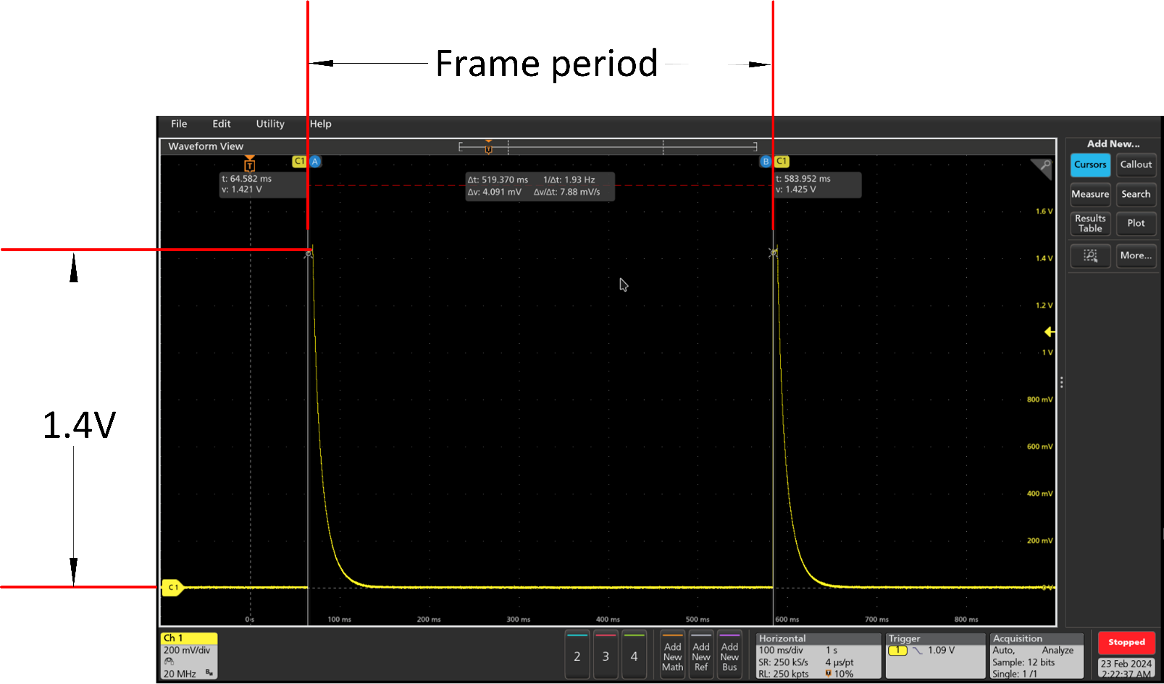
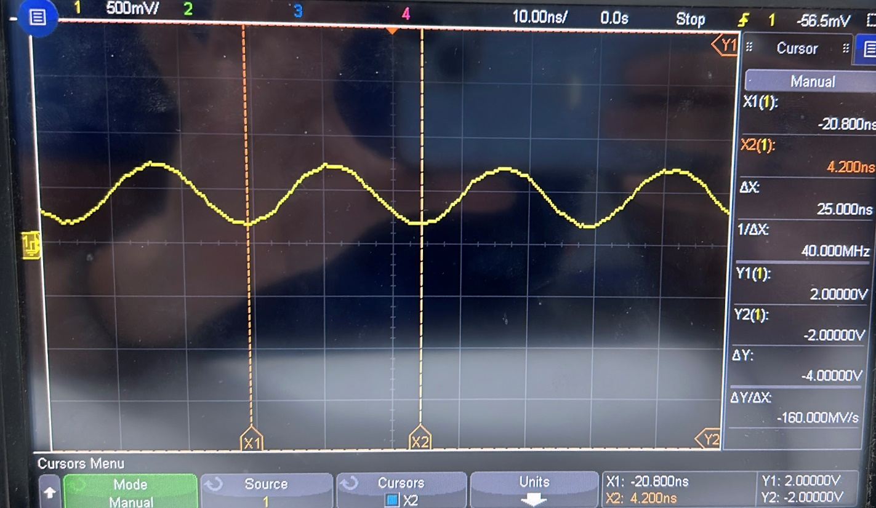
NOTE: | In case of BOM Optimized topology; the 1.2V supply shall be internally generated. And 1.2V supply DC-DC converter (corresponding tests) are not required.
NOTE: | In case of 1.8V I/O supply (VIOIN = 1.8V); the below 3.3V supply (corresponding tests) are not required.
NOTE: | All the power supplies should be within the 5% tolerance limit. Please refer to Recommended Opertaing Conditions section of the datasheet.
Suggested Test Sequence | What is tested / Test Condition | Measurement or Expected Response | Comments
T1-1 | Blank board ; customer test for VSS to VSSA shorted together | < .2 ohm
T1-2 | Blank board ; customer test for GND distribution between the various PM chips, like DC-DC Converter GND , LDO GND etc. | < .2 ohm
T1-3 | Blank board ; customer test for DC Power to GND short, 1.2V, 1.8V, 3.3V power to GND | > 10k ohm

T2-1 | Assembled Board, not powered ON - visual inspection | Proper orientation, other visual tests
T2-2 | Assembled Board, not powered ON - electrical; 1.2V, 1.2V RF, 1.8V, 3.3V, DC input supply to GND. Measure the impedances between the supply outputs and GND. | > 10KOhm after capacitor charging
T2-3 | Assembled Board, not powered ON - electrical; 1.2V, 1.2V RF 1.8V, 3.3V, DC input supply to supply short. Measure the impedances between the supply outputs.

T3-1 | Assembled Board with an external supply current limited, turn on the DC input power; Check DC input supply, with EN connected to GND | Measure DC DC converter input, value, ripple/noise.
T3-2 | Assembled Board, DC input applied, EN is kept high while keeping xWRL6432AOP device NRESET low; Check DC out of DC-DC converter 1.2v, 1.8v, 3.3v are within 2.5% of set point, use oscilloscope measure ripple, noise | Measure DC-DC converter output set point, ripple and noise
T3-3 | Assembled Board, DC off to DC on, EN is kept high while releasing xWRL6432AOP device NRESET after ensuring power good(PGOOD). Check xWRL6432AOP power rails 1.2v, 1.8v, 3.3v, record set point voltage | Multichannel oscilloscope check power ramp; input to DC Regulator, NRESET to xWRL6432AOP, and power rail voltages
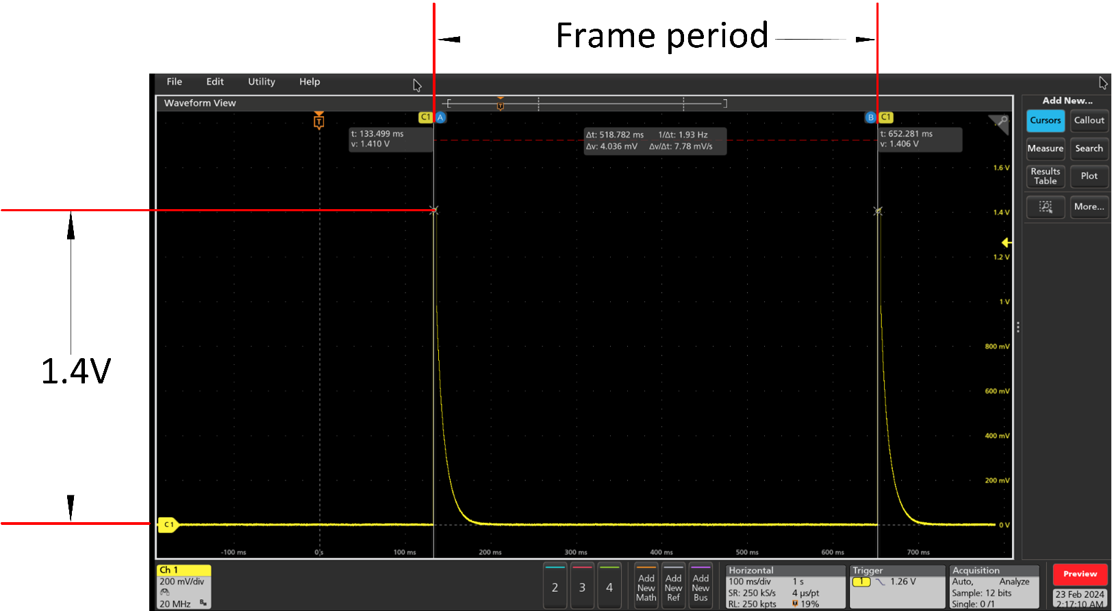
T3-4 | Power up the xWRL device in SOP mode 2(Functional mode) ; measure the VBGAP voltage | Make sure the VBGAP voltage is ~0.9V |  |  | APLL waveform while chirping with low power mode ON |  |  | XTAL Waveform
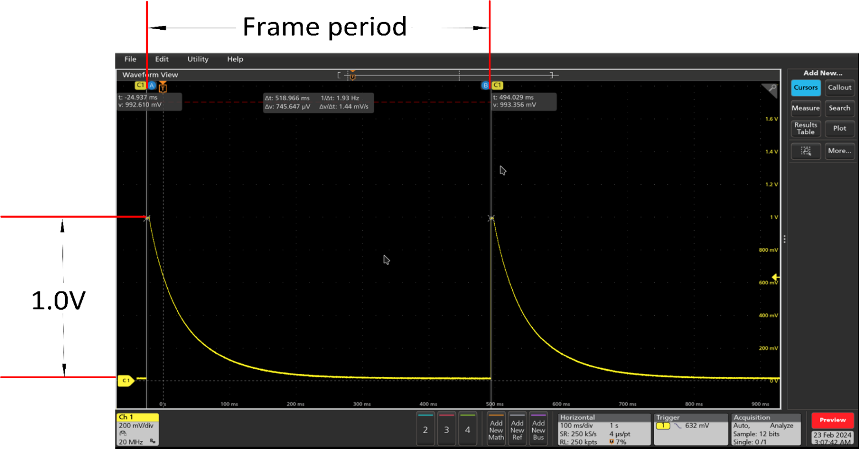
T3-5 | Power up the xWRL device in SOP mode 2(Functional mode) ; measure the clock frequency on the CLKM pin. High capacitance probe should not be used to measure/probe the CLKM pin as it could load the XTAL. | The frequency should be 40Mhz | Click here to view waveforms of XTAL
T3-6 | Power up the xWRL device - check SOP-0,1 with xWRL6432 - release NRESET The power and SOP lines should be stable before the NRESET release. Refer to the datasheet to check the timing constraints. | Measure SOP pin voltage levels. Check whether the voltage levels are proper before asserting NRESET
T3-7 | Power up the radar device in SOP mode 1 (Flashing). Flash the demo application (persence and motion detection appimage file); Power up the radar device in SOP mode 2 (Functional); Using CLI commands (.config file) configure the device with the desired chirp and frame configuration in mmWave Visualizer for "RF Initialisation"; Measure the voltages on the "VOUT_14APLL" and "VOUT_14SYNTH" pins with Low Power Mode Off. With low power mode on both pins will change their state in accordance with the chirping parameters. (The waveforms are shown beside the table) | "VOUT_APLL" in flashing mode will be at 0V. The voltages on both the pins in functional mode should be ~1.4V VOUT_14APLL and VOUT_14SYNTH remains at 1.4V during the active chirping time and after that goes down to 0V as shown in the plots. | Click here to view waveforms of APLL and SYNTH
T3-8 | Power up the radar device in SOP mode 2 (Functional); Using CLI commands(.config file) configure the device with the desired chirp and frame configuration in mmWave Visualizer; Start the chirping with infinite number of frames ; Measure the voltage on the "RADAR_1V_RF_OUT" pin | "VOUT_APLL" in flashing mode will be at 0V. The voltages on both the pins in functional mode should be ~1.4V VOUT_14APLL and VOUT_14SYNTH remains at 1.4V during the active chirping time and after that goes down to 0V as shown in the plots. | Click here to view waveform of RADAR_1V_RF_OUT and RADAR_1P2_RF

T4-1^ | Using mmWave Visualizer tool or host processor application enable chirping using 2Tx, 2Rx (or as applicable based on the use case customer application) using CLI commands to run Out of Box Demo, Observe the objected detected in the GUI. | It outputs a point cloud that can be fed to a tracker to observe motion and presence detection.
T4-2*^ | Using mmWave Studio tool or host processor application enable chirping using 2Tx, 2Rx (or as applicable based on the use case), capture the raw ADC data through high speed debug interface. Post process the data to observe the motion detection plot, 3D and 2D scatter plots and the range profile with a known object present. | Check xWRL6432 voltage rails, for operating voltage set point, and noise. If device related spurs need to be observed, this test needs to be done in an anechoic chamber.
*The testing of transmitter and receiver can also be done through mmWave studio tool. Load the device via studio up to the "RF Init" API and configure the device with the desired chirp and frame configuration to observe the FFT peaks and measure noise levels. |  |  |  |  |  |  |  |  | 1V RF waveform while chirping
^ Kindly refer to "Transmitter Back Off and Receiver Gain Recommendation for xWRL6432AOP" SWRA820 appnote for correct TX BackOff and RX Gain setting for optimal radar operations |  |  |  | SYNTH waveform while chirping with low power mode ON

 | Software Bring Up to run Out of Box Demo (Debug Steps) |  |  |  |  | NOTE: For higher refresh rate and/or higher duty cycle the voltage level for 1V RF might not go down to 0V. A capacitive discharge waveform is expected for this signal.
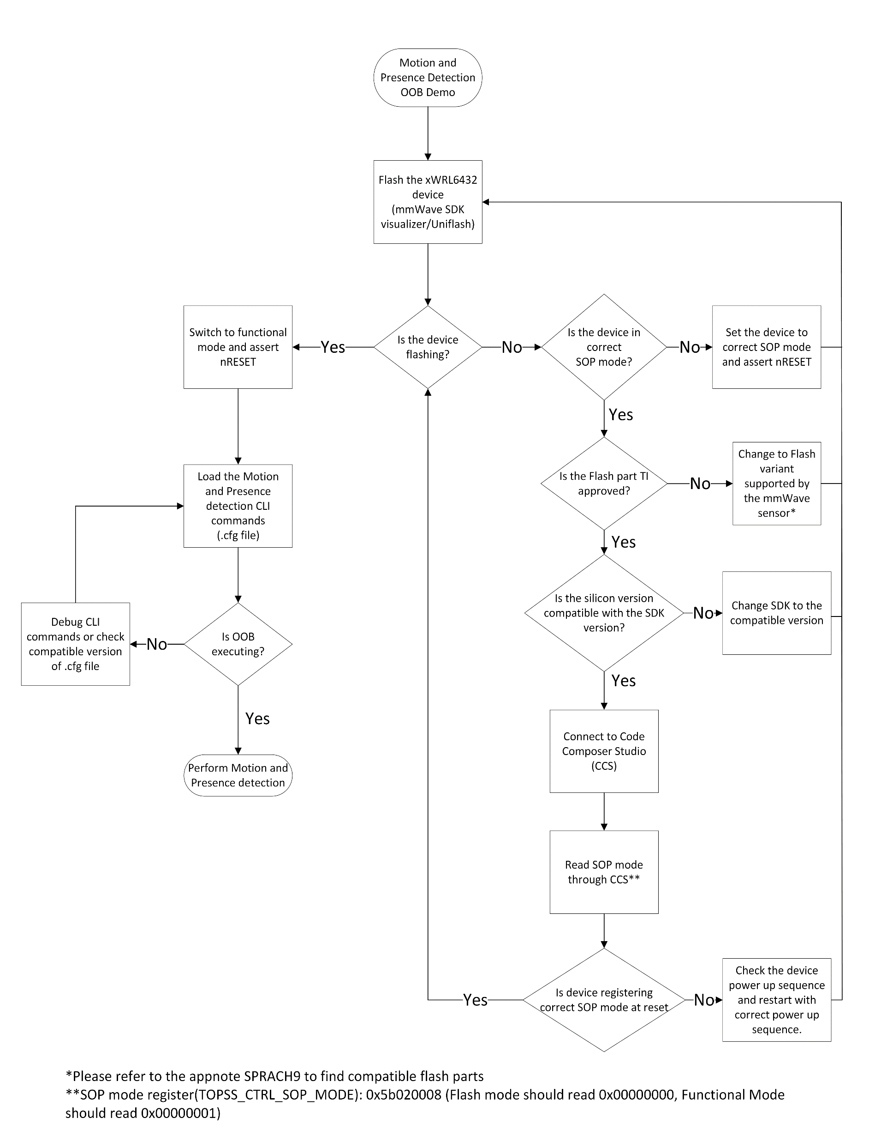
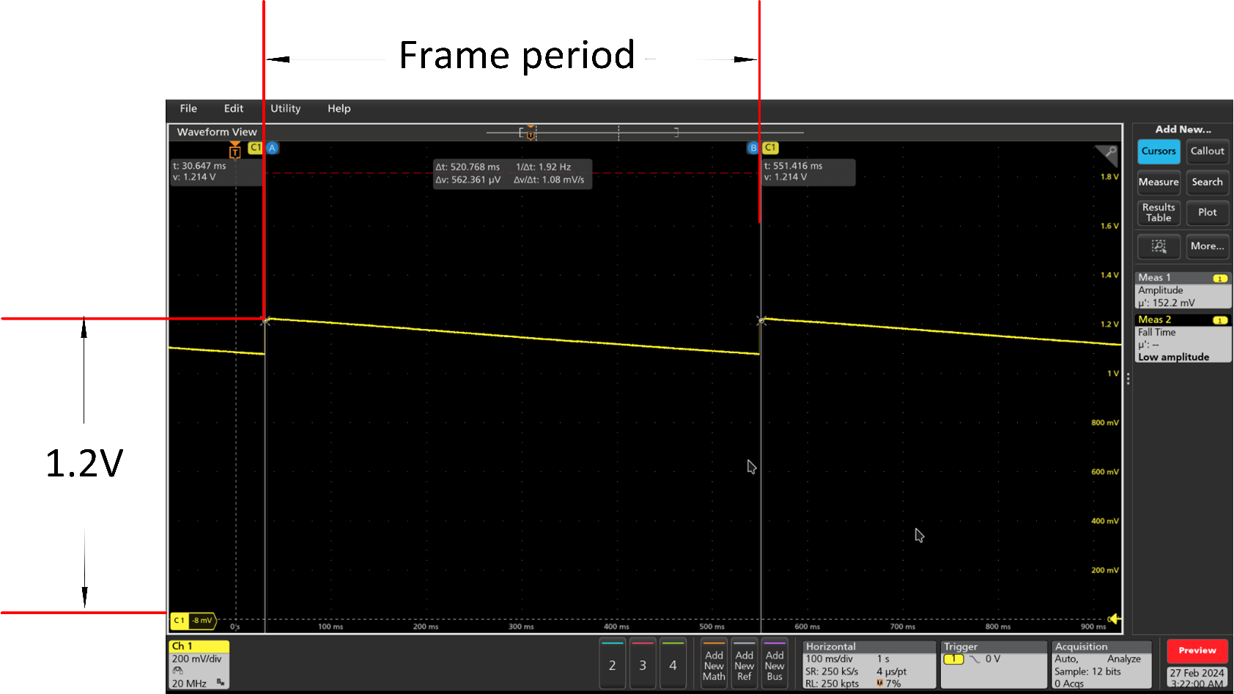
 |  | SOP[1.0]: 00 = Flashing Mode SOP[1.0]: 01 = Functional Mode SOP[1.0]: 11 = Debug Mode

 |  | Power Up Sequence

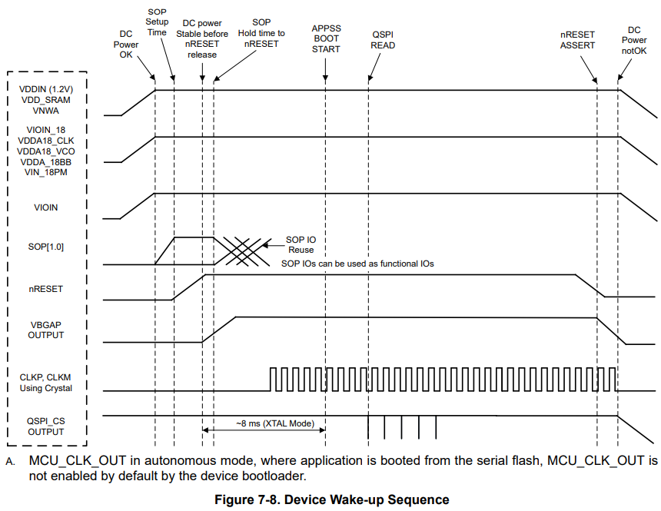
 |  |  |  |  |  |  |  |  |  | 1.2V RF waveform while chirping
 |  |  |  |  |  |  | NOTE: Depending on refresh rate and/or duty cycle the voltage level for 1.2V RF might drop to any voltage level up to 0V. A slow discharge waveform is expected for this signal.

 |  | NOTE: All digital IO pins of the device (except NRESET) are non-failsafe; hence, care needs to be taken that they are not driven externally without the VIO supply being present to the device.

T5-1 | Put the device in Flashing mode (SOP1 = 0; SOP0 = 0). Toggle nReset. Using Uniflash, or mmWave L SDK Visualizer, Flash the motion and presence detection demo binary image to the xWRL6432 device. If not sucessful, see T5-1.1 - T5-1.5. | "[SUCCESS] Program Load completed successfully." or "Flash was successful"
T5-1.1 | Confirm the correct serial port is used. Serial port will be enumerated in device manager.
T5-1.2 | Check if another application is holding the serial port open and preventing Uniflash/Visualizer from connecting. (Ex: Tera Term, Putty, etc..)
T5-1.3 | Confirm that selected flash part for the mmWave sensor is TI approved. See appnote SPRACH9E for supported devices.
T5-1.4 | Confirm that the device is in Flashing mode. SOP1 = 0; SOP0 = 0.
T5-1.5 | Confirm that the device is registering SOP mode correctly at reset. Connect to the device in Code Composer Studio and read the SOP mode register (TOPSS_CTRL_SOP_MODE = 0x5b020008 ) | For Flashing mode, this register should read 0x00000000
T5-2 | Put the device in Functional mode (SOP1 = 1; SOP0 = 0). Toggle nReset. Using the mmWave L SDK Visualizer, Configure the device by sending CLI commands. ("Send Config to Device"). If not successful, see T5-2.1 - T5-2.4. | Console displays the configuration commands which are sent to the Device. Output data (point cloud, range profile, etc...) is visible in the plots section of the visualizer
T5-2.1 | Confirm the correct serial port and baudrate are used. Baudrate should be 115200 baud/s for the motion and presence detection demo.*
T5-2.2 | Check if another application is holding the serial port open and preventing Visualizer from connecting. (Ex: Tera Term, Putty, Uniflash etc..)
T5-2.3 | Confirm the configuration is valid. | The device should not return any error after an individual CLI command or after the 'sensorStart' command is sent.
T5-2.4 | Run the demo while connected to the device in CCS with symbols loaded. Check if execution is hanging somewhere in the code.

*NOTE: 115200 baud/s is the maximum supported standard baud rate. Maximum supported custom baud rate is 1250000 baud/s.
CAUTION: If an external launchpad/ USB to UART converter is being used, please try swaping RX and TX connection if the device is not flashing.

mmWave Studio Interface
mmWave Studio Interface

If the sensor board needs to be interfaced to the mmWave Studio tool and analyze ADC data capture using the DCA1000, following provisions need to be provided. For use with the DCA1000 only the 60-pin connector for DCA1000 connector is required.
*Differential LVDS driver is required to convert the CMOS raw data to LVDS signals being fed to the DCA1000 EVM in xWRL6432AOPEVM

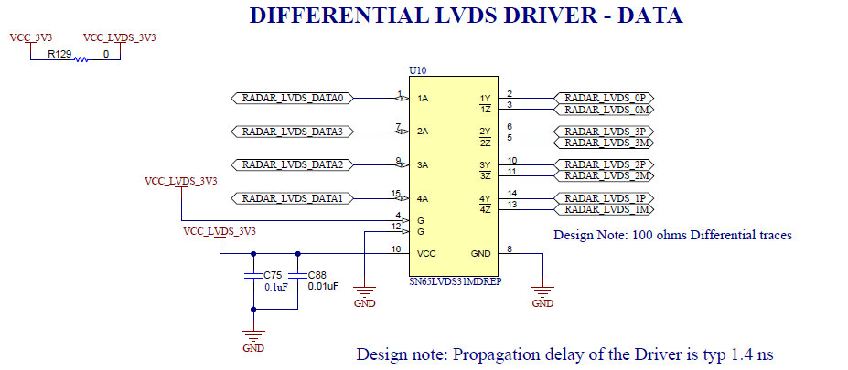
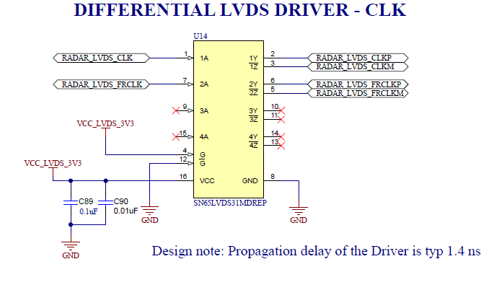

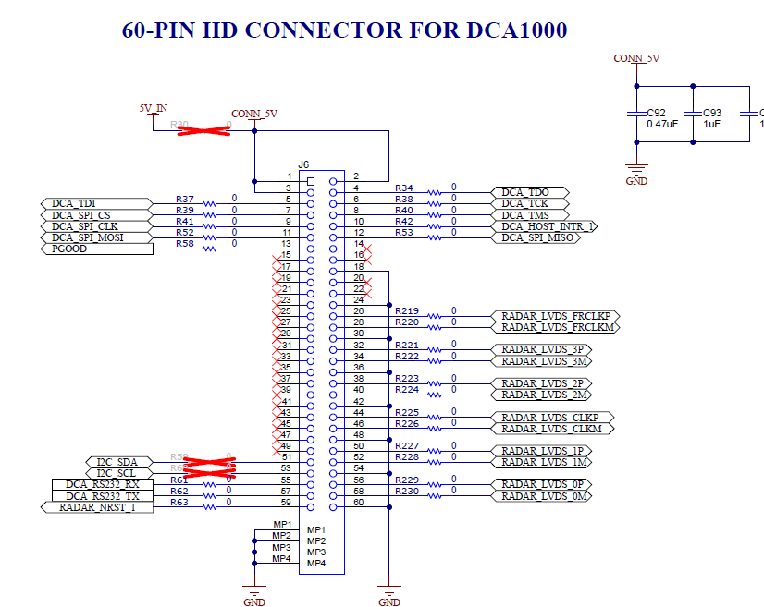
Signals Required (on 60Pin HD Connector for DCA1000) | Connection | Connection on DCA100
RADAR_LVDS_FRCLKP | Connect to HOST_CLK_REQ pin of the xWRL device | J6, pin 26
RADAR_LVDS_FRCLKM | Connect to HOST_CLK_REQ pin of the xWRL device | J6, pin 28
RADAR_LVDS_3P | Connect to ERROR_OUT pin of the xWRL device | J6, pin 32
RADAR_LVDS_3M | Connect to ERROR_OUT pin of the xWRL device | J6, pin 34
RADAR_LVDS_2P | Connect to UARTA_TX pin of the xWRL device | J6, pin 38
RADAR_LVDS_2M | Connect to UARTA_TX pin of the xWRL device | J6, pin 40
RADAR_LVDS_CLKP | Connect to UARTA_RTS pin of the xWRL device | J6, pin 44
RADAR_LVDS_CLKM | Connect to UARTA_RTS pin of the xWRL device | J6, pin 46
RADAR_LVDS_1P | Connect to UARTA_RX pin of the xWRL device | J6, pin 50
RADAR_LVDS_1M | Connect to UARTA_RX pin of the xWRL device | J6, pin 52
RADAR_LVDS_0P | Connect to GPIO_2 pin of the xWRL device | J6, pin 56
RADAR_LVDS_0M | Connect to GPIO_2 pin of the xWRL device | J6, pin 58
DCA_LP_SPI_CS | Connect to SPIA_cs0 of the xWRL device | J6, pin 7
DCA_LP_SPI_CLK | Connect to SPIA_CLK of the xWRL device | J6, pin 9
DCA_LP_SPI_MOSI | Connect to SPIA_MOSI of the xWRL device | J6, pin 11
DCA_LP_SPI_MISO | Connect to SPIA_MISO of the xWRL device | J6, pin 12
PGOOD | Connect to IO supply of the xWRL device | J6, pin 13
DCA_LP_SPI_HOST_INTR | Connect to GPIO_5 of the xWRL device | J6, pin 10
RADAR_NRST_1 | Connect to RESET of the xWRL device | J6, pin 59
DCA_RS232_RX | Connect to RS232_RX of the xWRL device | J6, pin 55
DCA_RS232_TX | Connect to RS232_TX of the xWRL device | J6, pin 57
DCA_TDI | Connect to TDI of the xWRL device | J6, pin 37
DCA_TCK | Connect to TCK of the xWRL device | J6, pin 38
DCA_TDO | Connect to TDO_SOP0 of the xWRL device | J6, pin 34
DCA_TMS | Connect to TMS of the xWRL device | J6, pin 40

Layout Guidline -PowerOptimized
Layout guidelines for PCB built for xWRL6432AOP board (Power optimized)
Layout reference files: | https://www.ti.com/lit/zip/sprr497
Radome Appnote: | https://www.ti.com/lit/an/swra705/swra705.pdf
PCB Stackup
The stack up used on the xWRL6432AOPEVM is shown below.

Layer1 | Power and signal routing
Layer2 | Solid GND layer
Layer3 | Digital signal routing + GND
Layer4 | Power and signal routing

Power management
The supply routing from DC Regulator output to the xWRL device should have a DC resistance of <=50mohms to reduce IR drop on the 3.3V, 1.8V, and 1.2V supplies . All the vias and the series components on the
path should also be accounted for the DCR and they should be able to handle >1A current. The analog supplies are the primary source of external noise coupling on to the analog subsystem. Special care needs to be taken to make
sure that the supplies are properly isolated to prevent noise from external signals from coupling onto the supply. It is recommended to keep at least 20 mils of isolation wherever possible on the radar supplies to minimize the risk of noise
coupling to the supplies. It is also recommended to manufacture the board such that any vias that are placed within a supply plane should not have any metal (no anti-pad) on the supply plane layer.

In addition to minimizing the DC IR drop and crosstalk, it is also important to meet the target impedance of the supplies across frequency. It is recommended to keep the target impedance to <20mOhm from DC up to at least 2x the DC regulator switching frequency for supply planes.
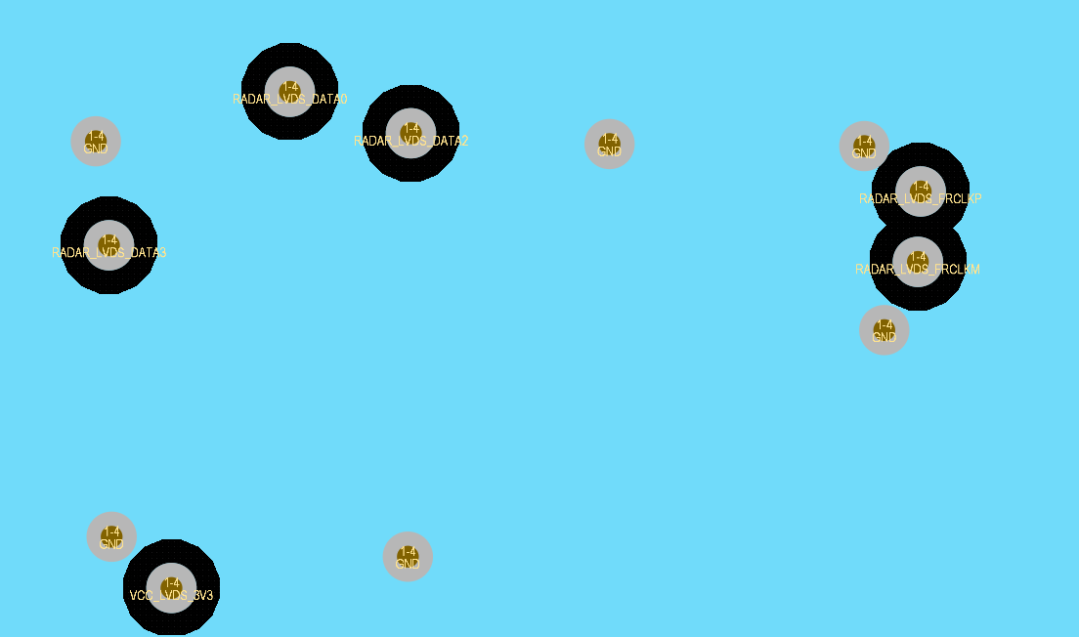
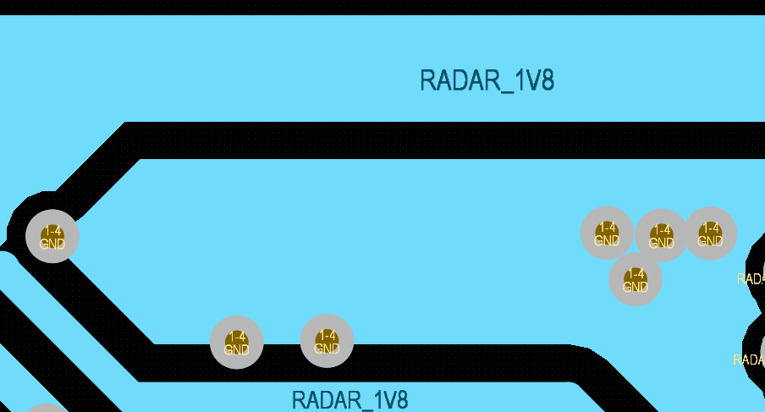

Supply planes should have >= 20 mils of seperation from
all other supplies/signals/GND (wherever possible)

The PCB should be manufactured such that any vias that are placed within
a supply plane should not have any metal (i.e no via pad) on the supply
plane layer

The supply vias are a sensitive point that is susceptible to noise coupling, keep at least 20 mils of separation between supply vias and other signals/supplies.
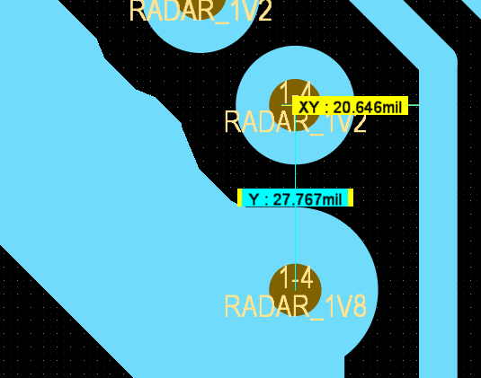

Supply routing should have >= 20 mils of seperation from
all other supplies/signals/vias (wherever possible)

1.8V supply domain

 | Decap placement | The decaps on the 1.8V BB, CLK, VCO pins should be as close to the xWRL device as possible for effective decoupling. The 1.8V supply traces to the VCO and CLK pins are taken from separate vias to reduce the coupling between them
 | The GND vias should connect directly to the xWRL GND layer and should be placed near the capacitor GND pins. If possible, the GND via should be manufactured so that it is only connected to the dedicated ground layers.
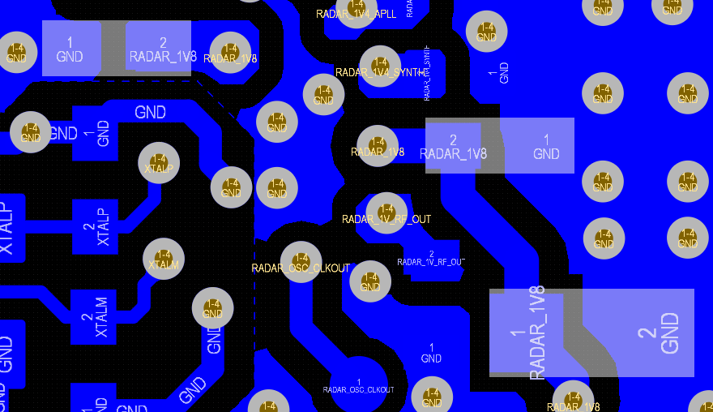
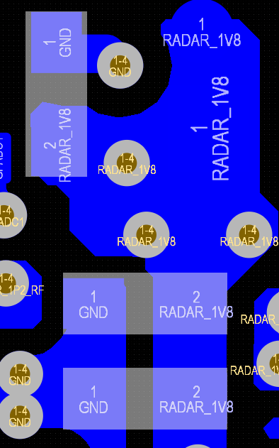
Decap on 1.8V VCO

All caps should have nearby via to connect directly to xWRL GND layer.
It is recommended to have shortest ground return path to reduce trace parasitic.
Short GND return path

Decap on 1.8V BB

Decap on 1.8V CLK

Short GND return path

1.2V supply domain | The supply routing from DC regulator output to the xWRL device should have a resistance of <30mohms to reduce IR drop. The trace width and vias on the path should also be accounted for and they should be able to handle >2A current

 | Decap placement | the decaps on the VDD pins should be as close to the xWRL device as possible
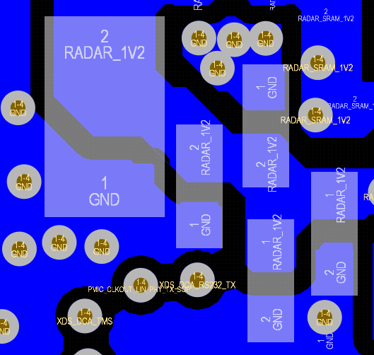
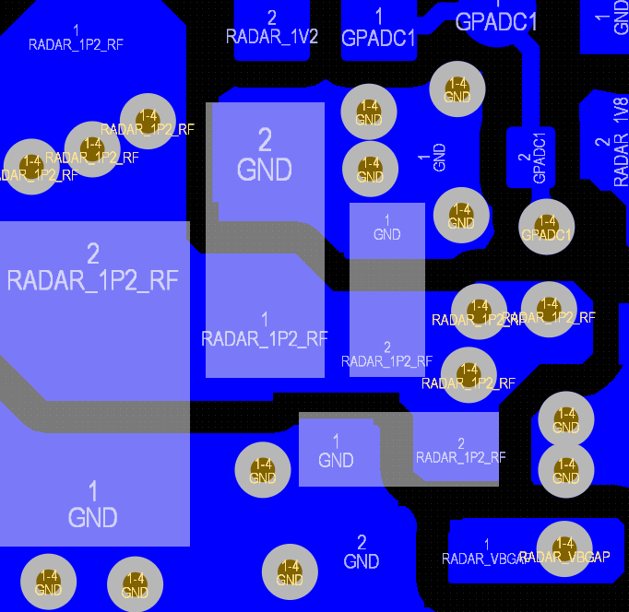

Decaps on VDD pins
Decaps on VDDA_12RF pins. Please refer to Datasheet for peak current
requirement for 1.2V RF. The trace width of 1.2VRF supply should be greater than 20mils.

Short GND return path

Short GND return path

VOUT_14SYNTH output decap | The output caps should be placed very close to the xWRL device to provide LDO stability and effective filtering. The decaps for SYNTH and APLL should be placed directly under the BGA ball.
VOUT_14APLL output decap
 |  |  |  |  | VBGAP
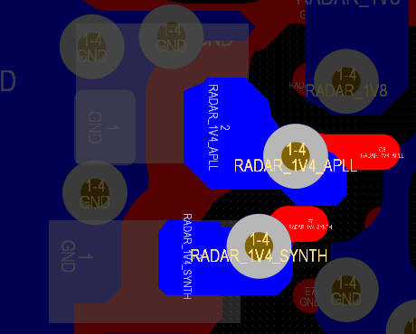
Decaps on VOUT_14APLL pin
Decaps on VOUT_14SYNTH pin

Decaps on VBGAP pin

Short GND return path
APLL and SYNTH BGA BALL

Short GND return path

40MHz XTAL
The 40MHz XTAL should be placed as close as possible to the xWRL device to reduce the parasitic trace capacitance and avoid noise coupling from other components. The XTAL_P and XTAL_M lines are recommended to be shorter and shielded with GND trace to avoid coupling
The XTAL GND vias should not be shared with any other components. There should be a GND trace routed between XTAL_P and XTAL_M to minimize the capacitive coupling between these traces. GND stitching should be applied around the XTAL.
The XTAL should not be placed in same layer as the mmWave device to avoid antenna coupling.
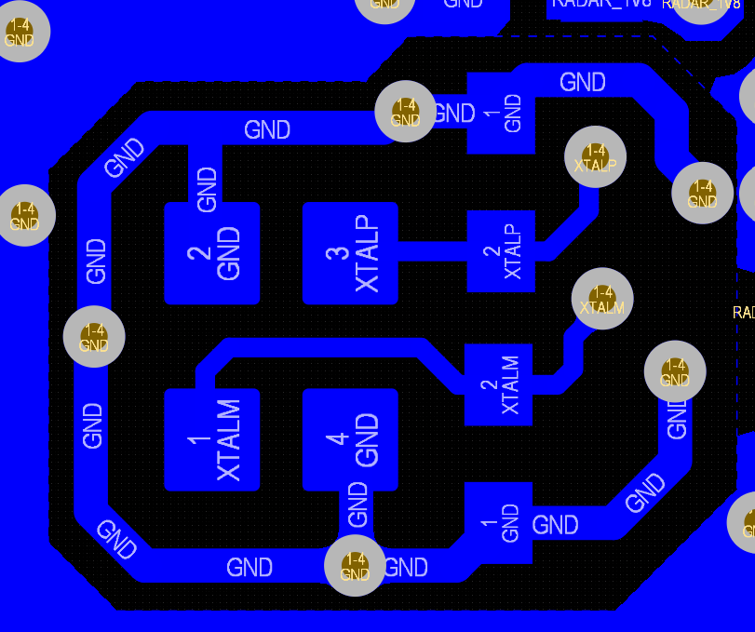
GND shield around the XTALP/XTALM lines

40 MHZ XTAL placement

GND isolation
Sensitive analog circuitry like the XTAL , APLL, Synth, VCO, VCLK, VBGAP etc. are susceptible to on board noise and hence need to be protected from other noise injectors present on the PCB
The most common point of noise injection happens in the decap grounds and traces. Separating ground return paths of "noisy" decaps from the sensitive decaps of XTAL , Synth, VCO, APLL ,VCLK and BGAP helps preventing noise injection

If there are other components on the PCB that could act as noise aggressors similar care needs to be taken with them as well.

Heat Dissipation

The PCB should be designed to dissipate power from the xWRL device.
GND vias should be maximized to enable heat dissipation from the PCB
The GND layer should be well connected using multiple through hole (PTH) vias to transfer the heat from one layer to the other

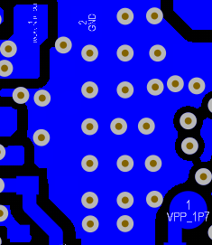
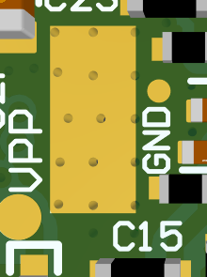

GND vias to transfer the heat from one layer to the other
The solder mask in the bottom layer is removed to facilitate efficient heat transfer

EMI/C Considerations
The 1.2V, 1.8V, 1.4V SYNTH, and 1.4V APLL supply capacitors could act as potential sources of radiated emissions coming from the MMIC. Hence it is critical to ensure that the capacitors on these supplies are properly grounded and
the return path to the xWRL device is kept as short as possible. Blind/Micro vias are not recommended to be used on the MMIC decoupling capacitors as this increases the risk of creating a poor return path. The 1.2V and 1.8V capacitors
could potentially cause 400MHz, 800MHz, 1.2GHz, 1.6GHz, 1.8GHz, and 2.4GHz emissions hence proper grounding is necessary to be ensured. The 1.4V SYNTH and APLL capacitors could potentially act as source of 14.4GHz
and 28.8GHz emissions. At these speeds, the return path becomes critical. It is recommended to place these capacitors in an area that can easily be shieled (i.e on the back of the board, directly below the MMIC).

For regulatory guidelines please refer to below appnote: TI mmWave Radar Device Regulatory Compliance Guide
https://www.ti.com/lit/an/spracp3c/spracp3c.pdf

Due to the large peak current of the 1.8V, and 1.2V supplies that occur during device operation, it is recommened to keep the supplies contained to a single PCB and avoid routing these supplies over
any connectors. If routing over single possible PCB is not possible, then connector should be selected with minimum DCR and maximum current density satisfying datasheet peak current requirement spec. The supplies should always have a reference to GND.
Secondary LC filters will exacerbate the transients on these supplies due to the additional inductance and should be chosen carefully to minimize IR drop and supply transients.

Any high speed data interfaces that are operating continuously can also produce emissions. These traces should have
a solid GND pour and shortest GND return path and there should be no splits in this GND reference for the entire length of the trace. Make sure that any nearby vias do not encroach on the adjacent GND reference. It is recommended to
keep at least 5 mils of separation between any nearby via cutout and the trace edge. Minimize the number of vias on these signals.
Routing these signals over a connector can significantly increase the emissions, so it is best to keep these signals confined to a single PCB. These signals will not produce any
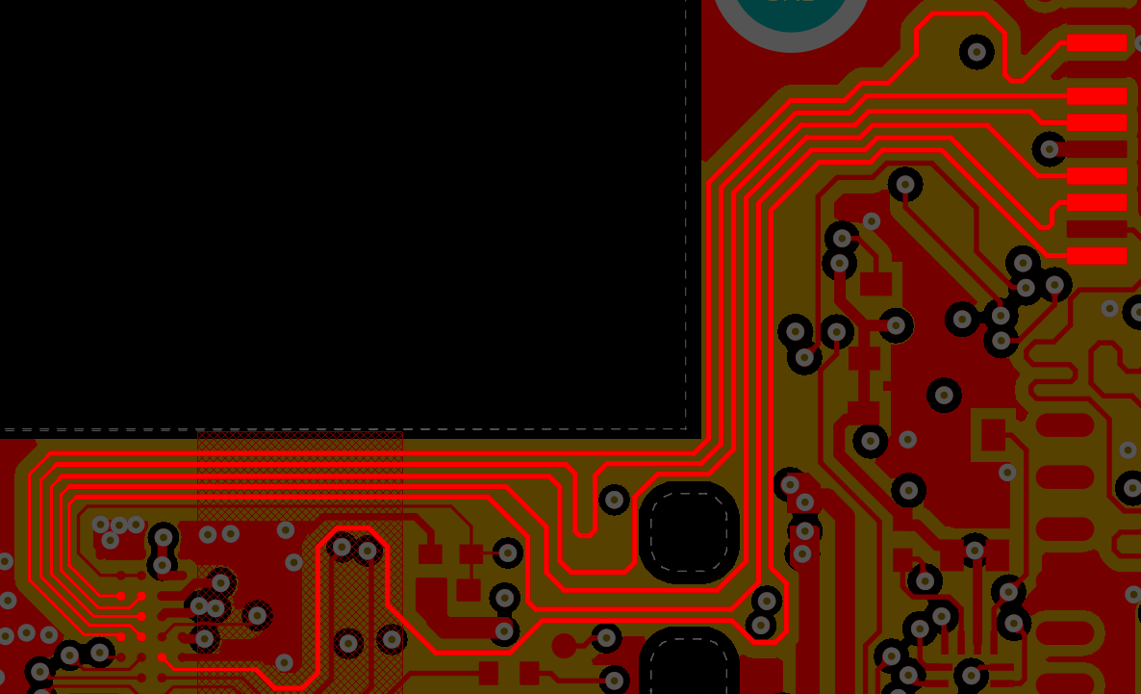
emissions when inactive, so if they are used exclusively for debug purposes then EMI considerations will not be as critical.

Via cutout too close to to high speed signal can impact signal integrity and EMI performance. Recommend to keep at least 5 mils separation.
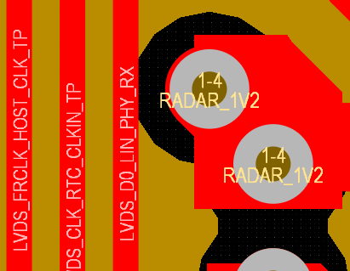

 |  |  |  |  |  | If vias are placed along/close to high speed traces, the antipads will split the
Not Recommended |  |  |  |  |  | GND plane. Hence it is not recommended to put vias close to high speed signal traces

No splits in adjacent GND layer for entire length of high speed trace
Not recommended GND split

PCB design rules
Its recommended to work with your PCB manufacture to confirm the design rules that they can support for mass production. The typically important rules followed on the TI EVM are
For 1.8V, 1.2V and 1V traces carry higher current, it is recommended to have at least 12-15mils traces for the signals

Min track width | 4 mils
Min copper spacing | 4 mils
Through hole via dimensions | 8 mils drill 18 mils pad
PCB Thickness | 60 mils |  | Details Regarding Reflow Process: | MSL Ratings and Reflow Profiles (Rev. A)

Non Solder Mask defined landing pattern is recommended.

Please refer to the datasheet section: |  | Mechanical, Packaging, and Orderable Information

Layout Guidline -BOM Optimized
Layout guidelines for PCB built for xWRL6432AOP board (BOM optimized)
Layout reference files: | https://dev.ti.com/tirex/explore/
 | mmWave radar sensors/Embedded Software / Radar Toolbox / Documentation/Reference Designs/IWRL6432AOP Reference Design / IWRL6432AOP Reference Design
Radome Appnote: | https://www.ti.com/lit/an/swra705/swra705.pdf
PCB Stackup
The stack up used on the xWRL6432AOPEVM is shown below.

Layer1 | Power and signal routing
Layer2 | Solid GND layer
Layer3 | Digital signal routing + GND
Layer4 | Power and signal routing

NOTE: All the layout guidelines listed in power optimized topology will be applicable for the BOM optimized topology except for the decap placements.
Recommended finished PCB thickness is 1.6mm. Higher PCB thickness increases via dimensions and hence the added parasitic could potentially cause oscillation at the supply lines, ground bounce etc.
Power management - Decap Placement

Like all low dropout regulators, the internal LDO requires an output capacitor connected between OUTPUT and GND to stabilize the internal control loop.
We recommend to use X7R type capacitors which has a lower variation across temperature.
The minimum and maximum values of the capacitor captured in Datasheet section "Internal LDO output decoupling capacitor and layout conditions for BOM optimized topology"

All the decaps are recommended to place as close as possible to the respective BGA balls. It is recommended to have shortest ground return path as shown below
to reduce trace parasitic for better voltage stability. It is strictly recommended to follow the Datasheet section "Internal LDO output decoupling capacitor and layout conditions for BOM optimized topology" for optimal capacitor values and parasitic recommendation.
It is also better to place the higher value capacitor closer to the BGA ball.

1.2V RF (RADAR_1P2_RF)

Short GND return path

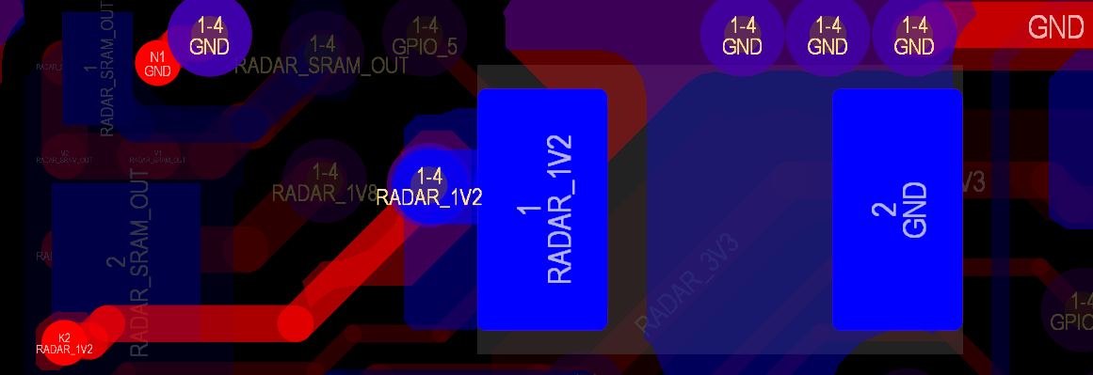

1.2V Digital (RADAR_1V2)

Short GND return path

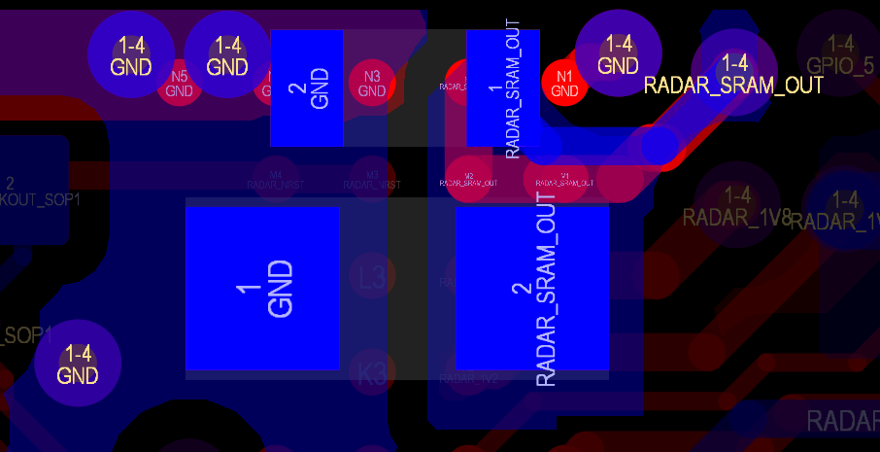

1.2V SRAM (RADAR_SRAM_OUT)

Short GND return path

PCB design rules
Its recommended to work with your PCB manufacture to confirm the design rules that they can support for mass production. The typically important rules followed on the TI EVM are
For 1.8V carrying high current it is recommended to have the respective traces 15-18mils thick
1.2V is also a high current carrying trace hence it is recommended to have respective traces 12-15mils thick

Min track width | 4 mils
Min copper spacing | 4 mils
Through hole via dimensions | 8 mils drill 18 mils pad
PCB Thickness | 60 mils |  | Details Regarding Reflow Process: | MSL Ratings and Reflow Profiles (Rev. A)

Non Solder Mask defined landing pattern is recommended.

Please refer to the datasheet section: |  | Mechanical, Packaging, and Orderable Information

Digital Interface Guidelines
Digital Interface Guidelines
The device contains several interfaces that have length matching and total length constraints in order to operate at the required data rates.
These interfaces and their requirements are described in this section.
For switching characteristics and voltage thresholds, please refer to the device datasheet

In all cases where length matching is required, the matching should be done at the mismatched ends, not the matched ends. In cases where
longer traces are used it is recommended to add a series termination resistor at the source.
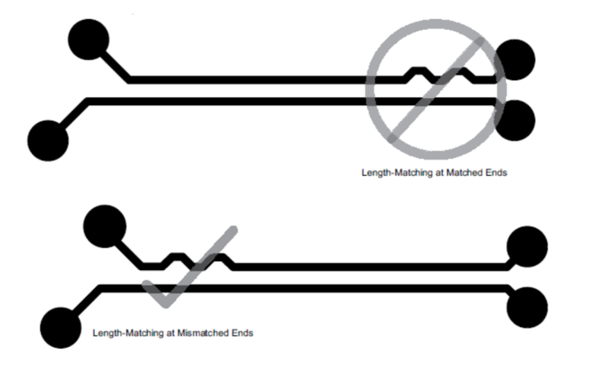

SPI
The device contians two SPI ports for communication with external interfaces
This interface operates at 40MHz with SDR clock
These signals should be length matched to 200 mils
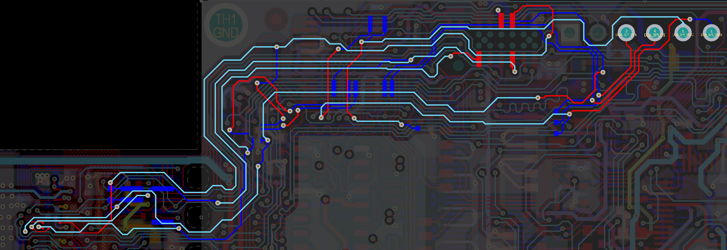

QSPI
The mmWave sensor uses the QSPI interface to load the compiled software, RTOS, and patch code
The QSPI in the device is primarily intended for fast booting from quad-SPI flash memories.
The QSPI has 4 data, clock, and Chip Select.

Current implementation uses a SDR clock, and 80Mhz clock rate. It is important to make sure that the flash device chosen meets the
timing requirements provided in the device datasheet.

The QSPI traces should be length matched to 50 mils. The QSPI flash should be placed as close to
the MMIC as possible.

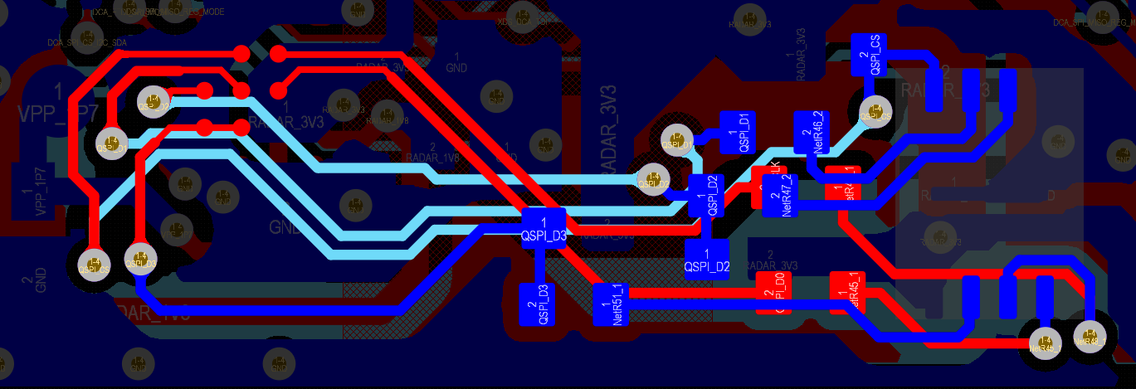

RDIF
The RDIF has four data lanes, one Bit Clock lane, and one Frame Clock lane.
The maximum operating speed is 400Mbps and the RDIF clock can be configured for DDR operation
The lengths of the all these lines should be tightly matched to each other to reduce delay mismatch and enable reliable data communication

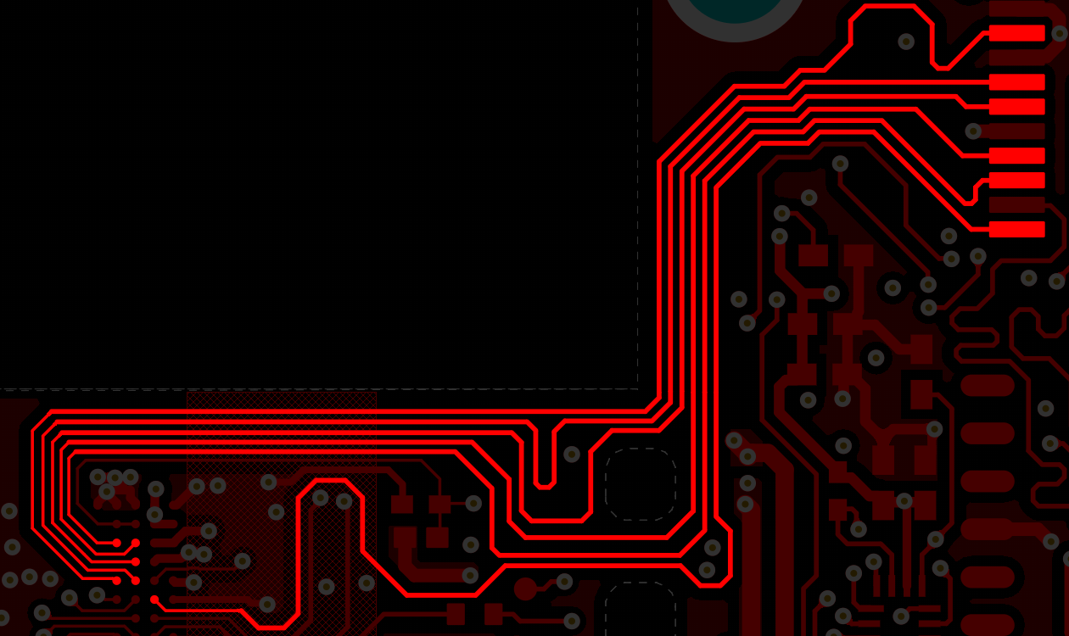

JTAG
The device contains a JTAG interface that implements the IEEE1149.1 standard for debug and boundary scan
This interface can be brought to a header for use with an external emulator
An on-board emulator can be implemented in the form of a Tiva-C MCU. For implementation details, refer to the EVM schematic
The JTAG interface is required for debug with TI's CCS tool
The JTAG TDO pin is also the Sense On Power (SOP0) pin, in case JTAG is not used
the TDO pin cannot be left floating.

Component Selection
Component Selection

DC DC Regulator/ PMIC
 |  |  |  |  |  |  | Recommended DC Regulator |  |  |  |  | Recommended PMIC
Important features for DC DC Regulator selection:
 | Meets peak current requirement per rail |  |  |  | Recommended Part Number: |  | 1.8V - TPS6285020MDRLR (fixed 1.8V output voltage) |  |  |  | Alternate Part Number: |  | TPS650360
 | Low quiescent current, High efficiency |  |  |  |  |  | 1.2V - TPS6285020ADRLR (fixed 1.2V output voltage)
 | Forced PWM or PFM/PWM mode control
 | Spread spectrum clocking |  |  |  | Alternate Part Number: |  | TPS6285020DRLR (adjustable output voltage)
 | PGOOD Feature
 | Small package size |  |  |  |  |  |  |  |  |  |  |  | s
 | Higher Switching Frequency (3.5MHz - 4MHz)

In order to minimize switching frequency and its harmonics falling intoradar baseband SSC on DC DC Regulator could be enabled.
Enabling Spread Spectrum Clocking (SSC) spectrum spreads the fundamental frequency as well as the higher harmonics.

The output power supply ripple may result in spurs in IF spectrum allowing the detection of ghost targets.
It prevents switching frequency harmonics to fall into the intermediate frequency bandwidth preventing ghost objects detection.
Higher switching frequency regulator also has the advantage of reduced output voltage ripple and reduced size of passive components for filtering.

In PWM, PFM mode, the DC DC Regulator automatically enters power save mode at light loads to maintain high efficiency across the whole load range.
The DC DC Regulator provides a higher output voltage accuracy in forced PWM mode, which helps design a power supply with high output voltage accuracy.

QSPI Flash

Important features for QSPI Flash selection:
 | Clock frequency greater than or equal to 80MHz |  |  | Recommended Part Number: |  | MX25V1635FZNQ (Input Voltage: 3V - 3.6V) |  |  | --> | 3.3V IO
 | Quad Enable (QE) bit is 1 |  |  |  |  | MX25R1635FZHUI0 (Wide Input Voltage: 1.65V - 3.6V) |  |  | --> | 1.8V or 3.3V IO
 | Fast read, program and erase time
 | The Flash memory should be equal or lesser than 64Mbit |  |  | Alternate Part Number: |  | Flash Variants Supported by the mmWave Sensor (Rev. E) (ti.com)
 | Low power consumption
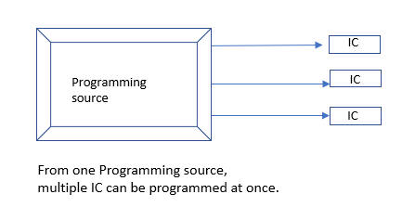
 | Supports SFDP command

 | Smaller package size
A gang programmer is used for programming multiple blank devices simultaneously using a single set of operations from one programming source.
During production it is preferred to program all QSPI FLASH at once instead of programming eah IC separately.
For this purpose GANG Programmers that supports a wide range of ICs are preferred.
Refer to the following link for more information:
https://www.hilosystems.com/en-gb/ALL-200G

XTAL

Important features for XTAL selection:
 | External shunt capacitor of 4.7pF
 | Below are the datasheet spec requirements for XTAL
 |  |  |  |  |  | Recommended Part Number: |  | FW4000044Q
 |  |  |  |  |  |  |  | XRCGE40M000FBAABR0
 |  |  |  |  |  |  |  | XRCGE40M000FBAAGR0

 |  |  |  |  |  | Alternate Part Number: |  | CX2016SA40000D0PTWC1

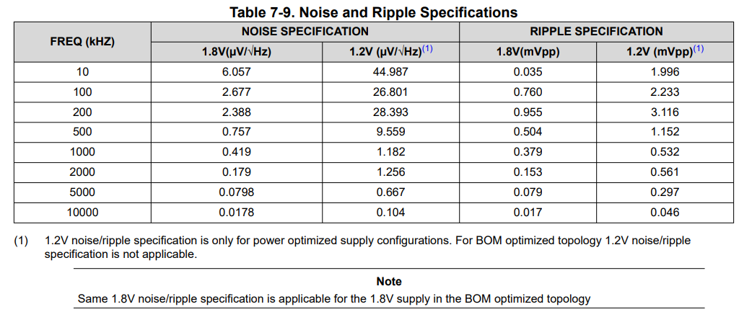

LC filter

Important features for L and C selection for LC filter:
 | Ripple and noise specs should be matched - check datasheet for details
 | Transient load step response should also be considered while selection
 | Low pass filter attenuation should be greater than 40dB after -3dB cutoff
 | It is recommended to use L = 100nH and C = 47uF to match the above mentioned criteria
 | DCR for the inductor should be less than 20mOhm

NRESET Circuit

Important features for NRESET circuit:

 | Below circuit is recommended to be employed for NRESET signal.
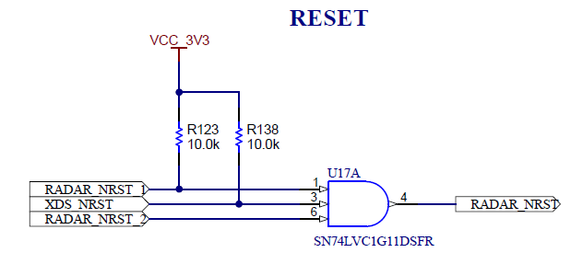

 |  | This way, multiple signals could be used to generate NRESET signal for the device
 |  | The fast rise time of the AND gate also helps in a proper NRESET assertion

 | For external host controlled NRESET, the power up sequence must be followed i.e NRESET should be asserted only after the power supplies and the SOP lines are stable (refer topower up sequence in datasheet)

 | The PGOOD signal from the DCDC regulators can be used as an NRESET assertion criteria for device safety purpose
 |  | For different power topologies (Three rail power optimized, Two rail BOM optimized, Two rail power optimized and single rail BOM optimized), the PGOOD signal from different power sources could be combined together to generate a single power good signal to be used for NRESET. This wil further ensure a proper NREESET assertion after all the power supplies are stable.

 | NOTE:- | For 1.8V IO, the above mentioned circuit is must along with the RC delay circuit.

CONNECTOR & CABLING

Important features for Connector selection:
 | Current handling capability of connector headers
 | Number of pins required for power and GND to handle peak current (Refer to Peak Current requirement per rail in Datasheet)
 | Cables should have low parasitic (L & C) and low DCR
 | For Cabling consider mating arrangement (associated problems: length, gauge factor (thicker the better)
 | Pitch of the connector must be considered according to cabling options

LEVEL SHIFTERS

Level shifter application for different IO voltage support
 | When different IO voltage is used, Level shifters are required to communicate with the RADAR device.
 | xWRL6432 supports 3.3V and 1.8V IOs.

 | Fig. Refernce block diagram showcasing level shifter application in 1.8V Radar IO communicting with 3.3V external IO Shown communication interfaces: UART, SPI and LVDS
 | Recommended part numbers: |  | SN74AXC8T245PWR (It is best practice to use the same part number for the level shifter)

Resources and Common Q's
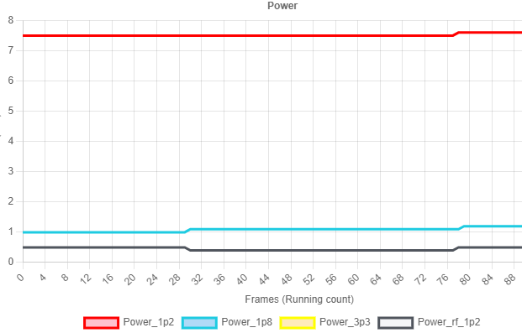
 |  |  | RESOURCES
Datasheet | https://www.ti.com/lit/ds/symlink/iwrl6432aop.pdf |  |  | (IWRL) | https://www.ti.com/lit/ds/symlink/awrl6432aop.pdf |  | (AWRL)
Errata | https://www.ti.com/lit/er/swrz159/swrz159.pdf |  |  | (IWRL) | https://www.ti.com/lit/er/swrz158/swrz158.pdf |  | (AWRL)
EVM User Guide | https://www.ti.com/lit/ug/swru620/swru620.pdf
Appnotes
 | Radome | https://www.ti.com/lit/an/swra705/swra705.pdf
 | Production Testing | https://www.ti.com/lit/an/spracx7/spracx7.pdf
 | Calibration | https://www.ti.com/lit/an/swra794/swra794.pdf
 | TX BO and RX Gain | https://www.ti.com/lit/an/swra820/swra820.pdf
 | Reflow Process | https://www.ti.com/lit/an/spraby1a/spraby1a.pdf
 | Functional Safety | https://www.ti.com/jp/lit/fs/swru598a/swru598a.pdf
 | xWRLx432 Bootloader Flow | https://www.ti.com/lit/ug/swru622/swru622.pdf
 | Power Optimization | https://www.ti.com/lit/an/swra754/swra754.pdf
mmWave Studio-3G | https://www.ti.com/tool/MMWAVE-STUDIO
mmWave_L_SDK | MMWAVE-L-SDK Software development kit (SDK) | TI.com
mmWave Sensing Estimator | mmWaveSensingEstimator
SYSCONFIG | https://www.ti.com/tool/SYSCONFIG
Code Composer Studio | CCSTUDIO IDE, configuration, compiler or debugger | TI.com
Emission Certifications | https://dev.ti.com/tirex/explore/
EVM DoC | https://www.ti.com/lit/cr/sszqrj7/sszqrj7.pdf |  |  | (IWRL) | https://www.ti.com/lit/cr/sszqrj8/sszqrj8.pdf |  | (AWRL)
Radar Toolbox | https://dev.ti.com/tirex/explore/

Common queries |  |  |  |  |  | Answers
What are the Certifications required for Europe, China, Japan and USA? |  |  |  |  |  | FCC Part 15 Subpart B, C; RED; ESTI EN 300 328, EN 62311, EN 301 348, EN 62368, EN 305 550; TELEC/ARIB
What are the interfaces for ROM Bootloading (User application programming)? |  |  |  |  |  | Please refer to the link: | Click here
What are the alternate supported FLASH variants? |  |  |  |  |  | Please refer to the link: | Click here
What are the varioius system/power topologies? |  |  |  |  |  | Please refer to the link: | Click here | Power optimized
 |  |  |  |  |  | Please refer to the link: | Click here | BOM optimized
Where to find the design files? |  |  |  |  |  | Please refer to the link: | Click here | Power optimized (Schematic)
 |  |  |  |  |  | Please refer to the link: | Click here | BOM optimized (Schematic)
 |  |  |  |  |  | Please refer to the link: | Click here | Power optimized (Layout)
 |  |  |  |  |  | Please refer to the link: | Click here | BOM optimized (Layout)
What is HOST interrupt and is it necessary for SPI communication? |  |  |  |  |  | Please refer to the link: | Click here
What are the recommended level shifters for 1.8V IO? |  |  |  |  |  | Please refer to the link: | Click here
How to select DCDC regulator to meet ripple and noise specification? |  |  |  |  |  | Please refer to the link: | Click here
What are the recommendations for XTAL traces? |  |  |  |  |  | Please refer to the link: | Click here
How to Flash/Program the device? |  |  |  |  |  | Please refer to the link: | Click here
What is the correct reflow process for the PCB assembly? |  |  |  |  |  | Please refer to the link: | Click here
What is the recommended boot up sequence? |  |  |  |  |  | Please refer to the link: | Click here
How to measure the device power? |  |  |  |  |  | The device power can be measured using INA228 over I2C interface
 |  |  |  |  |  | https://www.ti.com/lit/gpn/ina228
 |  |  |  |  |  | TI EVM uses INA228 across 3 power rails (1.8V, 1.2V, 1.2V RF)
 |  |  |  |  |  | to measure the device power. Below is the snapshot from mmWave_L_SDK.
 |  |  |  |  |  | The 3.3V rail is omitted as the power consumption is minimal. In case you want
 |  |  |  |  |  | to use a low power optimized battery solution, please refer to:
 |  |  |  |  |  | https://www.ti.com/lit/ug/tiduf51/tiduf51.pdf

